CDC73 _multivariate
Reported by Tex Li-Hsing Chi. tex@gate.sinica.edu.tw 2019-08-21

Table 2. The clinicopathological features of HNSCC cohort and CDC73 expression. (Chi square test)
Cutoff at -0.056 (49.8%)
 |  | CDC73 expression |  | CDC73 expression |  | (Optimised)
 | Features | Low | (%) | High | (%) | Case no | P-value | Remark | Matthews
Gender | Female | 156 | 37.6 | 150 | 36.1 | 415 | 0.5222 | 0 | 0
2 | Male | 51 | 12.3 | 58 | 14
Age at diagnosis | <=65y | 137 | 33 | 137 | 33 | 415 | 1 | 0 | 0
4 | >65y | 70 | 16.9 | 71 | 17.1
Clinical T Status | T1+T2 | 76 | 18.3 | 73 | 17.6 | 415 | 0.8092 | 0 | 0
6 | T3+T4 | 131 | 31.6 | 135 | 32.5
Clinical N Status | N0 | 108 | 26 | 108 | 26 | 415 | 1 | 0 | 0
8 | N1-3 | 99 | 23.9 | 100 | 24.1
Clinical M Status | M0 | 204 | 49.2 | 208 | 50.1 | 415 | 0.1232 | 0 | 0
10 | M1 | 3 | 0.7 | 0 | 0
Clinical Stage | Stage I+II | 52 | 12.5 | 50 | 12 | 415 | 0.8871 | 0 | 0
12 | Stage III+IV | 155 | 37.3 | 158 | 38.1
Surgical Margin status | Negative | 162 | 39 | 156 | 37.6 | 415 | 0.4867 | 0 | 0
14 | Positive | 45 | 10.8 | 52 | 12.5
Tobacco Exposure | Low | 80 | 19.3 | 81 | 19.5 | 415 | 1 | 0 | 0
16 | High | 127 | 30.6 | 127 | 30.6

Table 3. Univariate/Multivariate Cox's proportional hazards regression analyses on OS time of CDC73 gene expression in HNSCC

 |  | Univariate |  |  |  | Multivariate
 | Features | HR | CI95%(L) | CI95%(H) | P-value | HR | CI95%(L) | CI95%(H) | P-value
1 | Female | 1 |  |  |  | 1
Gender | Male | 1.157 | 0.843 | 1.587 | 0.367 | 1.199 | 0.86 | 1.672 | 0.285
11 | <=65y | 1 |  |  |  | 1
Age at diagnosis | >65y | 1.329 | 0.99 | 1.784 | 0.058 | 1.409 | 1.037 | 1.916 | 0.029
12 | T1+T2 | 1 |  |  |  | 1
Clinical T Status | T3+T4 | 1.409 | 1.028 | 1.931 | 0.033 | 2.231 | 1.18 | 4.221 | 0.014
13 | N0 | 1 |  |  |  | 1
Clinical N Status | N1-3 | 1.185 | 0.89 | 1.577 | 0.246 | 1.239 | 0.869 | 1.768 | 0.237
14 | M0 | 1 |  |  |  | 1
Clinical M Status | M1 | 4.097 | 1.009 | 16.644 | 0.049 | 10.68 | 2.302 | 49.555 | 0.002
15 | Stage I+II | 1 |  |  |  | 1
Clinical Stage | Stage III+IV | 1.245 | 0.882 | 1.759 | 0.213 | 0.488 | 0.227 | 1.049 | 0.066
16 | Negative | 1 |  |  |  | 1
Surgical Margin status | Positive | 1.591 | 1.155 | 2.191 | 0.004 | 1.676 | 1.212 | 2.317 | 0.002
17 | Low | 1 |  |  |  | 1
Tobacco Exposure | High | 1.364 | 1.008 | 1.844 | 0.044 | 1.462 | 1.062 | 2.013 | 0.02
18 | Low | 1 |  |  |  | 1
RNAseq(z-score) | High | 1.163 | 0.872 | 1.55 | 0.303 | 1.223 | 0.914 | 1.637 | 0.175

Table 4. Univariate/Multivariate Cox's proportional hazards regression analyses on RFS time of CDC73 gene expression in HNSCC

 |  | Univariate |  |  |  | Multivariate
 | Features | HR | CI95%(L) | CI95%(H) | P-value | HR | CI95%(L) | CI95%(H) | P-value
1 | Female | 1 |  |  |  | 1
Gender | Male | 1.157 | 0.843 | 1.587 | 0.367 | 1.199 | 0.86 | 1.672 | 0.285
11 | <=65y | 1 |  |  |  | 1
Age at diagnosis | >65y | 1.329 | 0.99 | 1.784 | 0.058 | 1.409 | 1.037 | 1.916 | 0.029
12 | T1+T2 | 1 |  |  |  | 1
Clinical T Status | T3+T4 | 1.409 | 1.028 | 1.931 | 0.033 | 2.231 | 1.18 | 4.221 | 0.014
13 | N0 | 1 |  |  |  | 1
Clinical N Status | N1-3 | 1.185 | 0.89 | 1.577 | 0.246 | 1.239 | 0.869 | 1.768 | 0.237
14 | M0 | 1 |  |  |  | 1
Clinical M Status | M1 | 4.097 | 1.009 | 16.644 | 0.049 | 10.68 | 2.302 | 49.555 | 0.002
15 | Stage I+II | 1 |  |  |  | 1
Clinical Stage | Stage III+IV | 1.245 | 0.882 | 1.759 | 0.213 | 0.488 | 0.227 | 1.049 | 0.066
16 | Negative | 1 |  |  |  | 1
Surgical Margin status | Positive | 1.591 | 1.155 | 2.191 | 0.004 | 1.676 | 1.212 | 2.317 | 0.002
17 | Low | 1 |  |  |  | 1
Tobacco Exposure | High | 1.364 | 1.008 | 1.844 | 0.044 | 1.462 | 1.062 | 2.013 | 0.02
18 | Low | 1 |  |  |  | 1
RNAseq(z-score) | High | 1.163 | 0.872 | 1.55 | 0.303 | 1.223 | 0.914 | 1.637 | 0.175

Kaplan-Meier survival estimate: Cutoff at -0.056 (49.8%)



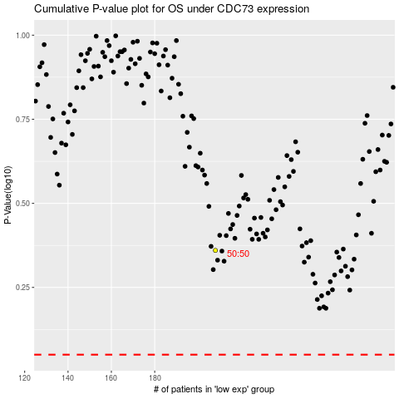

 |  |  |  |  |  | cases_OS | p_OS | rank | exp
 |  |  |  |  |  |  | cases_RFS | p_RFS | rank | exp

