CDCA3 _multivariate
Reported by Tex Li-Hsing Chi. tex@gate.sinica.edu.tw 2019-08-21

Table 2. The clinicopathological features of HNSCC cohort and CDCA3 expression. (Chi square test)
Cutoff at -0.349 (34.8%)
 |  | CDCA3 expression |  | CDCA3 expression |  | (Optimised)
 | Features | Low | (%) | High | (%) | Case no | P-value | Remark | Matthews
Gender | Female | 97 | 23.4 | 209 | 50.4 | 415 | 0.0276 | 1 | 0
2 | Male | 48 | 11.6 | 61 | 14.7
Age at diagnosis | <=65y | 94 | 22.7 | 180 | 43.4 | 415 | 0.7884 | 0 | 0
4 | >65y | 51 | 12.3 | 90 | 21.7
Clinical T Status | T1+T2 | 55 | 13.3 | 94 | 22.7 | 415 | 0.6005 | 0 | 0
6 | T3+T4 | 90 | 21.7 | 176 | 42.4
Clinical N Status | N0 | 87 | 21 | 129 | 31.1 | 415 | 0.023 | 1 | 0
8 | N1-3 | 58 | 14 | 141 | 34
Clinical M Status | M0 | 145 | 34.9 | 267 | 64.3 | 415 | 0.5547 | 0 | 0
10 | M1 | 0 | 0 | 3 | 0.7
Clinical Stage | Stage I+II | 42 | 10.1 | 60 | 14.5 | 415 | 0.161 | 0 | 0
12 | Stage III+IV | 103 | 24.8 | 210 | 50.6
Surgical Margin status | Negative | 118 | 28.4 | 200 | 48.2 | 415 | 0.1136 | 0 | 0
14 | Positive | 27 | 6.5 | 70 | 16.9
Tobacco Exposure | Low | 69 | 16.6 | 92 | 22.2 | 415 | 0.0083 | 1 | 0
16 | High | 76 | 18.3 | 178 | 42.9

Table 3. Univariate/Multivariate Cox's proportional hazards regression analyses on OS time of CDCA3 gene expression in HNSCC

 |  | Univariate |  |  |  | Multivariate
 | Features | HR | CI95%(L) | CI95%(H) | P-value | HR | CI95%(L) | CI95%(H) | P-value
1 | Female | 1 |  |  |  | 1
Gender | Male | 1.157 | 0.843 | 1.587 | 0.367 | 1.225 | 0.874 | 1.717 | 0.238
11 | <=65y | 1 |  |  |  | 1
Age at diagnosis | >65y | 1.329 | 0.99 | 1.784 | 0.058 | 1.376 | 1.013 | 1.871 | 0.041
12 | T1+T2 | 1 |  |  |  | 1
Clinical T Status | T3+T4 | 1.409 | 1.028 | 1.931 | 0.033 | 2.216 | 1.172 | 4.19 | 0.014
13 | N0 | 1 |  |  |  | 1
Clinical N Status | N1-3 | 1.185 | 0.89 | 1.577 | 0.246 | 1.214 | 0.85 | 1.734 | 0.286
14 | M0 | 1 |  |  |  | 1
Clinical M Status | M1 | 4.097 | 1.009 | 16.644 | 0.049 | 8.855 | 1.928 | 40.674 | 0.005
15 | Stage I+II | 1 |  |  |  | 1
Clinical Stage | Stage III+IV | 1.245 | 0.882 | 1.759 | 0.213 | 0.509 | 0.237 | 1.093 | 0.083
16 | Negative | 1 |  |  |  | 1
Surgical Margin status | Positive | 1.591 | 1.155 | 2.191 | 0.004 | 1.635 | 1.182 | 2.262 | 0.003
17 | Low | 1 |  |  |  | 1
Tobacco Exposure | High | 1.364 | 1.008 | 1.844 | 0.044 | 1.424 | 1.031 | 1.966 | 0.032
18 | Low | 1 |  |  |  | 1
RNAseq(z-score) | High | 1.382 | 1.009 | 1.894 | 0.044 | 1.264 | 0.918 | 1.742 | 0.151

Table 4. Univariate/Multivariate Cox's proportional hazards regression analyses on RFS time of CDCA3 gene expression in HNSCC

 |  | Univariate |  |  |  | Multivariate
 | Features | HR | CI95%(L) | CI95%(H) | P-value | HR | CI95%(L) | CI95%(H) | P-value
1 | Female | 1 |  |  |  | 1
Gender | Male | 1.157 | 0.843 | 1.587 | 0.367 | 1.225 | 0.874 | 1.717 | 0.238
11 | <=65y | 1 |  |  |  | 1
Age at diagnosis | >65y | 1.329 | 0.99 | 1.784 | 0.058 | 1.376 | 1.013 | 1.871 | 0.041
12 | T1+T2 | 1 |  |  |  | 1
Clinical T Status | T3+T4 | 1.409 | 1.028 | 1.931 | 0.033 | 2.216 | 1.172 | 4.19 | 0.014
13 | N0 | 1 |  |  |  | 1
Clinical N Status | N1-3 | 1.185 | 0.89 | 1.577 | 0.246 | 1.214 | 0.85 | 1.734 | 0.286
14 | M0 | 1 |  |  |  | 1
Clinical M Status | M1 | 4.097 | 1.009 | 16.644 | 0.049 | 8.855 | 1.928 | 40.674 | 0.005
15 | Stage I+II | 1 |  |  |  | 1
Clinical Stage | Stage III+IV | 1.245 | 0.882 | 1.759 | 0.213 | 0.509 | 0.237 | 1.093 | 0.083
16 | Negative | 1 |  |  |  | 1
Surgical Margin status | Positive | 1.591 | 1.155 | 2.191 | 0.004 | 1.635 | 1.182 | 2.262 | 0.003
17 | Low | 1 |  |  |  | 1
Tobacco Exposure | High | 1.364 | 1.008 | 1.844 | 0.044 | 1.424 | 1.031 | 1.966 | 0.032
18 | Low | 1 |  |  |  | 1
RNAseq(z-score) | High | 1.382 | 1.009 | 1.894 | 0.044 | 1.264 | 0.918 | 1.742 | 0.151

Kaplan-Meier survival estimate: Cutoff at -0.349 (34.8%)



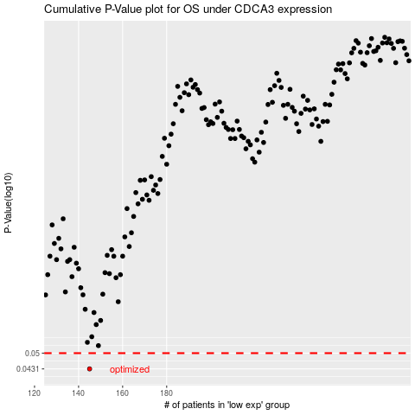

 |  |  |  |  |  | cases_OS | p_OS | rank | exp
 |  |  |  |  |  | 145 | 0.0431 | 296 | -0.34874321703
 |  |  |  |  |  |  | cases_RFS | p_RFS | rank | exp
 |  |  |  |  |  |  | 144 | 0.0431 | 45 | -0.35006783365

