CDCA5 _multivariate
Reported by Tex Li-Hsing Chi. tex@gate.sinica.edu.tw 2019-08-21

Table 2. The clinicopathological features of HNSCC cohort and CDCA5 expression. (Chi square test)
Cutoff at -0.085 (49.8%)
 |  | CDCA5 expression |  | CDCA5 expression |  | (Optimised)
 | Features | Low | (%) | High | (%) | Case no | P-value | Remark | Matthews
Gender | Female | 145 | 34.9 | 161 | 38.8 | 415 | 0.1116 | 0 | 0
2 | Male | 62 | 14.9 | 47 | 11.3
Age at diagnosis | <=65y | 132 | 31.8 | 142 | 34.2 | 415 | 0.3874 | 0 | 0
4 | >65y | 75 | 18.1 | 66 | 15.9
Clinical T Status | T1+T2 | 79 | 19 | 70 | 16.9 | 415 | 0.3924 | 0 | 0
6 | T3+T4 | 128 | 30.8 | 138 | 33.3
Clinical N Status | N0 | 120 | 28.9 | 96 | 23.1 | 415 | 0.0208 | 1 | 0
8 | N1-3 | 87 | 21 | 112 | 27
Clinical M Status | M0 | 207 | 49.9 | 205 | 49.4 | 415 | 0.2482 | 0 | 0
10 | M1 | 0 | 0 | 3 | 0.7
Clinical Stage | Stage I+II | 58 | 14 | 44 | 10.6 | 415 | 0.131 | 0 | 0
12 | Stage III+IV | 149 | 35.9 | 164 | 39.5
Surgical Margin status | Negative | 164 | 39.5 | 154 | 37.1 | 415 | 0.2462 | 0 | 0
14 | Positive | 43 | 10.4 | 54 | 13
Tobacco Exposure | Low | 92 | 22.2 | 69 | 16.6 | 415 | 0.0206 | 1 | 0
16 | High | 115 | 27.7 | 139 | 33.5

Table 3. Univariate/Multivariate Cox's proportional hazards regression analyses on OS time of CDCA5 gene expression in HNSCC

 |  | Univariate |  |  |  | Multivariate
 | Features | HR | CI95%(L) | CI95%(H) | P-value | HR | CI95%(L) | CI95%(H) | P-value
1 | Female | 1 |  |  |  | 1
Gender | Male | 1.157 | 0.843 | 1.587 | 0.367 | 1.212 | 0.867 | 1.696 | 0.261
11 | <=65y | 1 |  |  |  | 1
Age at diagnosis | >65y | 1.329 | 0.99 | 1.784 | 0.058 | 1.388 | 1.021 | 1.887 | 0.036
12 | T1+T2 | 1 |  |  |  | 1
Clinical T Status | T3+T4 | 1.409 | 1.028 | 1.931 | 0.033 | 2.194 | 1.16 | 4.148 | 0.016
13 | N0 | 1 |  |  |  | 1
Clinical N Status | N1-3 | 1.185 | 0.89 | 1.577 | 0.246 | 1.233 | 0.863 | 1.76 | 0.249
14 | M0 | 1 |  |  |  | 1
Clinical M Status | M1 | 4.097 | 1.009 | 16.644 | 0.049 | 8.928 | 1.937 | 41.161 | 0.005
15 | Stage I+II | 1 |  |  |  | 1
Clinical Stage | Stage III+IV | 1.245 | 0.882 | 1.759 | 0.213 | 0.502 | 0.234 | 1.078 | 0.077
16 | Negative | 1 |  |  |  | 1
Surgical Margin status | Positive | 1.591 | 1.155 | 2.191 | 0.004 | 1.644 | 1.187 | 2.278 | 0.003
17 | Low | 1 |  |  |  | 1
Tobacco Exposure | High | 1.364 | 1.008 | 1.844 | 0.044 | 1.436 | 1.041 | 1.982 | 0.028
18 | Low | 1 |  |  |  | 1
RNAseq(z-score) | High | 1.256 | 0.942 | 1.674 | 0.12 | 1.119 | 0.832 | 1.505 | 0.456

Table 4. Univariate/Multivariate Cox's proportional hazards regression analyses on RFS time of CDCA5 gene expression in HNSCC

 |  | Univariate |  |  |  | Multivariate
 | Features | HR | CI95%(L) | CI95%(H) | P-value | HR | CI95%(L) | CI95%(H) | P-value
1 | Female | 1 |  |  |  | 1
Gender | Male | 1.157 | 0.843 | 1.587 | 0.367 | 1.212 | 0.867 | 1.696 | 0.261
11 | <=65y | 1 |  |  |  | 1
Age at diagnosis | >65y | 1.329 | 0.99 | 1.784 | 0.058 | 1.388 | 1.021 | 1.887 | 0.036
12 | T1+T2 | 1 |  |  |  | 1
Clinical T Status | T3+T4 | 1.409 | 1.028 | 1.931 | 0.033 | 2.194 | 1.16 | 4.148 | 0.016
13 | N0 | 1 |  |  |  | 1
Clinical N Status | N1-3 | 1.185 | 0.89 | 1.577 | 0.246 | 1.233 | 0.863 | 1.76 | 0.249
14 | M0 | 1 |  |  |  | 1
Clinical M Status | M1 | 4.097 | 1.009 | 16.644 | 0.049 | 8.928 | 1.937 | 41.161 | 0.005
15 | Stage I+II | 1 |  |  |  | 1
Clinical Stage | Stage III+IV | 1.245 | 0.882 | 1.759 | 0.213 | 0.502 | 0.234 | 1.078 | 0.077
16 | Negative | 1 |  |  |  | 1
Surgical Margin status | Positive | 1.591 | 1.155 | 2.191 | 0.004 | 1.644 | 1.187 | 2.278 | 0.003
17 | Low | 1 |  |  |  | 1
Tobacco Exposure | High | 1.364 | 1.008 | 1.844 | 0.044 | 1.436 | 1.041 | 1.982 | 0.028
18 | Low | 1 |  |  |  | 1
RNAseq(z-score) | High | 1.256 | 0.942 | 1.674 | 0.12 | 1.119 | 0.832 | 1.505 | 0.456

Kaplan-Meier survival estimate: Cutoff at -0.085 (49.8%)



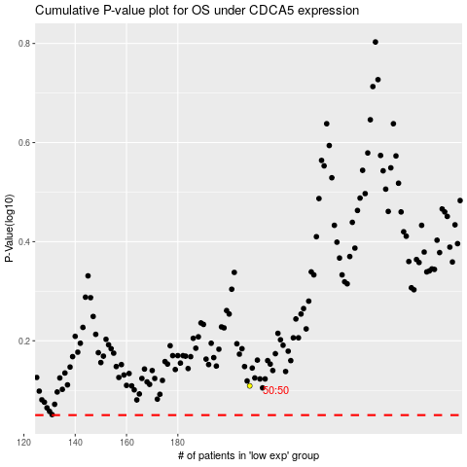

 |  |  |  |  |  | cases_OS | p_OS | rank | exp
 |  |  |  |  |  |  | cases_RFS | p_RFS | rank | exp

