CDCA7 _multivariate
Reported by Tex Li-Hsing Chi. tex@gate.sinica.edu.tw 2019-08-21

Table 2. The clinicopathological features of HNSCC cohort and CDCA7 expression. (Chi square test)
Cutoff at -0.253 (49.8%)
 |  | CDCA7 expression |  | CDCA7 expression |  | (Optimised)
 | Features | Low | (%) | High | (%) | Case no | P-value | Remark | Matthews
Gender | Female | 145 | 34.9 | 161 | 38.8 | 415 | 0.1116 | 0 | 0
2 | Male | 62 | 14.9 | 47 | 11.3
Age at diagnosis | <=65y | 131 | 31.6 | 143 | 34.5 | 415 | 0.2839 | 0 | 0
4 | >65y | 76 | 18.3 | 65 | 15.7
Clinical T Status | T1+T2 | 75 | 18.1 | 74 | 17.8 | 415 | 0.9707 | 0 | 0
6 | T3+T4 | 132 | 31.8 | 134 | 32.3
Clinical N Status | N0 | 119 | 28.7 | 97 | 23.4 | 415 | 0.0345 | 1 | 0
8 | N1-3 | 88 | 21.2 | 111 | 26.7
Clinical M Status | M0 | 206 | 49.6 | 206 | 49.6 | 415 | 1 | 0 | 0
10 | M1 | 1 | 0.2 | 2 | 0.5
Clinical Stage | Stage I+II | 55 | 13.3 | 47 | 11.3 | 415 | 0.4087 | 0 | 0
12 | Stage III+IV | 152 | 36.6 | 161 | 38.8
Surgical Margin status | Negative | 165 | 39.8 | 153 | 36.9 | 415 | 0.1639 | 0 | 0
14 | Positive | 42 | 10.1 | 55 | 13.3
Tobacco Exposure | Low | 94 | 22.7 | 67 | 16.1 | 415 | 0.0065 | 1 | 0
16 | High | 113 | 27.2 | 141 | 34

Table 3. Univariate/Multivariate Cox's proportional hazards regression analyses on OS time of CDCA7 gene expression in HNSCC

 |  | Univariate |  |  |  | Multivariate
 | Features | HR | CI95%(L) | CI95%(H) | P-value | HR | CI95%(L) | CI95%(H) | P-value
1 | Female | 1 |  |  |  | 1
Gender | Male | 1.157 | 0.843 | 1.587 | 0.367 | 1.191 | 0.852 | 1.665 | 0.306
11 | <=65y | 1 |  |  |  | 1
Age at diagnosis | >65y | 1.329 | 0.99 | 1.784 | 0.058 | 1.389 | 1.022 | 1.888 | 0.036
12 | T1+T2 | 1 |  |  |  | 1
Clinical T Status | T3+T4 | 1.409 | 1.028 | 1.931 | 0.033 | 2.188 | 1.157 | 4.14 | 0.016
13 | N0 | 1 |  |  |  | 1
Clinical N Status | N1-3 | 1.185 | 0.89 | 1.577 | 0.246 | 1.249 | 0.875 | 1.783 | 0.22
14 | M0 | 1 |  |  |  | 1
Clinical M Status | M1 | 4.097 | 1.009 | 16.644 | 0.049 | 9.424 | 2.056 | 43.195 | 0.004
15 | Stage I+II | 1 |  |  |  | 1
Clinical Stage | Stage III+IV | 1.245 | 0.882 | 1.759 | 0.213 | 0.508 | 0.237 | 1.091 | 0.082
16 | Negative | 1 |  |  |  | 1
Surgical Margin status | Positive | 1.591 | 1.155 | 2.191 | 0.004 | 1.693 | 1.223 | 2.344 | 0.002
17 | Low | 1 |  |  |  | 1
Tobacco Exposure | High | 1.364 | 1.008 | 1.844 | 0.044 | 1.466 | 1.063 | 2.021 | 0.02
18 | Low | 1 |  |  |  | 1
RNAseq(z-score) | High | 0.96 | 0.721 | 1.279 | 0.779 | 0.895 | 0.668 | 1.198 | 0.456

Table 4. Univariate/Multivariate Cox's proportional hazards regression analyses on RFS time of CDCA7 gene expression in HNSCC

 |  | Univariate |  |  |  | Multivariate
 | Features | HR | CI95%(L) | CI95%(H) | P-value | HR | CI95%(L) | CI95%(H) | P-value
1 | Female | 1 |  |  |  | 1
Gender | Male | 1.157 | 0.843 | 1.587 | 0.367 | 1.191 | 0.852 | 1.665 | 0.306
11 | <=65y | 1 |  |  |  | 1
Age at diagnosis | >65y | 1.329 | 0.99 | 1.784 | 0.058 | 1.389 | 1.022 | 1.888 | 0.036
12 | T1+T2 | 1 |  |  |  | 1
Clinical T Status | T3+T4 | 1.409 | 1.028 | 1.931 | 0.033 | 2.188 | 1.157 | 4.14 | 0.016
13 | N0 | 1 |  |  |  | 1
Clinical N Status | N1-3 | 1.185 | 0.89 | 1.577 | 0.246 | 1.249 | 0.875 | 1.783 | 0.22
14 | M0 | 1 |  |  |  | 1
Clinical M Status | M1 | 4.097 | 1.009 | 16.644 | 0.049 | 9.424 | 2.056 | 43.195 | 0.004
15 | Stage I+II | 1 |  |  |  | 1
Clinical Stage | Stage III+IV | 1.245 | 0.882 | 1.759 | 0.213 | 0.508 | 0.237 | 1.091 | 0.082
16 | Negative | 1 |  |  |  | 1
Surgical Margin status | Positive | 1.591 | 1.155 | 2.191 | 0.004 | 1.693 | 1.223 | 2.344 | 0.002
17 | Low | 1 |  |  |  | 1
Tobacco Exposure | High | 1.364 | 1.008 | 1.844 | 0.044 | 1.466 | 1.063 | 2.021 | 0.02
18 | Low | 1 |  |  |  | 1
RNAseq(z-score) | High | 0.96 | 0.721 | 1.279 | 0.779 | 0.895 | 0.668 | 1.198 | 0.456

Kaplan-Meier survival estimate: Cutoff at -0.253 (49.8%)



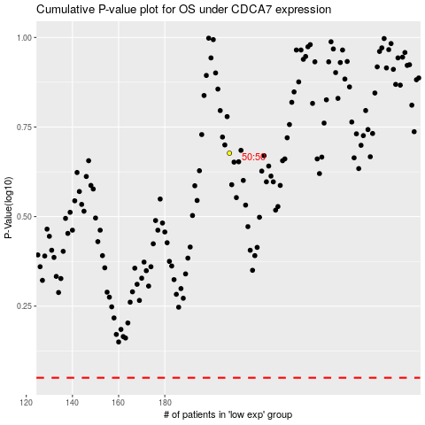

 |  |  |  |  |  | cases_OS | p_OS | rank | exp
 |  |  |  |  |  |  | cases_RFS | p_RFS | rank | exp

