CDCA7L _multivariate
Reported by Tex Li-Hsing Chi. tex@gate.sinica.edu.tw 2019-08-21

Table 2. The clinicopathological features of HNSCC cohort and CDCA7L expression. (Chi square test)
Cutoff at -0.35 (40.3%)
 |  | CDCA7L expression |  | CDCA7L expression |  | (Optimised)
 | Features | Low | (%) | High | (%) | Case no | P-value | Remark | Matthews
Gender | Female | 111 | 26.7 | 195 | 47 | 415 | 0.0049 | 1 | 0
2 | Male | 57 | 13.7 | 52 | 12.5
Age at diagnosis | <=65y | 102 | 24.6 | 172 | 41.4 | 415 | 0.0754 | 0 | 0
4 | >65y | 66 | 15.9 | 75 | 18.1
Clinical T Status | T1+T2 | 59 | 14.2 | 90 | 21.7 | 415 | 0.8646 | 0 | 0
6 | T3+T4 | 109 | 26.3 | 157 | 37.8
Clinical N Status | N0 | 93 | 22.4 | 123 | 29.6 | 415 | 0.3112 | 0 | 0
8 | N1-3 | 75 | 18.1 | 124 | 29.9
Clinical M Status | M0 | 168 | 40.5 | 244 | 58.8 | 415 | 0.2754 | 0 | 0
10 | M1 | 0 | 0 | 3 | 0.7
Clinical Stage | Stage I+II | 43 | 10.4 | 59 | 14.2 | 415 | 0.779 | 0 | 0
12 | Stage III+IV | 125 | 30.1 | 188 | 45.3
Surgical Margin status | Negative | 129 | 31.1 | 189 | 45.5 | 415 | 1 | 0 | 0
14 | Positive | 39 | 9.4 | 58 | 14
Tobacco Exposure | Low | 76 | 18.3 | 85 | 20.5 | 415 | 0.0311 | 1 | 0
16 | High | 92 | 22.2 | 162 | 39

Table 3. Univariate/Multivariate Cox's proportional hazards regression analyses on OS time of CDCA7L gene expression in HNSCC

 |  | Univariate |  |  |  | Multivariate
 | Features | HR | CI95%(L) | CI95%(H) | P-value | HR | CI95%(L) | CI95%(H) | P-value
1 | Female | 1 |  |  |  | 1
Gender | Male | 1.157 | 0.843 | 1.587 | 0.367 | 1.267 | 0.904 | 1.777 | 0.17
11 | <=65y | 1 |  |  |  | 1
Age at diagnosis | >65y | 1.329 | 0.99 | 1.784 | 0.058 | 1.43 | 1.051 | 1.945 | 0.023
12 | T1+T2 | 1 |  |  |  | 1
Clinical T Status | T3+T4 | 1.409 | 1.028 | 1.931 | 0.033 | 2.238 | 1.184 | 4.23 | 0.013
13 | N0 | 1 |  |  |  | 1
Clinical N Status | N1-3 | 1.185 | 0.89 | 1.577 | 0.246 | 1.242 | 0.869 | 1.775 | 0.234
14 | M0 | 1 |  |  |  | 1
Clinical M Status | M1 | 4.097 | 1.009 | 16.644 | 0.049 | 8.556 | 1.863 | 39.307 | 0.006
15 | Stage I+II | 1 |  |  |  | 1
Clinical Stage | Stage III+IV | 1.245 | 0.882 | 1.759 | 0.213 | 0.495 | 0.231 | 1.063 | 0.071
16 | Negative | 1 |  |  |  | 1
Surgical Margin status | Positive | 1.591 | 1.155 | 2.191 | 0.004 | 1.681 | 1.216 | 2.322 | 0.002
17 | Low | 1 |  |  |  | 1
Tobacco Exposure | High | 1.364 | 1.008 | 1.844 | 0.044 | 1.421 | 1.031 | 1.959 | 0.032
18 | Low | 1 |  |  |  | 1
RNAseq(z-score) | High | 1.352 | 1.004 | 1.822 | 0.047 | 1.398 | 1.028 | 1.901 | 0.033

Table 4. Univariate/Multivariate Cox's proportional hazards regression analyses on RFS time of CDCA7L gene expression in HNSCC

 |  | Univariate |  |  |  | Multivariate
 | Features | HR | CI95%(L) | CI95%(H) | P-value | HR | CI95%(L) | CI95%(H) | P-value
1 | Female | 1 |  |  |  | 1
Gender | Male | 1.157 | 0.843 | 1.587 | 0.367 | 1.267 | 0.904 | 1.777 | 0.17
11 | <=65y | 1 |  |  |  | 1
Age at diagnosis | >65y | 1.329 | 0.99 | 1.784 | 0.058 | 1.43 | 1.051 | 1.945 | 0.023
12 | T1+T2 | 1 |  |  |  | 1
Clinical T Status | T3+T4 | 1.409 | 1.028 | 1.931 | 0.033 | 2.238 | 1.184 | 4.23 | 0.013
13 | N0 | 1 |  |  |  | 1
Clinical N Status | N1-3 | 1.185 | 0.89 | 1.577 | 0.246 | 1.242 | 0.869 | 1.775 | 0.234
14 | M0 | 1 |  |  |  | 1
Clinical M Status | M1 | 4.097 | 1.009 | 16.644 | 0.049 | 8.556 | 1.863 | 39.307 | 0.006
15 | Stage I+II | 1 |  |  |  | 1
Clinical Stage | Stage III+IV | 1.245 | 0.882 | 1.759 | 0.213 | 0.495 | 0.231 | 1.063 | 0.071
16 | Negative | 1 |  |  |  | 1
Surgical Margin status | Positive | 1.591 | 1.155 | 2.191 | 0.004 | 1.681 | 1.216 | 2.322 | 0.002
17 | Low | 1 |  |  |  | 1
Tobacco Exposure | High | 1.364 | 1.008 | 1.844 | 0.044 | 1.421 | 1.031 | 1.959 | 0.032
18 | Low | 1 |  |  |  | 1
RNAseq(z-score) | High | 1.352 | 1.004 | 1.822 | 0.047 | 1.398 | 1.028 | 1.901 | 0.033

Kaplan-Meier survival estimate: Cutoff at -0.35 (40.3%)



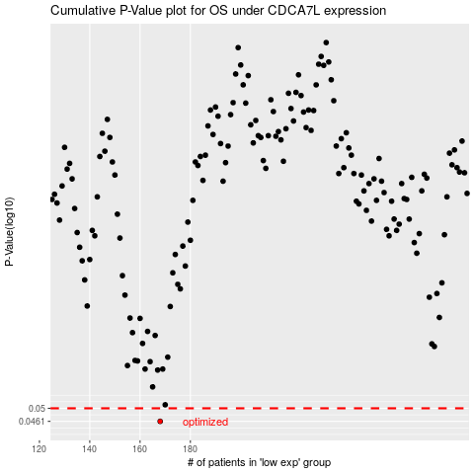

 |  |  |  |  |  | cases_OS | p_OS | rank | exp
 |  |  |  |  |  | 168 | 0.0461 | 257 | -0.34989590598
 |  |  |  |  |  |  | cases_RFS | p_RFS | rank | exp
 |  |  |  |  |  |  | 167 | 0.0461 | 63 | -0.35758923521

