CDCA8 _multivariate
Reported by Tex Li-Hsing Chi. tex@gate.sinica.edu.tw 2019-08-21

Table 2. The clinicopathological features of HNSCC cohort and CDCA8 expression. (Chi square test)
Cutoff at -0.045 (49.8%)
 |  | CDCA8 expression |  | CDCA8 expression |  | (Optimised)
 | Features | Low | (%) | High | (%) | Case no | P-value | Remark | Matthews
Gender | Female | 149 | 35.9 | 157 | 37.8 | 415 | 0.4848 | 0 | 0
2 | Male | 58 | 14 | 51 | 12.3
Age at diagnosis | <=65y | 129 | 31.1 | 145 | 34.9 | 415 | 0.1372 | 0 | 0
4 | >65y | 78 | 18.8 | 63 | 15.2
Clinical T Status | T1+T2 | 76 | 18.3 | 73 | 17.6 | 415 | 0.8092 | 0 | 0
6 | T3+T4 | 131 | 31.6 | 135 | 32.5
Clinical N Status | N0 | 119 | 28.7 | 97 | 23.4 | 415 | 0.0345 | 1 | 0
8 | N1-3 | 88 | 21.2 | 111 | 26.7
Clinical M Status | M0 | 207 | 49.9 | 205 | 49.4 | 415 | 0.2482 | 0 | 0
10 | M1 | 0 | 0 | 3 | 0.7
Clinical Stage | Stage I+II | 53 | 12.8 | 49 | 11.8 | 415 | 0.7113 | 0 | 0
12 | Stage III+IV | 154 | 37.1 | 159 | 38.3
Surgical Margin status | Negative | 158 | 38.1 | 160 | 38.6 | 415 | 0.9081 | 0 | 0
14 | Positive | 49 | 11.8 | 48 | 11.6
Tobacco Exposure | Low | 92 | 22.2 | 69 | 16.6 | 415 | 0.0206 | 1 | 0
16 | High | 115 | 27.7 | 139 | 33.5

Table 3. Univariate/Multivariate Cox's proportional hazards regression analyses on OS time of CDCA8 gene expression in HNSCC

 |  | Univariate |  |  |  | Multivariate
 | Features | HR | CI95%(L) | CI95%(H) | P-value | HR | CI95%(L) | CI95%(H) | P-value
1 | Female | 1 |  |  |  | 1
Gender | Male | 1.157 | 0.843 | 1.587 | 0.367 | 1.202 | 0.86 | 1.68 | 0.28
11 | <=65y | 1 |  |  |  | 1
Age at diagnosis | >65y | 1.329 | 0.99 | 1.784 | 0.058 | 1.393 | 1.024 | 1.894 | 0.035
12 | T1+T2 | 1 |  |  |  | 1
Clinical T Status | T3+T4 | 1.409 | 1.028 | 1.931 | 0.033 | 2.194 | 1.16 | 4.147 | 0.016
13 | N0 | 1 |  |  |  | 1
Clinical N Status | N1-3 | 1.185 | 0.89 | 1.577 | 0.246 | 1.226 | 0.858 | 1.752 | 0.262
14 | M0 | 1 |  |  |  | 1
Clinical M Status | M1 | 4.097 | 1.009 | 16.644 | 0.049 | 8.941 | 1.94 | 41.21 | 0.005
15 | Stage I+II | 1 |  |  |  | 1
Clinical Stage | Stage III+IV | 1.245 | 0.882 | 1.759 | 0.213 | 0.507 | 0.236 | 1.088 | 0.081
16 | Negative | 1 |  |  |  | 1
Surgical Margin status | Positive | 1.591 | 1.155 | 2.191 | 0.004 | 1.684 | 1.218 | 2.327 | 0.002
17 | Low | 1 |  |  |  | 1
Tobacco Exposure | High | 1.364 | 1.008 | 1.844 | 0.044 | 1.447 | 1.049 | 1.995 | 0.024
18 | Low | 1 |  |  |  | 1
RNAseq(z-score) | High | 1.148 | 0.862 | 1.53 | 0.345 | 1.118 | 0.835 | 1.497 | 0.455

Table 4. Univariate/Multivariate Cox's proportional hazards regression analyses on RFS time of CDCA8 gene expression in HNSCC

 |  | Univariate |  |  |  | Multivariate
 | Features | HR | CI95%(L) | CI95%(H) | P-value | HR | CI95%(L) | CI95%(H) | P-value
1 | Female | 1 |  |  |  | 1
Gender | Male | 1.157 | 0.843 | 1.587 | 0.367 | 1.202 | 0.86 | 1.68 | 0.28
11 | <=65y | 1 |  |  |  | 1
Age at diagnosis | >65y | 1.329 | 0.99 | 1.784 | 0.058 | 1.393 | 1.024 | 1.894 | 0.035
12 | T1+T2 | 1 |  |  |  | 1
Clinical T Status | T3+T4 | 1.409 | 1.028 | 1.931 | 0.033 | 2.194 | 1.16 | 4.147 | 0.016
13 | N0 | 1 |  |  |  | 1
Clinical N Status | N1-3 | 1.185 | 0.89 | 1.577 | 0.246 | 1.226 | 0.858 | 1.752 | 0.262
14 | M0 | 1 |  |  |  | 1
Clinical M Status | M1 | 4.097 | 1.009 | 16.644 | 0.049 | 8.941 | 1.94 | 41.21 | 0.005
15 | Stage I+II | 1 |  |  |  | 1
Clinical Stage | Stage III+IV | 1.245 | 0.882 | 1.759 | 0.213 | 0.507 | 0.236 | 1.088 | 0.081
16 | Negative | 1 |  |  |  | 1
Surgical Margin status | Positive | 1.591 | 1.155 | 2.191 | 0.004 | 1.684 | 1.218 | 2.327 | 0.002
17 | Low | 1 |  |  |  | 1
Tobacco Exposure | High | 1.364 | 1.008 | 1.844 | 0.044 | 1.447 | 1.049 | 1.995 | 0.024
18 | Low | 1 |  |  |  | 1
RNAseq(z-score) | High | 1.148 | 0.862 | 1.53 | 0.345 | 1.118 | 0.835 | 1.497 | 0.455

Kaplan-Meier survival estimate: Cutoff at -0.045 (49.8%)



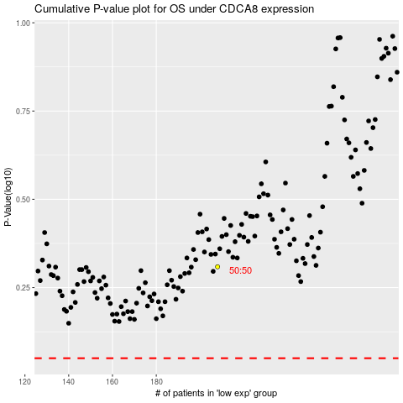

 |  |  |  |  |  | cases_OS | p_OS | rank | exp
 |  |  |  |  |  |  | cases_RFS | p_RFS | rank | exp

