CDH11 _multivariate
Reported by Tex Li-Hsing Chi. tex@gate.sinica.edu.tw 2019-08-21

Table 2. The clinicopathological features of HNSCC cohort and CDH11 expression. (Chi square test)
Cutoff at -0.261 (49.8%)
 |  | CDH11 expression |  | CDH11 expression |  | (Optimised)
 | Features | Low | (%) | High | (%) | Case no | P-value | Remark | Matthews
Gender | Female | 155 | 37.3 | 151 | 36.4 | 415 | 0.6768 | 0 | 0
2 | Male | 52 | 12.5 | 57 | 13.7
Age at diagnosis | <=65y | 140 | 33.7 | 134 | 32.3 | 415 | 0.5574 | 0 | 0
4 | >65y | 67 | 16.1 | 74 | 17.8
Clinical T Status | T1+T2 | 80 | 19.3 | 69 | 16.6 | 415 | 0.2891 | 0 | 0
6 | T3+T4 | 127 | 30.6 | 139 | 33.5
Clinical N Status | N0 | 104 | 25.1 | 112 | 27 | 415 | 0.5243 | 0 | 0
8 | N1-3 | 103 | 24.8 | 96 | 23.1
Clinical M Status | M0 | 204 | 49.2 | 208 | 50.1 | 415 | 0.1232 | 0 | 0
10 | M1 | 3 | 0.7 | 0 | 0
Clinical Stage | Stage I+II | 48 | 11.6 | 54 | 13 | 415 | 0.5878 | 0 | 0
12 | Stage III+IV | 159 | 38.3 | 154 | 37.1
Surgical Margin status | Negative | 158 | 38.1 | 160 | 38.6 | 415 | 0.9081 | 0 | 0
14 | Positive | 49 | 11.8 | 48 | 11.6
Tobacco Exposure | Low | 88 | 21.2 | 73 | 17.6 | 415 | 0.1314 | 0 | 0
16 | High | 119 | 28.7 | 135 | 32.5

Table 3. Univariate/Multivariate Cox's proportional hazards regression analyses on OS time of CDH11 gene expression in HNSCC

 |  | Univariate |  |  |  | Multivariate
 | Features | HR | CI95%(L) | CI95%(H) | P-value | HR | CI95%(L) | CI95%(H) | P-value
1 | Female | 1 |  |  |  | 1
Gender | Male | 1.157 | 0.843 | 1.587 | 0.367 | 1.206 | 0.864 | 1.683 | 0.272
11 | <=65y | 1 |  |  |  | 1
Age at diagnosis | >65y | 1.329 | 0.99 | 1.784 | 0.058 | 1.391 | 1.023 | 1.89 | 0.035
12 | T1+T2 | 1 |  |  |  | 1
Clinical T Status | T3+T4 | 1.409 | 1.028 | 1.931 | 0.033 | 2.13 | 1.122 | 4.041 | 0.021
13 | N0 | 1 |  |  |  | 1
Clinical N Status | N1-3 | 1.185 | 0.89 | 1.577 | 0.246 | 1.24 | 0.87 | 1.77 | 0.234
14 | M0 | 1 |  |  |  | 1
Clinical M Status | M1 | 4.097 | 1.009 | 16.644 | 0.049 | 9.866 | 2.145 | 45.371 | 0.003
15 | Stage I+II | 1 |  |  |  | 1
Clinical Stage | Stage III+IV | 1.245 | 0.882 | 1.759 | 0.213 | 0.519 | 0.241 | 1.117 | 0.094
16 | Negative | 1 |  |  |  | 1
Surgical Margin status | Positive | 1.591 | 1.155 | 2.191 | 0.004 | 1.681 | 1.216 | 2.323 | 0.002
17 | Low | 1 |  |  |  | 1
Tobacco Exposure | High | 1.364 | 1.008 | 1.844 | 0.044 | 1.442 | 1.047 | 1.987 | 0.025
18 | Low | 1 |  |  |  | 1
RNAseq(z-score) | High | 1.174 | 0.88 | 1.567 | 0.275 | 1.154 | 0.86 | 1.549 | 0.339

Table 4. Univariate/Multivariate Cox's proportional hazards regression analyses on RFS time of CDH11 gene expression in HNSCC

 |  | Univariate |  |  |  | Multivariate
 | Features | HR | CI95%(L) | CI95%(H) | P-value | HR | CI95%(L) | CI95%(H) | P-value
1 | Female | 1 |  |  |  | 1
Gender | Male | 1.157 | 0.843 | 1.587 | 0.367 | 1.206 | 0.864 | 1.683 | 0.272
11 | <=65y | 1 |  |  |  | 1
Age at diagnosis | >65y | 1.329 | 0.99 | 1.784 | 0.058 | 1.391 | 1.023 | 1.89 | 0.035
12 | T1+T2 | 1 |  |  |  | 1
Clinical T Status | T3+T4 | 1.409 | 1.028 | 1.931 | 0.033 | 2.13 | 1.122 | 4.041 | 0.021
13 | N0 | 1 |  |  |  | 1
Clinical N Status | N1-3 | 1.185 | 0.89 | 1.577 | 0.246 | 1.24 | 0.87 | 1.77 | 0.234
14 | M0 | 1 |  |  |  | 1
Clinical M Status | M1 | 4.097 | 1.009 | 16.644 | 0.049 | 9.866 | 2.145 | 45.371 | 0.003
15 | Stage I+II | 1 |  |  |  | 1
Clinical Stage | Stage III+IV | 1.245 | 0.882 | 1.759 | 0.213 | 0.519 | 0.241 | 1.117 | 0.094
16 | Negative | 1 |  |  |  | 1
Surgical Margin status | Positive | 1.591 | 1.155 | 2.191 | 0.004 | 1.681 | 1.216 | 2.323 | 0.002
17 | Low | 1 |  |  |  | 1
Tobacco Exposure | High | 1.364 | 1.008 | 1.844 | 0.044 | 1.442 | 1.047 | 1.987 | 0.025
18 | Low | 1 |  |  |  | 1
RNAseq(z-score) | High | 1.174 | 0.88 | 1.567 | 0.275 | 1.154 | 0.86 | 1.549 | 0.339

Kaplan-Meier survival estimate: Cutoff at -0.261 (49.8%)

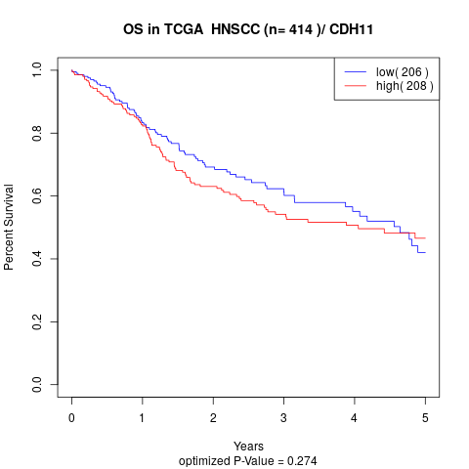

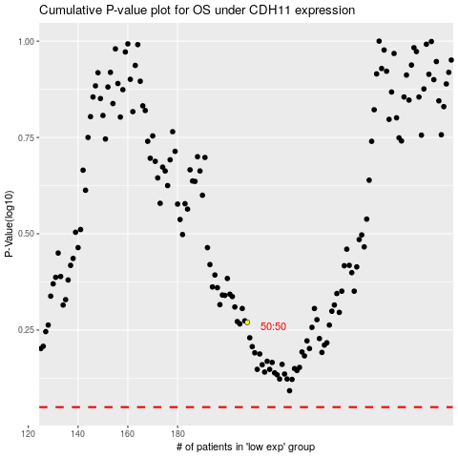

 |  |  |  |  |  | cases_OS | p_OS | rank | exp
 |  |  |  |  |  |  | cases_RFS | p_RFS | rank | exp

