CDH17 _multivariate
Reported by Tex Li-Hsing Chi. tex@gate.sinica.edu.tw 2019-08-21

Table 2. The clinicopathological features of HNSCC cohort and CDH17 expression. (Chi square test)
Cutoff at -0.354 (50.0%)
 |  | CDH17 expression |  | CDH17 expression |  | (Optimised)
 | Features | Low | (%) | High | (%) | Case no | P-value | Remark | Matthews
Gender | Female | 151 | 36.4 | 155 | 37.3 | 415 | 0.8007 | 0 | 0
2 | Male | 56 | 13.5 | 53 | 12.8
Age at diagnosis | <=65y | 128 | 30.8 | 146 | 35.2 | 415 | 0.0904 | 0 | 0
4 | >65y | 79 | 19 | 62 | 14.9
Clinical T Status | T1+T2 | 59 | 14.2 | 90 | 21.7 | 415 | 0.0024 | 1 | 0
6 | T3+T4 | 148 | 35.7 | 118 | 28.4
Clinical N Status | N0 | 109 | 26.3 | 107 | 25.8 | 415 | 0.8812 | 0 | 0
8 | N1-3 | 98 | 23.6 | 101 | 24.3
Clinical M Status | M0 | 204 | 49.2 | 208 | 50.1 | 415 | 0.1232 | 0 | 0
10 | M1 | 3 | 0.7 | 0 | 0
Clinical Stage | Stage I+II | 41 | 9.9 | 61 | 14.7 | 415 | 0.0325 | 1 | 0
12 | Stage III+IV | 166 | 40 | 147 | 35.4
Surgical Margin status | Negative | 157 | 37.8 | 161 | 38.8 | 415 | 0.729 | 0 | 0
14 | Positive | 50 | 12 | 47 | 11.3
Tobacco Exposure | Low | 85 | 20.5 | 76 | 18.3 | 415 | 0.3655 | 0 | 0
16 | High | 122 | 29.4 | 132 | 31.8

Table 3. Univariate/Multivariate Cox's proportional hazards regression analyses on OS time of CDH17 gene expression in HNSCC

 |  | Univariate |  |  |  | Multivariate
 | Features | HR | CI95%(L) | CI95%(H) | P-value | HR | CI95%(L) | CI95%(H) | P-value
1 | Female | 1 |  |  |  | 1
Gender | Male | 1.157 | 0.843 | 1.587 | 0.367 | 1.194 | 0.853 | 1.67 | 0.301
11 | <=65y | 1 |  |  |  | 1
Age at diagnosis | >65y | 1.329 | 0.99 | 1.784 | 0.058 | 1.38 | 1.014 | 1.876 | 0.04
12 | T1+T2 | 1 |  |  |  | 1
Clinical T Status | T3+T4 | 1.409 | 1.028 | 1.931 | 0.033 | 2.138 | 1.128 | 4.052 | 0.02
13 | N0 | 1 |  |  |  | 1
Clinical N Status | N1-3 | 1.185 | 0.89 | 1.577 | 0.246 | 1.258 | 0.88 | 1.798 | 0.208
14 | M0 | 1 |  |  |  | 1
Clinical M Status | M1 | 4.097 | 1.009 | 16.644 | 0.049 | 8.478 | 1.828 | 39.328 | 0.006
15 | Stage I+II | 1 |  |  |  | 1
Clinical Stage | Stage III+IV | 1.245 | 0.882 | 1.759 | 0.213 | 0.502 | 0.234 | 1.078 | 0.077
16 | Negative | 1 |  |  |  | 1
Surgical Margin status | Positive | 1.591 | 1.155 | 2.191 | 0.004 | 1.69 | 1.223 | 2.337 | 0.001
17 | Low | 1 |  |  |  | 1
Tobacco Exposure | High | 1.364 | 1.008 | 1.844 | 0.044 | 1.465 | 1.062 | 2.02 | 0.02
18 | Low | 1 |  |  |  | 1
RNAseq(z-score) | High | 0.818 | 0.614 | 1.09 | 0.17 | 0.856 | 0.637 | 1.149 | 0.301

Table 4. Univariate/Multivariate Cox's proportional hazards regression analyses on RFS time of CDH17 gene expression in HNSCC

 |  | Univariate |  |  |  | Multivariate
 | Features | HR | CI95%(L) | CI95%(H) | P-value | HR | CI95%(L) | CI95%(H) | P-value
1 | Female | 1 |  |  |  | 1
Gender | Male | 1.157 | 0.843 | 1.587 | 0.367 | 1.194 | 0.853 | 1.67 | 0.301
11 | <=65y | 1 |  |  |  | 1
Age at diagnosis | >65y | 1.329 | 0.99 | 1.784 | 0.058 | 1.38 | 1.014 | 1.876 | 0.04
12 | T1+T2 | 1 |  |  |  | 1
Clinical T Status | T3+T4 | 1.409 | 1.028 | 1.931 | 0.033 | 2.138 | 1.128 | 4.052 | 0.02
13 | N0 | 1 |  |  |  | 1
Clinical N Status | N1-3 | 1.185 | 0.89 | 1.577 | 0.246 | 1.258 | 0.88 | 1.798 | 0.208
14 | M0 | 1 |  |  |  | 1
Clinical M Status | M1 | 4.097 | 1.009 | 16.644 | 0.049 | 8.478 | 1.828 | 39.328 | 0.006
15 | Stage I+II | 1 |  |  |  | 1
Clinical Stage | Stage III+IV | 1.245 | 0.882 | 1.759 | 0.213 | 0.502 | 0.234 | 1.078 | 0.077
16 | Negative | 1 |  |  |  | 1
Surgical Margin status | Positive | 1.591 | 1.155 | 2.191 | 0.004 | 1.69 | 1.223 | 2.337 | 0.001
17 | Low | 1 |  |  |  | 1
Tobacco Exposure | High | 1.364 | 1.008 | 1.844 | 0.044 | 1.465 | 1.062 | 2.02 | 0.02
18 | Low | 1 |  |  |  | 1
RNAseq(z-score) | High | 0.818 | 0.614 | 1.09 | 0.17 | 0.856 | 0.637 | 1.149 | 0.301

Kaplan-Meier survival estimate: Cutoff at -0.354 (50.0%)



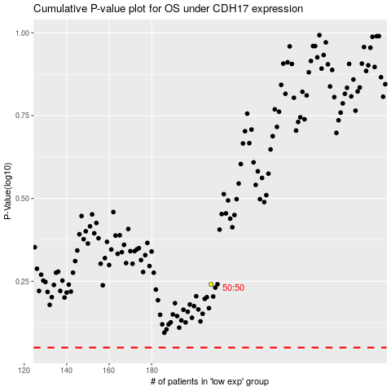

 |  |  |  |  |  | cases_OS | p_OS | rank | exp
 |  |  |  |  |  |  | cases_RFS | p_RFS | rank | exp

