CDH22 _multivariate
Reported by Tex Li-Hsing Chi. tex@gate.sinica.edu.tw 2019-08-21

Table 2. The clinicopathological features of HNSCC cohort and CDH22 expression. (Chi square test)
Cutoff at -0.353 (50.0%)
 |  | CDH22 expression |  | CDH22 expression |  | (Optimised)
 | Features | Low | (%) | High | (%) | Case no | P-value | Remark | Matthews
Gender | Female | 153 | 36.9 | 153 | 36.9 | 415 | 1 | 0 | 0
2 | Male | 54 | 13 | 55 | 13.3
Age at diagnosis | <=65y | 128 | 30.8 | 146 | 35.2 | 415 | 0.0904 | 0 | 0
4 | >65y | 79 | 19 | 62 | 14.9
Clinical T Status | T1+T2 | 67 | 16.1 | 82 | 19.8 | 415 | 0.1628 | 0 | 0
6 | T3+T4 | 140 | 33.7 | 126 | 30.4
Clinical N Status | N0 | 113 | 27.2 | 103 | 24.8 | 415 | 0.3495 | 1 | 0
8 | N1-3 | 94 | 22.7 | 105 | 25.3
Clinical M Status | M0 | 204 | 49.2 | 208 | 50.1 | 415 | 0.1232 | 0 | 0
10 | M1 | 3 | 0.7 | 0 | 0
Clinical Stage | Stage I+II | 45 | 10.8 | 57 | 13.7 | 415 | 0.2202 | 0 | 0
12 | Stage III+IV | 162 | 39 | 151 | 36.4
Surgical Margin status | Negative | 165 | 39.8 | 153 | 36.9 | 415 | 0.1639 | 0 | 0
14 | Positive | 42 | 10.1 | 55 | 13.3
Tobacco Exposure | Low | 85 | 20.5 | 76 | 18.3 | 415 | 0.3655 | 0 | 0
16 | High | 122 | 29.4 | 132 | 31.8

Table 3. Univariate/Multivariate Cox's proportional hazards regression analyses on OS time of CDH22 gene expression in HNSCC

 |  | Univariate |  |  |  | Multivariate
 | Features | HR | CI95%(L) | CI95%(H) | P-value | HR | CI95%(L) | CI95%(H) | P-value
1 | Female | 1 |  |  |  | 1
Gender | Male | 1.157 | 0.843 | 1.587 | 0.367 | 1.202 | 0.86 | 1.679 | 0.281
11 | <=65y | 1 |  |  |  | 1
Age at diagnosis | >65y | 1.329 | 0.99 | 1.784 | 0.058 | 1.403 | 1.03 | 1.91 | 0.032
12 | T1+T2 | 1 |  |  |  | 1
Clinical T Status | T3+T4 | 1.409 | 1.028 | 1.931 | 0.033 | 2.207 | 1.167 | 4.174 | 0.015
13 | N0 | 1 |  |  |  | 1
Clinical N Status | N1-3 | 1.185 | 0.89 | 1.577 | 0.246 | 1.232 | 0.862 | 1.759 | 0.252
14 | M0 | 1 |  |  |  | 1
Clinical M Status | M1 | 4.097 | 1.009 | 16.644 | 0.049 | 9.801 | 2.118 | 45.362 | 0.004
15 | Stage I+II | 1 |  |  |  | 1
Clinical Stage | Stage III+IV | 1.245 | 0.882 | 1.759 | 0.213 | 0.509 | 0.237 | 1.094 | 0.084
16 | Negative | 1 |  |  |  | 1
Surgical Margin status | Positive | 1.591 | 1.155 | 2.191 | 0.004 | 1.656 | 1.196 | 2.293 | 0.002
17 | Low | 1 |  |  |  | 1
Tobacco Exposure | High | 1.364 | 1.008 | 1.844 | 0.044 | 1.448 | 1.051 | 1.995 | 0.024
18 | Low | 1 |  |  |  | 1
RNAseq(z-score) | High | 1.072 | 0.805 | 1.428 | 0.635 | 1.075 | 0.8 | 1.444 | 0.633

Table 4. Univariate/Multivariate Cox's proportional hazards regression analyses on RFS time of CDH22 gene expression in HNSCC

 |  | Univariate |  |  |  | Multivariate
 | Features | HR | CI95%(L) | CI95%(H) | P-value | HR | CI95%(L) | CI95%(H) | P-value
1 | Female | 1 |  |  |  | 1
Gender | Male | 1.157 | 0.843 | 1.587 | 0.367 | 1.202 | 0.86 | 1.679 | 0.281
11 | <=65y | 1 |  |  |  | 1
Age at diagnosis | >65y | 1.329 | 0.99 | 1.784 | 0.058 | 1.403 | 1.03 | 1.91 | 0.032
12 | T1+T2 | 1 |  |  |  | 1
Clinical T Status | T3+T4 | 1.409 | 1.028 | 1.931 | 0.033 | 2.207 | 1.167 | 4.174 | 0.015
13 | N0 | 1 |  |  |  | 1
Clinical N Status | N1-3 | 1.185 | 0.89 | 1.577 | 0.246 | 1.232 | 0.862 | 1.759 | 0.252
14 | M0 | 1 |  |  |  | 1
Clinical M Status | M1 | 4.097 | 1.009 | 16.644 | 0.049 | 9.801 | 2.118 | 45.362 | 0.004
15 | Stage I+II | 1 |  |  |  | 1
Clinical Stage | Stage III+IV | 1.245 | 0.882 | 1.759 | 0.213 | 0.509 | 0.237 | 1.094 | 0.084
16 | Negative | 1 |  |  |  | 1
Surgical Margin status | Positive | 1.591 | 1.155 | 2.191 | 0.004 | 1.656 | 1.196 | 2.293 | 0.002
17 | Low | 1 |  |  |  | 1
Tobacco Exposure | High | 1.364 | 1.008 | 1.844 | 0.044 | 1.448 | 1.051 | 1.995 | 0.024
18 | Low | 1 |  |  |  | 1
RNAseq(z-score) | High | 1.072 | 0.805 | 1.428 | 0.635 | 1.075 | 0.8 | 1.444 | 0.633

Kaplan-Meier survival estimate: Cutoff at -0.353 (50.0%)



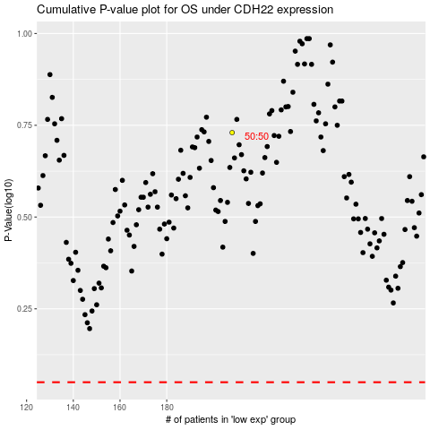

 |  |  |  |  |  | cases_OS | p_OS | rank | exp
 |  |  |  |  |  |  | cases_RFS | p_RFS | rank | exp

