CDH3 _multivariate
Reported by Tex Li-Hsing Chi. tex@gate.sinica.edu.tw 2019-08-21

Table 2. The clinicopathological features of HNSCC cohort and CDH3 expression. (Chi square test)
Cutoff at 0.078 (50.0%)
 |  | CDH3 expression |  | CDH3 expression |  | (Optimised)
 | Features | Low | (%) | High | (%) | Case no | P-value | Remark | Matthews
Gender | Female | 162 | 39 | 144 | 34.7 | 415 | 0.0479 | 1 | 0
2 | Male | 45 | 10.8 | 64 | 15.4
Age at diagnosis | <=65y | 136 | 32.8 | 138 | 33.3 | 415 | 0.9719 | 0 | 0
4 | >65y | 71 | 17.1 | 70 | 16.9
Clinical T Status | T1+T2 | 74 | 17.8 | 75 | 18.1 | 415 | 1 | 0 | 0
6 | T3+T4 | 133 | 32 | 133 | 32
Clinical N Status | N0 | 102 | 24.6 | 114 | 27.5 | 415 | 0.3031 | 0 | 0
8 | N1-3 | 105 | 25.3 | 94 | 22.7
Clinical M Status | M0 | 206 | 49.6 | 206 | 49.6 | 415 | 1 | 0 | 0
10 | M1 | 1 | 0.2 | 2 | 0.5
Clinical Stage | Stage I+II | 43 | 10.4 | 59 | 14.2 | 415 | 0.0925 | 0 | 0
12 | Stage III+IV | 164 | 39.5 | 149 | 35.9
Surgical Margin status | Negative | 157 | 37.8 | 161 | 38.8 | 415 | 0.729 | 0 | 0
14 | Positive | 50 | 12 | 47 | 11.3
Tobacco Exposure | Low | 65 | 15.7 | 96 | 23.1 | 415 | 0.0025 | 1 | 0
16 | High | 142 | 34.2 | 112 | 27

Table 3. Univariate/Multivariate Cox's proportional hazards regression analyses on OS time of CDH3 gene expression in HNSCC

 |  | Univariate |  |  |  | Multivariate
 | Features | HR | CI95%(L) | CI95%(H) | P-value | HR | CI95%(L) | CI95%(H) | P-value
1 | Female | 1 |  |  |  | 1
Gender | Male | 1.157 | 0.843 | 1.587 | 0.367 | 1.193 | 0.852 | 1.669 | 0.304
11 | <=65y | 1 |  |  |  | 1
Age at diagnosis | >65y | 1.329 | 0.99 | 1.784 | 0.058 | 1.428 | 1.048 | 1.946 | 0.024
12 | T1+T2 | 1 |  |  |  | 1
Clinical T Status | T3+T4 | 1.409 | 1.028 | 1.931 | 0.033 | 2.084 | 1.098 | 3.955 | 0.025
13 | N0 | 1 |  |  |  | 1
Clinical N Status | N1-3 | 1.185 | 0.89 | 1.577 | 0.246 | 1.262 | 0.884 | 1.801 | 0.2
14 | M0 | 1 |  |  |  | 1
Clinical M Status | M1 | 4.097 | 1.009 | 16.644 | 0.049 | 8.237 | 1.784 | 38.024 | 0.007
15 | Stage I+II | 1 |  |  |  | 1
Clinical Stage | Stage III+IV | 1.245 | 0.882 | 1.759 | 0.213 | 0.539 | 0.25 | 1.162 | 0.115
16 | Negative | 1 |  |  |  | 1
Surgical Margin status | Positive | 1.591 | 1.155 | 2.191 | 0.004 | 1.674 | 1.211 | 2.314 | 0.002
17 | Low | 1 |  |  |  | 1
Tobacco Exposure | High | 1.364 | 1.008 | 1.844 | 0.044 | 1.53 | 1.102 | 2.125 | 0.011
18 | Low | 1 |  |  |  | 1
RNAseq(z-score) | High | 1.234 | 0.926 | 1.645 | 0.151 | 1.307 | 0.971 | 1.76 | 0.077

Table 4. Univariate/Multivariate Cox's proportional hazards regression analyses on RFS time of CDH3 gene expression in HNSCC

 |  | Univariate |  |  |  | Multivariate
 | Features | HR | CI95%(L) | CI95%(H) | P-value | HR | CI95%(L) | CI95%(H) | P-value
1 | Female | 1 |  |  |  | 1
Gender | Male | 1.157 | 0.843 | 1.587 | 0.367 | 1.193 | 0.852 | 1.669 | 0.304
11 | <=65y | 1 |  |  |  | 1
Age at diagnosis | >65y | 1.329 | 0.99 | 1.784 | 0.058 | 1.428 | 1.048 | 1.946 | 0.024
12 | T1+T2 | 1 |  |  |  | 1
Clinical T Status | T3+T4 | 1.409 | 1.028 | 1.931 | 0.033 | 2.084 | 1.098 | 3.955 | 0.025
13 | N0 | 1 |  |  |  | 1
Clinical N Status | N1-3 | 1.185 | 0.89 | 1.577 | 0.246 | 1.262 | 0.884 | 1.801 | 0.2
14 | M0 | 1 |  |  |  | 1
Clinical M Status | M1 | 4.097 | 1.009 | 16.644 | 0.049 | 8.237 | 1.784 | 38.024 | 0.007
15 | Stage I+II | 1 |  |  |  | 1
Clinical Stage | Stage III+IV | 1.245 | 0.882 | 1.759 | 0.213 | 0.539 | 0.25 | 1.162 | 0.115
16 | Negative | 1 |  |  |  | 1
Surgical Margin status | Positive | 1.591 | 1.155 | 2.191 | 0.004 | 1.674 | 1.211 | 2.314 | 0.002
17 | Low | 1 |  |  |  | 1
Tobacco Exposure | High | 1.364 | 1.008 | 1.844 | 0.044 | 1.53 | 1.102 | 2.125 | 0.011
18 | Low | 1 |  |  |  | 1
RNAseq(z-score) | High | 1.234 | 0.926 | 1.645 | 0.151 | 1.307 | 0.971 | 1.76 | 0.077

Kaplan-Meier survival estimate: Cutoff at 0.078 (50.0%)



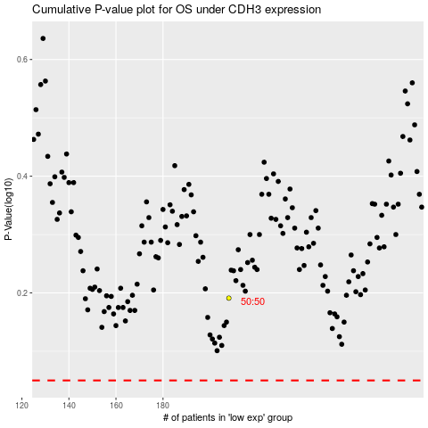

 |  |  |  |  |  | cases_OS | p_OS | rank | exp
 |  |  |  |  |  |  | cases_RFS | p_RFS | rank | exp

