CDH4 _multivariate
Reported by Tex Li-Hsing Chi. tex@gate.sinica.edu.tw 2019-08-21

Table 2. The clinicopathological features of HNSCC cohort and CDH4 expression. (Chi square test)
Cutoff at -0.351 (49.8%)
 |  | CDH4 expression |  | CDH4 expression |  | (Optimised)
 | Features | Low | (%) | High | (%) | Case no | P-value | Remark | Matthews
Gender | Female | 142 | 34.2 | 164 | 39.5 | 415 | 0.0238 | 1 | 0
2 | Male | 65 | 15.7 | 44 | 10.6
Age at diagnosis | <=65y | 122 | 29.4 | 152 | 36.6 | 415 | 0.0033 | 1 | 0
4 | >65y | 85 | 20.5 | 56 | 13.5
Clinical T Status | T1+T2 | 78 | 18.8 | 71 | 17.1 | 415 | 0.5152 | 0 | 0
6 | T3+T4 | 129 | 31.1 | 137 | 33
Clinical N Status | N0 | 111 | 26.7 | 105 | 25.3 | 415 | 0.5875 | 0 | 0
8 | N1-3 | 96 | 23.1 | 103 | 24.8
Clinical M Status | M0 | 205 | 49.4 | 207 | 49.9 | 415 | 0.6232 | 0 | 0
10 | M1 | 2 | 0.5 | 1 | 0.2
Clinical Stage | Stage I+II | 51 | 12.3 | 51 | 12.3 | 415 | 1 | 0 | 0
12 | Stage III+IV | 156 | 37.6 | 157 | 37.8
Surgical Margin status | Negative | 158 | 38.1 | 160 | 38.6 | 415 | 0.9081 | 0 | 0
14 | Positive | 49 | 11.8 | 48 | 11.6
Tobacco Exposure | Low | 94 | 22.7 | 67 | 16.1 | 415 | 0.0065 | 1 | 0
16 | High | 113 | 27.2 | 141 | 34

Table 3. Univariate/Multivariate Cox's proportional hazards regression analyses on OS time of CDH4 gene expression in HNSCC

 |  | Univariate |  |  |  | Multivariate
 | Features | HR | CI95%(L) | CI95%(H) | P-value | HR | CI95%(L) | CI95%(H) | P-value
1 | Female | 1 |  |  |  | 1
Gender | Male | 1.157 | 0.843 | 1.587 | 0.367 | 1.17 | 0.836 | 1.637 | 0.361
11 | <=65y | 1 |  |  |  | 1
Age at diagnosis | >65y | 1.329 | 0.99 | 1.784 | 0.058 | 1.344 | 0.986 | 1.833 | 0.061
12 | T1+T2 | 1 |  |  |  | 1
Clinical T Status | T3+T4 | 1.409 | 1.028 | 1.931 | 0.033 | 2.257 | 1.193 | 4.271 | 0.012
13 | N0 | 1 |  |  |  | 1
Clinical N Status | N1-3 | 1.185 | 0.89 | 1.577 | 0.246 | 1.232 | 0.864 | 1.756 | 0.25
14 | M0 | 1 |  |  |  | 1
Clinical M Status | M1 | 4.097 | 1.009 | 16.644 | 0.049 | 9.32 | 2.033 | 42.736 | 0.004
15 | Stage I+II | 1 |  |  |  | 1
Clinical Stage | Stage III+IV | 1.245 | 0.882 | 1.759 | 0.213 | 0.488 | 0.227 | 1.048 | 0.066
16 | Negative | 1 |  |  |  | 1
Surgical Margin status | Positive | 1.591 | 1.155 | 2.191 | 0.004 | 1.694 | 1.225 | 2.343 | 0.001
17 | Low | 1 |  |  |  | 1
Tobacco Exposure | High | 1.364 | 1.008 | 1.844 | 0.044 | 1.492 | 1.08 | 2.06 | 0.015
18 | Low | 1 |  |  |  | 1
RNAseq(z-score) | High | 0.812 | 0.61 | 1.082 | 0.156 | 0.8 | 0.594 | 1.077 | 0.141

Table 4. Univariate/Multivariate Cox's proportional hazards regression analyses on RFS time of CDH4 gene expression in HNSCC

 |  | Univariate |  |  |  | Multivariate
 | Features | HR | CI95%(L) | CI95%(H) | P-value | HR | CI95%(L) | CI95%(H) | P-value
1 | Female | 1 |  |  |  | 1
Gender | Male | 1.157 | 0.843 | 1.587 | 0.367 | 1.17 | 0.836 | 1.637 | 0.361
11 | <=65y | 1 |  |  |  | 1
Age at diagnosis | >65y | 1.329 | 0.99 | 1.784 | 0.058 | 1.344 | 0.986 | 1.833 | 0.061
12 | T1+T2 | 1 |  |  |  | 1
Clinical T Status | T3+T4 | 1.409 | 1.028 | 1.931 | 0.033 | 2.257 | 1.193 | 4.271 | 0.012
13 | N0 | 1 |  |  |  | 1
Clinical N Status | N1-3 | 1.185 | 0.89 | 1.577 | 0.246 | 1.232 | 0.864 | 1.756 | 0.25
14 | M0 | 1 |  |  |  | 1
Clinical M Status | M1 | 4.097 | 1.009 | 16.644 | 0.049 | 9.32 | 2.033 | 42.736 | 0.004
15 | Stage I+II | 1 |  |  |  | 1
Clinical Stage | Stage III+IV | 1.245 | 0.882 | 1.759 | 0.213 | 0.488 | 0.227 | 1.048 | 0.066
16 | Negative | 1 |  |  |  | 1
Surgical Margin status | Positive | 1.591 | 1.155 | 2.191 | 0.004 | 1.694 | 1.225 | 2.343 | 0.001
17 | Low | 1 |  |  |  | 1
Tobacco Exposure | High | 1.364 | 1.008 | 1.844 | 0.044 | 1.492 | 1.08 | 2.06 | 0.015
18 | Low | 1 |  |  |  | 1
RNAseq(z-score) | High | 0.812 | 0.61 | 1.082 | 0.156 | 0.8 | 0.594 | 1.077 | 0.141

Kaplan-Meier survival estimate: Cutoff at -0.351 (49.8%)



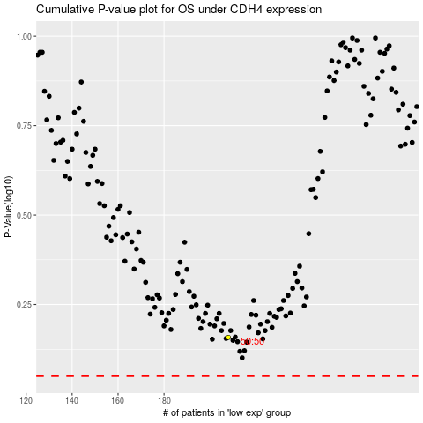

 |  |  |  |  |  | cases_OS | p_OS | rank | exp
 |  |  |  |  |  |  | cases_RFS | p_RFS | rank | exp

