CDH6 _multivariate
Reported by Tex Li-Hsing Chi. tex@gate.sinica.edu.tw 2019-08-21

Table 2. The clinicopathological features of HNSCC cohort and CDH6 expression. (Chi square test)
Cutoff at -0.137 (48.1%)
 |  | CDH6 expression |  | CDH6 expression |  | (Optimised)
 | Features | Low | (%) | High | (%) | Case no | P-value | Remark | Matthews
Gender | Female | 154 | 37.1 | 152 | 36.6 | 415 | 0.1783 | 0 | 0
2 | Male | 46 | 11.1 | 63 | 15.2
Age at diagnosis | <=65y | 127 | 30.6 | 147 | 35.4 | 415 | 0.3455 | 0 | 0
4 | >65y | 73 | 17.6 | 68 | 16.4
Clinical T Status | T1+T2 | 67 | 16.1 | 82 | 19.8 | 415 | 0.3777 | 0 | 0
6 | T3+T4 | 133 | 32 | 133 | 32
Clinical N Status | N0 | 96 | 23.1 | 120 | 28.9 | 415 | 0.1352 | 0 | 0
8 | N1-3 | 104 | 25.1 | 95 | 22.9
Clinical M Status | M0 | 198 | 47.7 | 214 | 51.6 | 415 | 0.611 | 0 | 0
10 | M1 | 2 | 0.5 | 1 | 0.2
Clinical Stage | Stage I+II | 42 | 10.1 | 60 | 14.5 | 415 | 0.1288 | 0 | 0
12 | Stage III+IV | 158 | 38.1 | 155 | 37.3
Surgical Margin status | Negative | 148 | 35.7 | 170 | 41 | 415 | 0.2464 | 0 | 0
14 | Positive | 52 | 12.5 | 45 | 10.8
Tobacco Exposure | Low | 80 | 19.3 | 81 | 19.5 | 415 | 0.6869 | 0 | 0
16 | High | 120 | 28.9 | 134 | 32.3

Table 3. Univariate/Multivariate Cox's proportional hazards regression analyses on OS time of CDH6 gene expression in HNSCC

 |  | Univariate |  |  |  | Multivariate
 | Features | HR | CI95%(L) | CI95%(H) | P-value | HR | CI95%(L) | CI95%(H) | P-value
1 | Female | 1 |  |  |  | 1
Gender | Male | 1.157 | 0.843 | 1.587 | 0.367 | 1.238 | 0.884 | 1.732 | 0.214
11 | <=65y | 1 |  |  |  | 1
Age at diagnosis | >65y | 1.329 | 0.99 | 1.784 | 0.058 | 1.341 | 0.984 | 1.828 | 0.063
12 | T1+T2 | 1 |  |  |  | 1
Clinical T Status | T3+T4 | 1.409 | 1.028 | 1.931 | 0.033 | 2.194 | 1.161 | 4.144 | 0.016
13 | N0 | 1 |  |  |  | 1
Clinical N Status | N1-3 | 1.185 | 0.89 | 1.577 | 0.246 | 1.218 | 0.853 | 1.739 | 0.279
14 | M0 | 1 |  |  |  | 1
Clinical M Status | M1 | 4.097 | 1.009 | 16.644 | 0.049 | 8.734 | 1.9 | 40.148 | 0.005
15 | Stage I+II | 1 |  |  |  | 1
Clinical Stage | Stage III+IV | 1.245 | 0.882 | 1.759 | 0.213 | 0.493 | 0.23 | 1.057 | 0.069
16 | Negative | 1 |  |  |  | 1
Surgical Margin status | Positive | 1.591 | 1.155 | 2.191 | 0.004 | 1.641 | 1.187 | 2.269 | 0.003
17 | Low | 1 |  |  |  | 1
Tobacco Exposure | High | 1.364 | 1.008 | 1.844 | 0.044 | 1.491 | 1.079 | 2.061 | 0.015
18 | Low | 1 |  |  |  | 1
RNAseq(z-score) | High | 0.711 | 0.533 | 0.947 | 0.02 | 0.749 | 0.558 | 1.006 | 0.055

Table 4. Univariate/Multivariate Cox's proportional hazards regression analyses on RFS time of CDH6 gene expression in HNSCC

 |  | Univariate |  |  |  | Multivariate
 | Features | HR | CI95%(L) | CI95%(H) | P-value | HR | CI95%(L) | CI95%(H) | P-value
1 | Female | 1 |  |  |  | 1
Gender | Male | 1.157 | 0.843 | 1.587 | 0.367 | 1.238 | 0.884 | 1.732 | 0.214
11 | <=65y | 1 |  |  |  | 1
Age at diagnosis | >65y | 1.329 | 0.99 | 1.784 | 0.058 | 1.341 | 0.984 | 1.828 | 0.063
12 | T1+T2 | 1 |  |  |  | 1
Clinical T Status | T3+T4 | 1.409 | 1.028 | 1.931 | 0.033 | 2.194 | 1.161 | 4.144 | 0.016
13 | N0 | 1 |  |  |  | 1
Clinical N Status | N1-3 | 1.185 | 0.89 | 1.577 | 0.246 | 1.218 | 0.853 | 1.739 | 0.279
14 | M0 | 1 |  |  |  | 1
Clinical M Status | M1 | 4.097 | 1.009 | 16.644 | 0.049 | 8.734 | 1.9 | 40.148 | 0.005
15 | Stage I+II | 1 |  |  |  | 1
Clinical Stage | Stage III+IV | 1.245 | 0.882 | 1.759 | 0.213 | 0.493 | 0.23 | 1.057 | 0.069
16 | Negative | 1 |  |  |  | 1
Surgical Margin status | Positive | 1.591 | 1.155 | 2.191 | 0.004 | 1.641 | 1.187 | 2.269 | 0.003
17 | Low | 1 |  |  |  | 1
Tobacco Exposure | High | 1.364 | 1.008 | 1.844 | 0.044 | 1.491 | 1.079 | 2.061 | 0.015
18 | Low | 1 |  |  |  | 1
RNAseq(z-score) | High | 0.711 | 0.533 | 0.947 | 0.02 | 0.749 | 0.558 | 1.006 | 0.055

Kaplan-Meier survival estimate: Cutoff at -0.137 (48.1%)

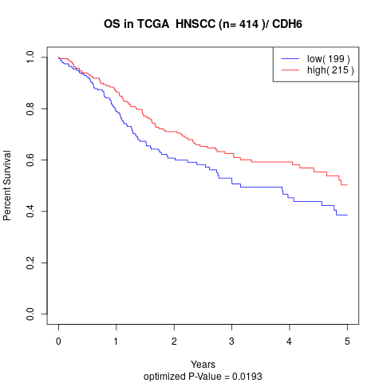

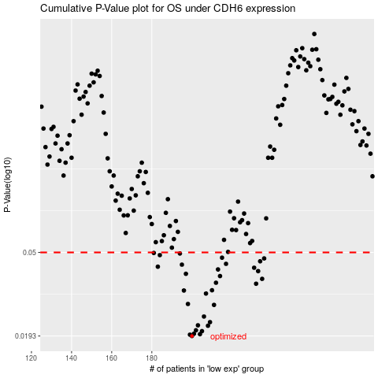

 |  |  |  |  |  | cases_OS | p_OS | rank | exp
 |  |  |  |  |  | 200 | 0.0193 | 173 | -0.13710831258
 |  |  |  |  |  | 199 | 0.0196 | 10 | -0.13746265064
 |  |  |  |  |  | 204 | 0.0197 | 20 | -0.12910067655
 |  |  |  |  |  | 201 | 0.0198 | 356 | -0.13439823268
 |  |  |  |  |  | 205 | 0.0204 | 178 | -0.1283872849
 |  |  |  |  |  | 202 | 0.0206 | 304 | -0.13301254181
 |  |  |  |  |  | 208 | 0.0217 | 94 | -0.12240260933
 |  |  |  |  |  | 203 | 0.0218 | 256 | -0.13204922731
 |  |  |  |  |  | 209 | 0.0226 | 57 | -0.12238172629
 |  |  |  |  |  | 206 | 0.0241 | 127 | -0.12639598583
 |  |  |  |  |  | 211 | 0.0275 | 399 | -0.1219169102
 |  |  |  |  |  | 198 | 0.0278 | 213 | -0.13794363425
 |  |  |  |  |  | 207 | 0.0313 | 216 | -0.12537743231
 |  |  |  |  |  | 196 | 0.0324 | 392 | -0.13998343587
 |  |  |  |  |  | 210 | 0.0325 | 251 | -0.12229549954
 |  |  |  |  |  | 232 | 0.035 | 340 | -0.093044420916
 |  |  |  |  |  | 212 | 0.0354 | 317 | -0.12054065039
 |  |  |  |  |  | 235 | 0.037 | 189 | -0.085488801695
 |  |  |  |  |  | 214 | 0.0382 | 126 | -0.11797809907
 |  |  |  |  |  | 197 | 0.0392 | 224 | -0.13835388497
 |  |  |  |  |  | 233 | 0.0404 | 386 | -0.092244128866
 |  |  |  |  |  | 213 | 0.0412 | 243 | -0.12015869282
 |  |  |  |  |  | 231 | 0.042 | 267 | -0.094273825791
 |  |  |  |  |  | 183 | 0.0425 | 383 | -0.16246234616
 |  |  |  |  |  | 195 | 0.0435 | 68 | -0.14084705069
 |  |  |  |  |  | 217 | 0.0439 | 382 | -0.11409183238
 |  |  |  |  |  | 234 | 0.0452 | 249 | -0.088426574112
 |  |  |  |  |  | 236 | 0.0467 | 219 | -0.085280644925
 |  |  |  |  |  | 215 | 0.0471 | 150 | -0.11743446634
 |  |  |  |  |  | 184 | 0.0485 | 39 | -0.15421758656
 |  |  |  |  |  | 194 | 0.0494 | 275 | -0.14322165463
 |  |  |  |  |  | 181 | 0.0497 | 299 | -0.16370522396
 |  |  |  |  |  |  | cases_RFS | p_RFS | rank | exp
 |  |  |  |  |  |  | 199 | 0.0193 | 10 | -0.13746265064
 |  |  |  |  |  |  | 198 | 0.0196 | 213 | -0.13794363425
 |  |  |  |  |  |  | 203 | 0.0197 | 256 | -0.13204922731
 |  |  |  |  |  |  | 200 | 0.0198 | 173 | -0.13710831258
 |  |  |  |  |  |  | 204 | 0.0204 | 20 | -0.12910067655
 |  |  |  |  |  |  | 201 | 0.0206 | 356 | -0.13439823268
 |  |  |  |  |  |  | 207 | 0.0217 | 216 | -0.12537743231
 |  |  |  |  |  |  | 202 | 0.0218 | 304 | -0.13301254181
 |  |  |  |  |  |  | 208 | 0.0226 | 94 | -0.12240260933
 |  |  |  |  |  |  | 205 | 0.0241 | 178 | -0.1283872849
 |  |  |  |  |  |  | 210 | 0.0275 | 251 | -0.12229549954
 |  |  |  |  |  |  | 197 | 0.0278 | 224 | -0.13835388497
 |  |  |  |  |  |  | 206 | 0.0313 | 127 | -0.12639598583
 |  |  |  |  |  |  | 195 | 0.0324 | 68 | -0.14084705069
 |  |  |  |  |  |  | 209 | 0.0325 | 57 | -0.12238172629
 |  |  |  |  |  |  | 231 | 0.035 | 267 | -0.094273825791
 |  |  |  |  |  |  | 211 | 0.0354 | 399 | -0.1219169102
 |  |  |  |  |  |  | 234 | 0.037 | 249 | -0.088426574112
 |  |  |  |  |  |  | 213 | 0.0382 | 243 | -0.12015869282
 |  |  |  |  |  |  | 196 | 0.0392 | 392 | -0.13998343587
 |  |  |  |  |  |  | 232 | 0.0404 | 340 | -0.093044420916
 |  |  |  |  |  |  | 212 | 0.0412 | 317 | -0.12054065039
 |  |  |  |  |  |  | 230 | 0.042 | 214 | -0.096816841355
 |  |  |  |  |  |  | 182 | 0.0425 | 138 | -0.16323299776
 |  |  |  |  |  |  | 194 | 0.0435 | 275 | -0.14322165463
 |  |  |  |  |  |  | 216 | 0.0439 | 97 | -0.11718050161
 |  |  |  |  |  |  | 233 | 0.0452 | 386 | -0.092244128866
 |  |  |  |  |  |  | 235 | 0.0467 | 189 | -0.085488801695
 |  |  |  |  |  |  | 214 | 0.0471 | 126 | -0.11797809907
 |  |  |  |  |  |  | 183 | 0.0485 | 383 | -0.16246234616
 |  |  |  |  |  |  | 193 | 0.0494 | 208 | -0.14337861426
 |  |  |  |  |  |  | 180 | 0.0497 | 99 | -0.16464496084

