CDIPT _multivariate
Reported by Tex Li-Hsing Chi. tex@gate.sinica.edu.tw 2019-08-21

Table 2. The clinicopathological features of HNSCC cohort and CDIPT expression. (Chi square test)
Cutoff at -0.071 (49.8%)
 |  | CDIPT expression |  | CDIPT expression |  | (Optimised)
 | Features | Low | (%) | High | (%) | Case no | P-value | Remark | Matthews
Gender | Female | 146 | 35.2 | 160 | 38.6 | 415 | 0.1714 | 0 | 0
2 | Male | 61 | 14.7 | 48 | 11.6
Age at diagnosis | <=65y | 135 | 32.5 | 139 | 33.5 | 415 | 0.8084 | 0 | 0
4 | >65y | 72 | 17.3 | 69 | 16.6
Clinical T Status | T1+T2 | 83 | 20 | 66 | 15.9 | 415 | 0.0941 | 0 | 0
6 | T3+T4 | 124 | 29.9 | 142 | 34.2
Clinical N Status | N0 | 97 | 23.4 | 119 | 28.7 | 415 | 0.0442 | 1 | 0
8 | N1-3 | 110 | 26.5 | 89 | 21.4
Clinical M Status | M0 | 207 | 49.9 | 205 | 49.4 | 415 | 0.2482 | 0 | 0
10 | M1 | 0 | 0 | 3 | 0.7
Clinical Stage | Stage I+II | 56 | 13.5 | 46 | 11.1 | 415 | 0.2918 | 0 | 0
12 | Stage III+IV | 151 | 36.4 | 162 | 39
Surgical Margin status | Negative | 156 | 37.6 | 162 | 39 | 415 | 0.5636 | 0 | 0
14 | Positive | 51 | 12.3 | 46 | 11.1
Tobacco Exposure | Low | 87 | 21 | 74 | 17.8 | 415 | 0.1911 | 0 | 0
16 | High | 120 | 28.9 | 134 | 32.3

Table 3. Univariate/Multivariate Cox's proportional hazards regression analyses on OS time of CDIPT gene expression in HNSCC

 |  | Univariate |  |  |  | Multivariate
 | Features | HR | CI95%(L) | CI95%(H) | P-value | HR | CI95%(L) | CI95%(H) | P-value
1 | Female | 1 |  |  |  | 1
Gender | Male | 1.157 | 0.843 | 1.587 | 0.367 | 1.211 | 0.866 | 1.693 | 0.263
11 | <=65y | 1 |  |  |  | 1
Age at diagnosis | >65y | 1.329 | 0.99 | 1.784 | 0.058 | 1.388 | 1.021 | 1.886 | 0.036
12 | T1+T2 | 1 |  |  |  | 1
Clinical T Status | T3+T4 | 1.409 | 1.028 | 1.931 | 0.033 | 2.177 | 1.151 | 4.118 | 0.017
13 | N0 | 1 |  |  |  | 1
Clinical N Status | N1-3 | 1.185 | 0.89 | 1.577 | 0.246 | 1.262 | 0.883 | 1.805 | 0.201
14 | M0 | 1 |  |  |  | 1
Clinical M Status | M1 | 4.097 | 1.009 | 16.644 | 0.049 | 8.703 | 1.879 | 40.313 | 0.006
15 | Stage I+II | 1 |  |  |  | 1
Clinical Stage | Stage III+IV | 1.245 | 0.882 | 1.759 | 0.213 | 0.504 | 0.235 | 1.083 | 0.079
16 | Negative | 1 |  |  |  | 1
Surgical Margin status | Positive | 1.591 | 1.155 | 2.191 | 0.004 | 1.677 | 1.214 | 2.317 | 0.002
17 | Low | 1 |  |  |  | 1
Tobacco Exposure | High | 1.364 | 1.008 | 1.844 | 0.044 | 1.429 | 1.035 | 1.974 | 0.03
18 | Low | 1 |  |  |  | 1
RNAseq(z-score) | High | 1.177 | 0.882 | 1.57 | 0.269 | 1.134 | 0.843 | 1.525 | 0.407

Table 4. Univariate/Multivariate Cox's proportional hazards regression analyses on RFS time of CDIPT gene expression in HNSCC

 |  | Univariate |  |  |  | Multivariate
 | Features | HR | CI95%(L) | CI95%(H) | P-value | HR | CI95%(L) | CI95%(H) | P-value
1 | Female | 1 |  |  |  | 1
Gender | Male | 1.157 | 0.843 | 1.587 | 0.367 | 1.211 | 0.866 | 1.693 | 0.263
11 | <=65y | 1 |  |  |  | 1
Age at diagnosis | >65y | 1.329 | 0.99 | 1.784 | 0.058 | 1.388 | 1.021 | 1.886 | 0.036
12 | T1+T2 | 1 |  |  |  | 1
Clinical T Status | T3+T4 | 1.409 | 1.028 | 1.931 | 0.033 | 2.177 | 1.151 | 4.118 | 0.017
13 | N0 | 1 |  |  |  | 1
Clinical N Status | N1-3 | 1.185 | 0.89 | 1.577 | 0.246 | 1.262 | 0.883 | 1.805 | 0.201
14 | M0 | 1 |  |  |  | 1
Clinical M Status | M1 | 4.097 | 1.009 | 16.644 | 0.049 | 8.703 | 1.879 | 40.313 | 0.006
15 | Stage I+II | 1 |  |  |  | 1
Clinical Stage | Stage III+IV | 1.245 | 0.882 | 1.759 | 0.213 | 0.504 | 0.235 | 1.083 | 0.079
16 | Negative | 1 |  |  |  | 1
Surgical Margin status | Positive | 1.591 | 1.155 | 2.191 | 0.004 | 1.677 | 1.214 | 2.317 | 0.002
17 | Low | 1 |  |  |  | 1
Tobacco Exposure | High | 1.364 | 1.008 | 1.844 | 0.044 | 1.429 | 1.035 | 1.974 | 0.03
18 | Low | 1 |  |  |  | 1
RNAseq(z-score) | High | 1.177 | 0.882 | 1.57 | 0.269 | 1.134 | 0.843 | 1.525 | 0.407

Kaplan-Meier survival estimate: Cutoff at -0.071 (49.8%)



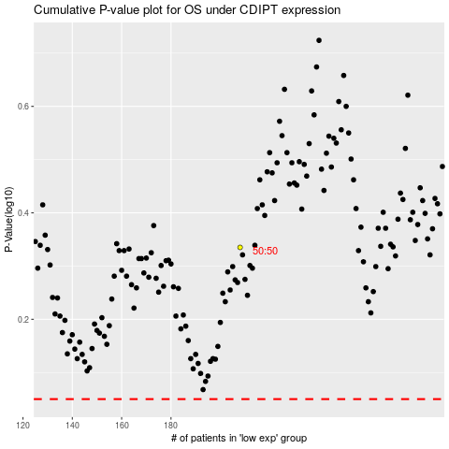

 |  |  |  |  |  | cases_OS | p_OS | rank | exp
 |  |  |  |  |  |  | cases_RFS | p_RFS | rank | exp

