CDK1 _multivariate
Reported by Tex Li-Hsing Chi. tex@gate.sinica.edu.tw 2019-08-21

Table 2. The clinicopathological features of HNSCC cohort and CDK1 expression. (Chi square test)
Cutoff at -0.225 (49.8%)
 |  | CDK1 expression |  | CDK1 expression |  | (Optimised)
 | Features | Low | (%) | High | (%) | Case no | P-value | Remark | Matthews
Gender | Female | 150 | 36.1 | 156 | 37.6 | 415 | 0.6344 | 0 | 0
2 | Male | 57 | 13.7 | 52 | 12.5
Age at diagnosis | <=65y | 134 | 32.3 | 140 | 33.7 | 415 | 0.6529 | 0 | 0
4 | >65y | 73 | 17.6 | 68 | 16.4
Clinical T Status | T1+T2 | 77 | 18.6 | 72 | 17.3 | 415 | 0.6556 | 0 | 0
6 | T3+T4 | 130 | 31.3 | 136 | 32.8
Clinical N Status | N0 | 118 | 28.4 | 98 | 23.6 | 415 | 0.0551 | 1 | 0
8 | N1-3 | 89 | 21.4 | 110 | 26.5
Clinical M Status | M0 | 206 | 49.6 | 206 | 49.6 | 415 | 1 | 0 | 0
10 | M1 | 1 | 0.2 | 2 | 0.5
Clinical Stage | Stage I+II | 59 | 14.2 | 43 | 10.4 | 415 | 0.0822 | 0 | 0
12 | Stage III+IV | 148 | 35.7 | 165 | 39.8
Surgical Margin status | Negative | 168 | 40.5 | 150 | 36.1 | 415 | 0.0366 | 1 | 0
14 | Positive | 39 | 9.4 | 58 | 14
Tobacco Exposure | Low | 91 | 21.9 | 70 | 16.9 | 415 | 0.0346 | 1 | 0
16 | High | 116 | 28 | 138 | 33.3

Table 3. Univariate/Multivariate Cox's proportional hazards regression analyses on OS time of CDK1 gene expression in HNSCC

 |  | Univariate |  |  |  | Multivariate
 | Features | HR | CI95%(L) | CI95%(H) | P-value | HR | CI95%(L) | CI95%(H) | P-value
1 | Female | 1 |  |  |  | 1
Gender | Male | 1.157 | 0.843 | 1.587 | 0.367 | 1.199 | 0.858 | 1.675 | 0.288
11 | <=65y | 1 |  |  |  | 1
Age at diagnosis | >65y | 1.329 | 0.99 | 1.784 | 0.058 | 1.394 | 1.025 | 1.895 | 0.034
12 | T1+T2 | 1 |  |  |  | 1
Clinical T Status | T3+T4 | 1.409 | 1.028 | 1.931 | 0.033 | 2.19 | 1.157 | 4.144 | 0.016
13 | N0 | 1 |  |  |  | 1
Clinical N Status | N1-3 | 1.185 | 0.89 | 1.577 | 0.246 | 1.242 | 0.871 | 1.772 | 0.232
14 | M0 | 1 |  |  |  | 1
Clinical M Status | M1 | 4.097 | 1.009 | 16.644 | 0.049 | 9.403 | 2.051 | 43.105 | 0.004
15 | Stage I+II | 1 |  |  |  | 1
Clinical Stage | Stage III+IV | 1.245 | 0.882 | 1.759 | 0.213 | 0.507 | 0.236 | 1.089 | 0.082
16 | Negative | 1 |  |  |  | 1
Surgical Margin status | Positive | 1.591 | 1.155 | 2.191 | 0.004 | 1.687 | 1.217 | 2.34 | 0.002
17 | Low | 1 |  |  |  | 1
Tobacco Exposure | High | 1.364 | 1.008 | 1.844 | 0.044 | 1.468 | 1.061 | 2.031 | 0.02
18 | Low | 1 |  |  |  | 1
RNAseq(z-score) | High | 1.03 | 0.772 | 1.372 | 0.843 | 0.943 | 0.702 | 1.267 | 0.697

Table 4. Univariate/Multivariate Cox's proportional hazards regression analyses on RFS time of CDK1 gene expression in HNSCC

 |  | Univariate |  |  |  | Multivariate
 | Features | HR | CI95%(L) | CI95%(H) | P-value | HR | CI95%(L) | CI95%(H) | P-value
1 | Female | 1 |  |  |  | 1
Gender | Male | 1.157 | 0.843 | 1.587 | 0.367 | 1.199 | 0.858 | 1.675 | 0.288
11 | <=65y | 1 |  |  |  | 1
Age at diagnosis | >65y | 1.329 | 0.99 | 1.784 | 0.058 | 1.394 | 1.025 | 1.895 | 0.034
12 | T1+T2 | 1 |  |  |  | 1
Clinical T Status | T3+T4 | 1.409 | 1.028 | 1.931 | 0.033 | 2.19 | 1.157 | 4.144 | 0.016
13 | N0 | 1 |  |  |  | 1
Clinical N Status | N1-3 | 1.185 | 0.89 | 1.577 | 0.246 | 1.242 | 0.871 | 1.772 | 0.232
14 | M0 | 1 |  |  |  | 1
Clinical M Status | M1 | 4.097 | 1.009 | 16.644 | 0.049 | 9.403 | 2.051 | 43.105 | 0.004
15 | Stage I+II | 1 |  |  |  | 1
Clinical Stage | Stage III+IV | 1.245 | 0.882 | 1.759 | 0.213 | 0.507 | 0.236 | 1.089 | 0.082
16 | Negative | 1 |  |  |  | 1
Surgical Margin status | Positive | 1.591 | 1.155 | 2.191 | 0.004 | 1.687 | 1.217 | 2.34 | 0.002
17 | Low | 1 |  |  |  | 1
Tobacco Exposure | High | 1.364 | 1.008 | 1.844 | 0.044 | 1.468 | 1.061 | 2.031 | 0.02
18 | Low | 1 |  |  |  | 1
RNAseq(z-score) | High | 1.03 | 0.772 | 1.372 | 0.843 | 0.943 | 0.702 | 1.267 | 0.697

Kaplan-Meier survival estimate: Cutoff at -0.225 (49.8%)



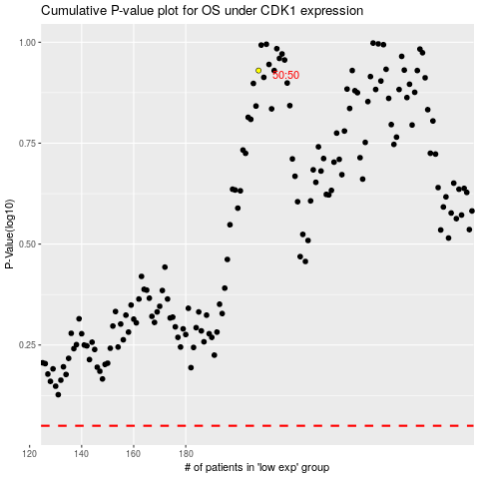

 |  |  |  |  |  | cases_OS | p_OS | rank | exp
 |  |  |  |  |  |  | cases_RFS | p_RFS | rank | exp

