CDK10 _multivariate
Reported by Tex Li-Hsing Chi. tex@gate.sinica.edu.tw 2019-08-21

Table 2. The clinicopathological features of HNSCC cohort and CDK10 expression. (Chi square test)
Cutoff at -0.237 (50.0%)
 |  | CDK10 expression |  | CDK10 expression |  | (Optimised)
 | Features | Low | (%) | High | (%) | Case no | P-value | Remark | Matthews
Gender | Female | 145 | 34.9 | 161 | 38.8 | 415 | 0.1116 | 0 | 0
2 | Male | 62 | 14.9 | 47 | 11.3
Age at diagnosis | <=65y | 133 | 32 | 141 | 34 | 415 | 0.5111 | 0 | 0
4 | >65y | 74 | 17.8 | 67 | 16.1
Clinical T Status | T1+T2 | 78 | 18.8 | 71 | 17.1 | 415 | 0.5152 | 0 | 0
6 | T3+T4 | 129 | 31.1 | 137 | 33
Clinical N Status | N0 | 107 | 25.8 | 109 | 26.3 | 415 | 0.9624 | 0 | 0
8 | N1-3 | 100 | 24.1 | 99 | 23.9
Clinical M Status | M0 | 207 | 49.9 | 205 | 49.4 | 415 | 0.2482 | 0 | 0
10 | M1 | 0 | 0 | 3 | 0.7
Clinical Stage | Stage I+II | 51 | 12.3 | 51 | 12.3 | 415 | 1 | 0 | 0
12 | Stage III+IV | 156 | 37.6 | 157 | 37.8
Surgical Margin status | Negative | 162 | 39 | 156 | 37.6 | 415 | 0.4867 | 0 | 0
14 | Positive | 45 | 10.8 | 52 | 12.5
Tobacco Exposure | Low | 81 | 19.5 | 80 | 19.3 | 415 | 0.9199 | 0 | 0
16 | High | 126 | 30.4 | 128 | 30.8

Table 3. Univariate/Multivariate Cox's proportional hazards regression analyses on OS time of CDK10 gene expression in HNSCC

 |  | Univariate |  |  |  | Multivariate
 | Features | HR | CI95%(L) | CI95%(H) | P-value | HR | CI95%(L) | CI95%(H) | P-value
1 | Female | 1 |  |  |  | 1
Gender | Male | 1.157 | 0.843 | 1.587 | 0.367 | 1.197 | 0.858 | 1.67 | 0.289
11 | <=65y | 1 |  |  |  | 1
Age at diagnosis | >65y | 1.329 | 0.99 | 1.784 | 0.058 | 1.395 | 1.026 | 1.897 | 0.034
12 | T1+T2 | 1 |  |  |  | 1
Clinical T Status | T3+T4 | 1.409 | 1.028 | 1.931 | 0.033 | 2.288 | 1.206 | 4.343 | 0.011
13 | N0 | 1 |  |  |  | 1
Clinical N Status | N1-3 | 1.185 | 0.89 | 1.577 | 0.246 | 1.254 | 0.879 | 1.789 | 0.212
14 | M0 | 1 |  |  |  | 1
Clinical M Status | M1 | 4.097 | 1.009 | 16.644 | 0.049 | 10.543 | 2.266 | 49.059 | 0.003
15 | Stage I+II | 1 |  |  |  | 1
Clinical Stage | Stage III+IV | 1.245 | 0.882 | 1.759 | 0.213 | 0.485 | 0.225 | 1.045 | 0.065
16 | Negative | 1 |  |  |  | 1
Surgical Margin status | Positive | 1.591 | 1.155 | 2.191 | 0.004 | 1.698 | 1.227 | 2.349 | 0.001
17 | Low | 1 |  |  |  | 1
Tobacco Exposure | High | 1.364 | 1.008 | 1.844 | 0.044 | 1.467 | 1.065 | 2.021 | 0.019
18 | Low | 1 |  |  |  | 1
RNAseq(z-score) | High | 0.957 | 0.718 | 1.275 | 0.762 | 0.853 | 0.636 | 1.143 | 0.287

Table 4. Univariate/Multivariate Cox's proportional hazards regression analyses on RFS time of CDK10 gene expression in HNSCC

 |  | Univariate |  |  |  | Multivariate
 | Features | HR | CI95%(L) | CI95%(H) | P-value | HR | CI95%(L) | CI95%(H) | P-value
1 | Female | 1 |  |  |  | 1
Gender | Male | 1.157 | 0.843 | 1.587 | 0.367 | 1.197 | 0.858 | 1.67 | 0.289
11 | <=65y | 1 |  |  |  | 1
Age at diagnosis | >65y | 1.329 | 0.99 | 1.784 | 0.058 | 1.395 | 1.026 | 1.897 | 0.034
12 | T1+T2 | 1 |  |  |  | 1
Clinical T Status | T3+T4 | 1.409 | 1.028 | 1.931 | 0.033 | 2.288 | 1.206 | 4.343 | 0.011
13 | N0 | 1 |  |  |  | 1
Clinical N Status | N1-3 | 1.185 | 0.89 | 1.577 | 0.246 | 1.254 | 0.879 | 1.789 | 0.212
14 | M0 | 1 |  |  |  | 1
Clinical M Status | M1 | 4.097 | 1.009 | 16.644 | 0.049 | 10.543 | 2.266 | 49.059 | 0.003
15 | Stage I+II | 1 |  |  |  | 1
Clinical Stage | Stage III+IV | 1.245 | 0.882 | 1.759 | 0.213 | 0.485 | 0.225 | 1.045 | 0.065
16 | Negative | 1 |  |  |  | 1
Surgical Margin status | Positive | 1.591 | 1.155 | 2.191 | 0.004 | 1.698 | 1.227 | 2.349 | 0.001
17 | Low | 1 |  |  |  | 1
Tobacco Exposure | High | 1.364 | 1.008 | 1.844 | 0.044 | 1.467 | 1.065 | 2.021 | 0.019
18 | Low | 1 |  |  |  | 1
RNAseq(z-score) | High | 0.957 | 0.718 | 1.275 | 0.762 | 0.853 | 0.636 | 1.143 | 0.287

Kaplan-Meier survival estimate: Cutoff at -0.237 (50.0%)



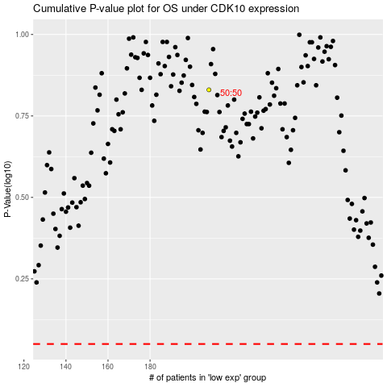

 |  |  |  |  |  | cases_OS | p_OS | rank | exp
 |  |  |  |  |  |  | cases_RFS | p_RFS | rank | exp

