CDK11A _multivariate
Reported by Tex Li-Hsing Chi. tex@gate.sinica.edu.tw 2019-08-21

Table 2. The clinicopathological features of HNSCC cohort and CDK11A expression. (Chi square test)
Cutoff at -0.139 (49.8%)
 |  | CDK11A expression |  | CDK11A expression |  | (Optimised)
 | Features | Low | (%) | High | (%) | Case no | P-value | Remark | Matthews
Gender | Female | 152 | 36.6 | 154 | 37.1 | 415 | 0.9766 | 0 | 0
2 | Male | 55 | 13.3 | 54 | 13
Age at diagnosis | <=65y | 139 | 33.5 | 135 | 32.5 | 415 | 0.7044 | 0 | 0
4 | >65y | 68 | 16.4 | 73 | 17.6
Clinical T Status | T1+T2 | 68 | 16.4 | 81 | 19.5 | 415 | 0.2336 | 0 | 0
6 | T3+T4 | 139 | 33.5 | 127 | 30.6
Clinical N Status | N0 | 107 | 25.8 | 109 | 26.3 | 415 | 0.9624 | 0 | 0
8 | N1-3 | 100 | 24.1 | 99 | 23.9
Clinical M Status | M0 | 206 | 49.6 | 206 | 49.6 | 415 | 1 | 0 | 0
10 | M1 | 1 | 0.2 | 2 | 0.5
Clinical Stage | Stage I+II | 49 | 11.8 | 53 | 12.8 | 415 | 0.7535 | 0 | 0
12 | Stage III+IV | 158 | 38.1 | 155 | 37.3
Surgical Margin status | Negative | 155 | 37.3 | 163 | 39.3 | 415 | 0.4187 | 0 | 0
14 | Positive | 52 | 12.5 | 45 | 10.8
Tobacco Exposure | Low | 71 | 17.1 | 90 | 21.7 | 415 | 0.0698 | 0 | 0
16 | High | 136 | 32.8 | 118 | 28.4

Table 3. Univariate/Multivariate Cox's proportional hazards regression analyses on OS time of CDK11A gene expression in HNSCC

 |  | Univariate |  |  |  | Multivariate
 | Features | HR | CI95%(L) | CI95%(H) | P-value | HR | CI95%(L) | CI95%(H) | P-value
1 | Female | 1 |  |  |  | 1
Gender | Male | 1.157 | 0.843 | 1.587 | 0.367 | 1.198 | 0.858 | 1.675 | 0.289
11 | <=65y | 1 |  |  |  | 1
Age at diagnosis | >65y | 1.329 | 0.99 | 1.784 | 0.058 | 1.394 | 1.025 | 1.896 | 0.034
12 | T1+T2 | 1 |  |  |  | 1
Clinical T Status | T3+T4 | 1.409 | 1.028 | 1.931 | 0.033 | 2.179 | 1.15 | 4.13 | 0.017
13 | N0 | 1 |  |  |  | 1
Clinical N Status | N1-3 | 1.185 | 0.89 | 1.577 | 0.246 | 1.242 | 0.871 | 1.772 | 0.232
14 | M0 | 1 |  |  |  | 1
Clinical M Status | M1 | 4.097 | 1.009 | 16.644 | 0.049 | 9.347 | 2.039 | 42.859 | 0.004
15 | Stage I+II | 1 |  |  |  | 1
Clinical Stage | Stage III+IV | 1.245 | 0.882 | 1.759 | 0.213 | 0.509 | 0.237 | 1.093 | 0.083
16 | Negative | 1 |  |  |  | 1
Surgical Margin status | Positive | 1.591 | 1.155 | 2.191 | 0.004 | 1.664 | 1.203 | 2.301 | 0.002
17 | Low | 1 |  |  |  | 1
Tobacco Exposure | High | 1.364 | 1.008 | 1.844 | 0.044 | 1.448 | 1.051 | 1.997 | 0.024
18 | Low | 1 |  |  |  | 1
RNAseq(z-score) | High | 0.875 | 0.657 | 1.165 | 0.36 | 0.947 | 0.709 | 1.265 | 0.712

Table 4. Univariate/Multivariate Cox's proportional hazards regression analyses on RFS time of CDK11A gene expression in HNSCC

 |  | Univariate |  |  |  | Multivariate
 | Features | HR | CI95%(L) | CI95%(H) | P-value | HR | CI95%(L) | CI95%(H) | P-value
1 | Female | 1 |  |  |  | 1
Gender | Male | 1.157 | 0.843 | 1.587 | 0.367 | 1.198 | 0.858 | 1.675 | 0.289
11 | <=65y | 1 |  |  |  | 1
Age at diagnosis | >65y | 1.329 | 0.99 | 1.784 | 0.058 | 1.394 | 1.025 | 1.896 | 0.034
12 | T1+T2 | 1 |  |  |  | 1
Clinical T Status | T3+T4 | 1.409 | 1.028 | 1.931 | 0.033 | 2.179 | 1.15 | 4.13 | 0.017
13 | N0 | 1 |  |  |  | 1
Clinical N Status | N1-3 | 1.185 | 0.89 | 1.577 | 0.246 | 1.242 | 0.871 | 1.772 | 0.232
14 | M0 | 1 |  |  |  | 1
Clinical M Status | M1 | 4.097 | 1.009 | 16.644 | 0.049 | 9.347 | 2.039 | 42.859 | 0.004
15 | Stage I+II | 1 |  |  |  | 1
Clinical Stage | Stage III+IV | 1.245 | 0.882 | 1.759 | 0.213 | 0.509 | 0.237 | 1.093 | 0.083
16 | Negative | 1 |  |  |  | 1
Surgical Margin status | Positive | 1.591 | 1.155 | 2.191 | 0.004 | 1.664 | 1.203 | 2.301 | 0.002
17 | Low | 1 |  |  |  | 1
Tobacco Exposure | High | 1.364 | 1.008 | 1.844 | 0.044 | 1.448 | 1.051 | 1.997 | 0.024
18 | Low | 1 |  |  |  | 1
RNAseq(z-score) | High | 0.875 | 0.657 | 1.165 | 0.36 | 0.947 | 0.709 | 1.265 | 0.712

Kaplan-Meier survival estimate: Cutoff at -0.139 (49.8%)



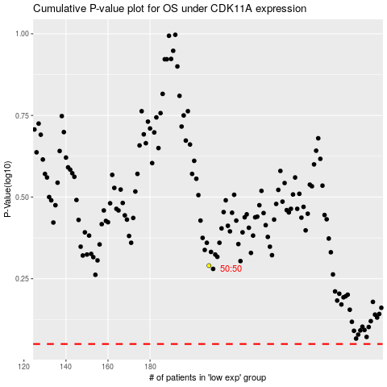

 |  |  |  |  |  | cases_OS | p_OS | rank | exp
 |  |  |  |  |  |  | cases_RFS | p_RFS | rank | exp

