CDK12 _multivariate
Reported by Tex Li-Hsing Chi. tex@gate.sinica.edu.tw 2019-08-21

Table 2. The clinicopathological features of HNSCC cohort and CDK12 expression. (Chi square test)
Cutoff at -0.018 (50.0%)
 |  | CDK12 expression |  | CDK12 expression |  | (Optimised)
 | Features | Low | (%) | High | (%) | Case no | P-value | Remark | Matthews
Gender | Female | 160 | 38.6 | 146 | 35.2 | 415 | 0.1254 | 0 | 0
2 | Male | 47 | 11.3 | 62 | 14.9
Age at diagnosis | <=65y | 144 | 34.7 | 130 | 31.3 | 415 | 0.1568 | 0 | 0
4 | >65y | 63 | 15.2 | 78 | 18.8
Clinical T Status | T1+T2 | 84 | 20.2 | 65 | 15.7 | 415 | 0.0603 | 0 | 0
6 | T3+T4 | 123 | 29.6 | 143 | 34.5
Clinical N Status | N0 | 111 | 26.7 | 105 | 25.3 | 415 | 0.5875 | 0 | 0
8 | N1-3 | 96 | 23.1 | 103 | 24.8
Clinical M Status | M0 | 205 | 49.4 | 207 | 49.9 | 415 | 0.6232 | 0 | 0
10 | M1 | 2 | 0.5 | 1 | 0.2
Clinical Stage | Stage I+II | 57 | 13.7 | 45 | 10.8 | 415 | 0.1998 | 0 | 0
12 | Stage III+IV | 150 | 36.1 | 163 | 39.3
Surgical Margin status | Negative | 153 | 36.9 | 165 | 39.8 | 415 | 0.2036 | 0 | 0
14 | Positive | 54 | 13 | 43 | 10.4
Tobacco Exposure | Low | 81 | 19.5 | 80 | 19.3 | 415 | 0.9199 | 0 | 0
16 | High | 126 | 30.4 | 128 | 30.8

Table 3. Univariate/Multivariate Cox's proportional hazards regression analyses on OS time of CDK12 gene expression in HNSCC

 |  | Univariate |  |  |  | Multivariate
 | Features | HR | CI95%(L) | CI95%(H) | P-value | HR | CI95%(L) | CI95%(H) | P-value
1 | Female | 1 |  |  |  | 1
Gender | Male | 1.157 | 0.843 | 1.587 | 0.367 | 1.213 | 0.869 | 1.695 | 0.257
11 | <=65y | 1 |  |  |  | 1
Age at diagnosis | >65y | 1.329 | 0.99 | 1.784 | 0.058 | 1.379 | 1.013 | 1.877 | 0.041
12 | T1+T2 | 1 |  |  |  | 1
Clinical T Status | T3+T4 | 1.409 | 1.028 | 1.931 | 0.033 | 2.2 | 1.164 | 4.158 | 0.015
13 | N0 | 1 |  |  |  | 1
Clinical N Status | N1-3 | 1.185 | 0.89 | 1.577 | 0.246 | 1.25 | 0.875 | 1.784 | 0.22
14 | M0 | 1 |  |  |  | 1
Clinical M Status | M1 | 4.097 | 1.009 | 16.644 | 0.049 | 9.909 | 2.155 | 45.553 | 0.003
15 | Stage I+II | 1 |  |  |  | 1
Clinical Stage | Stage III+IV | 1.245 | 0.882 | 1.759 | 0.213 | 0.497 | 0.231 | 1.068 | 0.073
16 | Negative | 1 |  |  |  | 1
Surgical Margin status | Positive | 1.591 | 1.155 | 2.191 | 0.004 | 1.697 | 1.226 | 2.348 | 0.001
17 | Low | 1 |  |  |  | 1
Tobacco Exposure | High | 1.364 | 1.008 | 1.844 | 0.044 | 1.48 | 1.072 | 2.043 | 0.017
18 | Low | 1 |  |  |  | 1
RNAseq(z-score) | High | 1.104 | 0.829 | 1.471 | 0.498 | 1.175 | 0.878 | 1.574 | 0.278

Table 4. Univariate/Multivariate Cox's proportional hazards regression analyses on RFS time of CDK12 gene expression in HNSCC

 |  | Univariate |  |  |  | Multivariate
 | Features | HR | CI95%(L) | CI95%(H) | P-value | HR | CI95%(L) | CI95%(H) | P-value
1 | Female | 1 |  |  |  | 1
Gender | Male | 1.157 | 0.843 | 1.587 | 0.367 | 1.213 | 0.869 | 1.695 | 0.257
11 | <=65y | 1 |  |  |  | 1
Age at diagnosis | >65y | 1.329 | 0.99 | 1.784 | 0.058 | 1.379 | 1.013 | 1.877 | 0.041
12 | T1+T2 | 1 |  |  |  | 1
Clinical T Status | T3+T4 | 1.409 | 1.028 | 1.931 | 0.033 | 2.2 | 1.164 | 4.158 | 0.015
13 | N0 | 1 |  |  |  | 1
Clinical N Status | N1-3 | 1.185 | 0.89 | 1.577 | 0.246 | 1.25 | 0.875 | 1.784 | 0.22
14 | M0 | 1 |  |  |  | 1
Clinical M Status | M1 | 4.097 | 1.009 | 16.644 | 0.049 | 9.909 | 2.155 | 45.553 | 0.003
15 | Stage I+II | 1 |  |  |  | 1
Clinical Stage | Stage III+IV | 1.245 | 0.882 | 1.759 | 0.213 | 0.497 | 0.231 | 1.068 | 0.073
16 | Negative | 1 |  |  |  | 1
Surgical Margin status | Positive | 1.591 | 1.155 | 2.191 | 0.004 | 1.697 | 1.226 | 2.348 | 0.001
17 | Low | 1 |  |  |  | 1
Tobacco Exposure | High | 1.364 | 1.008 | 1.844 | 0.044 | 1.48 | 1.072 | 2.043 | 0.017
18 | Low | 1 |  |  |  | 1
RNAseq(z-score) | High | 1.104 | 0.829 | 1.471 | 0.498 | 1.175 | 0.878 | 1.574 | 0.278

Kaplan-Meier survival estimate: Cutoff at -0.018 (50.0%)



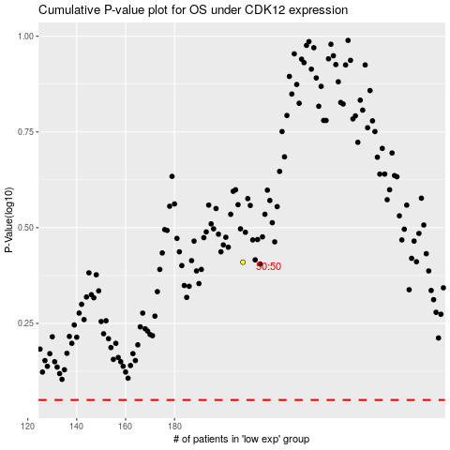

 |  |  |  |  |  | cases_OS | p_OS | rank | exp
 |  |  |  |  |  |  | cases_RFS | p_RFS | rank | exp

