CDK15 _multivariate
Reported by Tex Li-Hsing Chi. tex@gate.sinica.edu.tw 2019-08-21

Table 2. The clinicopathological features of HNSCC cohort and CDK15 expression. (Chi square test)
Cutoff at -0.315 (50.0%)
 |  | CDK15 expression |  | CDK15 expression |  | (Optimised)
 | Features | Low | (%) | High | (%) | Case no | P-value | Remark | Matthews
Gender | Female | 151 | 36.4 | 155 | 37.3 | 415 | 0.8007 | 0 | 0
2 | Male | 56 | 13.5 | 53 | 12.8
Age at diagnosis | <=65y | 134 | 32.3 | 140 | 33.7 | 415 | 0.6529 | 0 | 0
4 | >65y | 73 | 17.6 | 68 | 16.4
Clinical T Status | T1+T2 | 75 | 18.1 | 74 | 17.8 | 415 | 0.9707 | 0 | 0
6 | T3+T4 | 132 | 31.8 | 134 | 32.3
Clinical N Status | N0 | 107 | 25.8 | 109 | 26.3 | 415 | 0.9624 | 0 | 0
8 | N1-3 | 100 | 24.1 | 99 | 23.9
Clinical M Status | M0 | 204 | 49.2 | 208 | 50.1 | 415 | 0.1232 | 0 | 0
10 | M1 | 3 | 0.7 | 0 | 0
Clinical Stage | Stage I+II | 49 | 11.8 | 53 | 12.8 | 415 | 0.7535 | 0 | 0
12 | Stage III+IV | 158 | 38.1 | 155 | 37.3
Surgical Margin status | Negative | 153 | 36.9 | 165 | 39.8 | 415 | 0.2036 | 0 | 0
14 | Positive | 54 | 13 | 43 | 10.4
Tobacco Exposure | Low | 84 | 20.2 | 77 | 18.6 | 415 | 0.4816 | 0 | 0
16 | High | 123 | 29.6 | 131 | 31.6

Table 3. Univariate/Multivariate Cox's proportional hazards regression analyses on OS time of CDK15 gene expression in HNSCC

 |  | Univariate |  |  |  | Multivariate
 | Features | HR | CI95%(L) | CI95%(H) | P-value | HR | CI95%(L) | CI95%(H) | P-value
1 | Female | 1 |  |  |  | 1
Gender | Male | 1.157 | 0.843 | 1.587 | 0.367 | 1.193 | 0.853 | 1.668 | 0.302
11 | <=65y | 1 |  |  |  | 1
Age at diagnosis | >65y | 1.329 | 0.99 | 1.784 | 0.058 | 1.385 | 1.018 | 1.882 | 0.038
12 | T1+T2 | 1 |  |  |  | 1
Clinical T Status | T3+T4 | 1.409 | 1.028 | 1.931 | 0.033 | 2.214 | 1.171 | 4.186 | 0.014
13 | N0 | 1 |  |  |  | 1
Clinical N Status | N1-3 | 1.185 | 0.89 | 1.577 | 0.246 | 1.25 | 0.876 | 1.784 | 0.219
14 | M0 | 1 |  |  |  | 1
Clinical M Status | M1 | 4.097 | 1.009 | 16.644 | 0.049 | 8.912 | 1.932 | 41.123 | 0.005
15 | Stage I+II | 1 |  |  |  | 1
Clinical Stage | Stage III+IV | 1.245 | 0.882 | 1.759 | 0.213 | 0.498 | 0.232 | 1.069 | 0.074
16 | Negative | 1 |  |  |  | 1
Surgical Margin status | Positive | 1.591 | 1.155 | 2.191 | 0.004 | 1.65 | 1.192 | 2.284 | 0.003
17 | Low | 1 |  |  |  | 1
Tobacco Exposure | High | 1.364 | 1.008 | 1.844 | 0.044 | 1.462 | 1.06 | 2.016 | 0.02
18 | Low | 1 |  |  |  | 1
RNAseq(z-score) | High | 0.852 | 0.639 | 1.134 | 0.272 | 0.897 | 0.669 | 1.201 | 0.464

Table 4. Univariate/Multivariate Cox's proportional hazards regression analyses on RFS time of CDK15 gene expression in HNSCC

 |  | Univariate |  |  |  | Multivariate
 | Features | HR | CI95%(L) | CI95%(H) | P-value | HR | CI95%(L) | CI95%(H) | P-value
1 | Female | 1 |  |  |  | 1
Gender | Male | 1.157 | 0.843 | 1.587 | 0.367 | 1.193 | 0.853 | 1.668 | 0.302
11 | <=65y | 1 |  |  |  | 1
Age at diagnosis | >65y | 1.329 | 0.99 | 1.784 | 0.058 | 1.385 | 1.018 | 1.882 | 0.038
12 | T1+T2 | 1 |  |  |  | 1
Clinical T Status | T3+T4 | 1.409 | 1.028 | 1.931 | 0.033 | 2.214 | 1.171 | 4.186 | 0.014
13 | N0 | 1 |  |  |  | 1
Clinical N Status | N1-3 | 1.185 | 0.89 | 1.577 | 0.246 | 1.25 | 0.876 | 1.784 | 0.219
14 | M0 | 1 |  |  |  | 1
Clinical M Status | M1 | 4.097 | 1.009 | 16.644 | 0.049 | 8.912 | 1.932 | 41.123 | 0.005
15 | Stage I+II | 1 |  |  |  | 1
Clinical Stage | Stage III+IV | 1.245 | 0.882 | 1.759 | 0.213 | 0.498 | 0.232 | 1.069 | 0.074
16 | Negative | 1 |  |  |  | 1
Surgical Margin status | Positive | 1.591 | 1.155 | 2.191 | 0.004 | 1.65 | 1.192 | 2.284 | 0.003
17 | Low | 1 |  |  |  | 1
Tobacco Exposure | High | 1.364 | 1.008 | 1.844 | 0.044 | 1.462 | 1.06 | 2.016 | 0.02
18 | Low | 1 |  |  |  | 1
RNAseq(z-score) | High | 0.852 | 0.639 | 1.134 | 0.272 | 0.897 | 0.669 | 1.201 | 0.464

Kaplan-Meier survival estimate: Cutoff at -0.315 (50.0%)



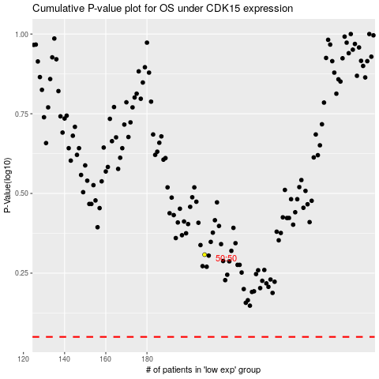

 |  |  |  |  |  | cases_OS | p_OS | rank | exp
 |  |  |  |  |  |  | cases_RFS | p_RFS | rank | exp

