CDK16 _multivariate
Reported by Tex Li-Hsing Chi. tex@gate.sinica.edu.tw 2019-08-21

Table 2. The clinicopathological features of HNSCC cohort and CDK16 expression. (Chi square test)
Cutoff at -0.137 (49.8%)
 |  | CDK16 expression |  | CDK16 expression |  | (Optimised)
 | Features | Low | (%) | High | (%) | Case no | P-value | Remark | Matthews
Gender | Female | 159 | 38.3 | 147 | 35.4 | 415 | 0.1905 | 0 | 0
2 | Male | 48 | 11.6 | 61 | 14.7
Age at diagnosis | <=65y | 142 | 34.2 | 132 | 31.8 | 415 | 0.3167 | 0 | 0
4 | >65y | 65 | 15.7 | 76 | 18.3
Clinical T Status | T1+T2 | 77 | 18.6 | 72 | 17.3 | 415 | 0.6556 | 0 | 0
6 | T3+T4 | 130 | 31.3 | 136 | 32.8
Clinical N Status | N0 | 104 | 25.1 | 112 | 27 | 415 | 0.5243 | 0 | 0
8 | N1-3 | 103 | 24.8 | 96 | 23.1
Clinical M Status | M0 | 205 | 49.4 | 207 | 49.9 | 415 | 0.6232 | 0 | 0
10 | M1 | 2 | 0.5 | 1 | 0.2
Clinical Stage | Stage I+II | 56 | 13.5 | 46 | 11.1 | 415 | 0.2918 | 0 | 0
12 | Stage III+IV | 151 | 36.4 | 162 | 39
Surgical Margin status | Negative | 158 | 38.1 | 160 | 38.6 | 415 | 0.9081 | 0 | 0
14 | Positive | 49 | 11.8 | 48 | 11.6
Tobacco Exposure | Low | 79 | 19 | 82 | 19.8 | 415 | 0.8405 | 0 | 0
16 | High | 128 | 30.8 | 126 | 30.4

Table 3. Univariate/Multivariate Cox's proportional hazards regression analyses on OS time of CDK16 gene expression in HNSCC

 |  | Univariate |  |  |  | Multivariate
 | Features | HR | CI95%(L) | CI95%(H) | P-value | HR | CI95%(L) | CI95%(H) | P-value
1 | Female | 1 |  |  |  | 1
Gender | Male | 1.157 | 0.843 | 1.587 | 0.367 | 1.211 | 0.866 | 1.694 | 0.262
11 | <=65y | 1 |  |  |  | 1
Age at diagnosis | >65y | 1.329 | 0.99 | 1.784 | 0.058 | 1.4 | 1.029 | 1.904 | 0.032
12 | T1+T2 | 1 |  |  |  | 1
Clinical T Status | T3+T4 | 1.409 | 1.028 | 1.931 | 0.033 | 2.202 | 1.165 | 4.164 | 0.015
13 | N0 | 1 |  |  |  | 1
Clinical N Status | N1-3 | 1.185 | 0.89 | 1.577 | 0.246 | 1.243 | 0.871 | 1.773 | 0.23
14 | M0 | 1 |  |  |  | 1
Clinical M Status | M1 | 4.097 | 1.009 | 16.644 | 0.049 | 9.297 | 2.027 | 42.637 | 0.004
15 | Stage I+II | 1 |  |  |  | 1
Clinical Stage | Stage III+IV | 1.245 | 0.882 | 1.759 | 0.213 | 0.51 | 0.237 | 1.097 | 0.085
16 | Negative | 1 |  |  |  | 1
Surgical Margin status | Positive | 1.591 | 1.155 | 2.191 | 0.004 | 1.666 | 1.205 | 2.302 | 0.002
17 | Low | 1 |  |  |  | 1
Tobacco Exposure | High | 1.364 | 1.008 | 1.844 | 0.044 | 1.452 | 1.054 | 2.001 | 0.022
18 | Low | 1 |  |  |  | 1
RNAseq(z-score) | High | 0.952 | 0.715 | 1.267 | 0.734 | 0.919 | 0.687 | 1.23 | 0.571

Table 4. Univariate/Multivariate Cox's proportional hazards regression analyses on RFS time of CDK16 gene expression in HNSCC

 |  | Univariate |  |  |  | Multivariate
 | Features | HR | CI95%(L) | CI95%(H) | P-value | HR | CI95%(L) | CI95%(H) | P-value
1 | Female | 1 |  |  |  | 1
Gender | Male | 1.157 | 0.843 | 1.587 | 0.367 | 1.211 | 0.866 | 1.694 | 0.262
11 | <=65y | 1 |  |  |  | 1
Age at diagnosis | >65y | 1.329 | 0.99 | 1.784 | 0.058 | 1.4 | 1.029 | 1.904 | 0.032
12 | T1+T2 | 1 |  |  |  | 1
Clinical T Status | T3+T4 | 1.409 | 1.028 | 1.931 | 0.033 | 2.202 | 1.165 | 4.164 | 0.015
13 | N0 | 1 |  |  |  | 1
Clinical N Status | N1-3 | 1.185 | 0.89 | 1.577 | 0.246 | 1.243 | 0.871 | 1.773 | 0.23
14 | M0 | 1 |  |  |  | 1
Clinical M Status | M1 | 4.097 | 1.009 | 16.644 | 0.049 | 9.297 | 2.027 | 42.637 | 0.004
15 | Stage I+II | 1 |  |  |  | 1
Clinical Stage | Stage III+IV | 1.245 | 0.882 | 1.759 | 0.213 | 0.51 | 0.237 | 1.097 | 0.085
16 | Negative | 1 |  |  |  | 1
Surgical Margin status | Positive | 1.591 | 1.155 | 2.191 | 0.004 | 1.666 | 1.205 | 2.302 | 0.002
17 | Low | 1 |  |  |  | 1
Tobacco Exposure | High | 1.364 | 1.008 | 1.844 | 0.044 | 1.452 | 1.054 | 2.001 | 0.022
18 | Low | 1 |  |  |  | 1
RNAseq(z-score) | High | 0.952 | 0.715 | 1.267 | 0.734 | 0.919 | 0.687 | 1.23 | 0.571

Kaplan-Meier survival estimate: Cutoff at -0.137 (49.8%)



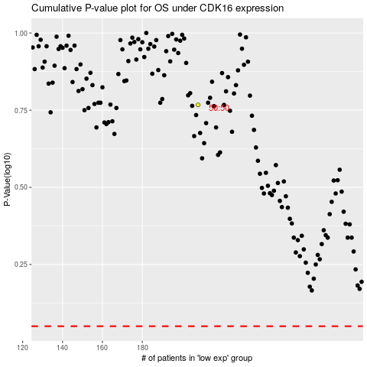

 |  |  |  |  |  | cases_OS | p_OS | rank | exp
 |  |  |  |  |  |  | cases_RFS | p_RFS | rank | exp

