CDK17 _multivariate
Reported by Tex Li-Hsing Chi. tex@gate.sinica.edu.tw 2019-08-21

Table 2. The clinicopathological features of HNSCC cohort and CDK17 expression. (Chi square test)
Cutoff at -0.033 (50.0%)
 |  | CDK17 expression |  | CDK17 expression |  | (Optimised)
 | Features | Low | (%) | High | (%) | Case no | P-value | Remark | Matthews
Gender | Female | 162 | 39 | 144 | 34.7 | 415 | 0.0479 | 1 | 0
2 | Male | 45 | 10.8 | 64 | 15.4
Age at diagnosis | <=65y | 141 | 34 | 133 | 32 | 415 | 0.4272 | 0 | 0
4 | >65y | 66 | 15.9 | 75 | 18.1
Clinical T Status | T1+T2 | 65 | 15.7 | 84 | 20.2 | 415 | 0.0711 | 0 | 0
6 | T3+T4 | 142 | 34.2 | 124 | 29.9
Clinical N Status | N0 | 100 | 24.1 | 116 | 28 | 415 | 0.1548 | 0 | 0
8 | N1-3 | 107 | 25.8 | 92 | 22.2
Clinical M Status | M0 | 205 | 49.4 | 207 | 49.9 | 415 | 0.6232 | 0 | 0
10 | M1 | 2 | 0.5 | 1 | 0.2
Clinical Stage | Stage I+II | 40 | 9.6 | 62 | 14.9 | 415 | 0.018 | 1 | 0
12 | Stage III+IV | 167 | 40.2 | 146 | 35.2
Surgical Margin status | Negative | 156 | 37.6 | 162 | 39 | 415 | 0.5636 | 0 | 0
14 | Positive | 51 | 12.3 | 46 | 11.1
Tobacco Exposure | Low | 70 | 16.9 | 91 | 21.9 | 415 | 0.0439 | 1 | 0
16 | High | 137 | 33 | 117 | 28.2

Table 3. Univariate/Multivariate Cox's proportional hazards regression analyses on OS time of CDK17 gene expression in HNSCC

 |  | Univariate |  |  |  | Multivariate
 | Features | HR | CI95%(L) | CI95%(H) | P-value | HR | CI95%(L) | CI95%(H) | P-value
1 | Female | 1 |  |  |  | 1
Gender | Male | 1.157 | 0.843 | 1.587 | 0.367 | 1.21 | 0.865 | 1.691 | 0.266
11 | <=65y | 1 |  |  |  | 1
Age at diagnosis | >65y | 1.329 | 0.99 | 1.784 | 0.058 | 1.398 | 1.029 | 1.899 | 0.032
12 | T1+T2 | 1 |  |  |  | 1
Clinical T Status | T3+T4 | 1.409 | 1.028 | 1.931 | 0.033 | 2.192 | 1.159 | 4.145 | 0.016
13 | N0 | 1 |  |  |  | 1
Clinical N Status | N1-3 | 1.185 | 0.89 | 1.577 | 0.246 | 1.226 | 0.858 | 1.751 | 0.263
14 | M0 | 1 |  |  |  | 1
Clinical M Status | M1 | 4.097 | 1.009 | 16.644 | 0.049 | 8.993 | 1.958 | 41.316 | 0.005
15 | Stage I+II | 1 |  |  |  | 1
Clinical Stage | Stage III+IV | 1.245 | 0.882 | 1.759 | 0.213 | 0.495 | 0.231 | 1.063 | 0.071
16 | Negative | 1 |  |  |  | 1
Surgical Margin status | Positive | 1.591 | 1.155 | 2.191 | 0.004 | 1.666 | 1.205 | 2.303 | 0.002
17 | Low | 1 |  |  |  | 1
Tobacco Exposure | High | 1.364 | 1.008 | 1.844 | 0.044 | 1.431 | 1.038 | 1.974 | 0.029
18 | Low | 1 |  |  |  | 1
RNAseq(z-score) | High | 0.78 | 0.585 | 1.039 | 0.09 | 0.835 | 0.622 | 1.119 | 0.227

Table 4. Univariate/Multivariate Cox's proportional hazards regression analyses on RFS time of CDK17 gene expression in HNSCC

 |  | Univariate |  |  |  | Multivariate
 | Features | HR | CI95%(L) | CI95%(H) | P-value | HR | CI95%(L) | CI95%(H) | P-value
1 | Female | 1 |  |  |  | 1
Gender | Male | 1.157 | 0.843 | 1.587 | 0.367 | 1.21 | 0.865 | 1.691 | 0.266
11 | <=65y | 1 |  |  |  | 1
Age at diagnosis | >65y | 1.329 | 0.99 | 1.784 | 0.058 | 1.398 | 1.029 | 1.899 | 0.032
12 | T1+T2 | 1 |  |  |  | 1
Clinical T Status | T3+T4 | 1.409 | 1.028 | 1.931 | 0.033 | 2.192 | 1.159 | 4.145 | 0.016
13 | N0 | 1 |  |  |  | 1
Clinical N Status | N1-3 | 1.185 | 0.89 | 1.577 | 0.246 | 1.226 | 0.858 | 1.751 | 0.263
14 | M0 | 1 |  |  |  | 1
Clinical M Status | M1 | 4.097 | 1.009 | 16.644 | 0.049 | 8.993 | 1.958 | 41.316 | 0.005
15 | Stage I+II | 1 |  |  |  | 1
Clinical Stage | Stage III+IV | 1.245 | 0.882 | 1.759 | 0.213 | 0.495 | 0.231 | 1.063 | 0.071
16 | Negative | 1 |  |  |  | 1
Surgical Margin status | Positive | 1.591 | 1.155 | 2.191 | 0.004 | 1.666 | 1.205 | 2.303 | 0.002
17 | Low | 1 |  |  |  | 1
Tobacco Exposure | High | 1.364 | 1.008 | 1.844 | 0.044 | 1.431 | 1.038 | 1.974 | 0.029
18 | Low | 1 |  |  |  | 1
RNAseq(z-score) | High | 0.78 | 0.585 | 1.039 | 0.09 | 0.835 | 0.622 | 1.119 | 0.227

Kaplan-Meier survival estimate: Cutoff at -0.033 (50.0%)



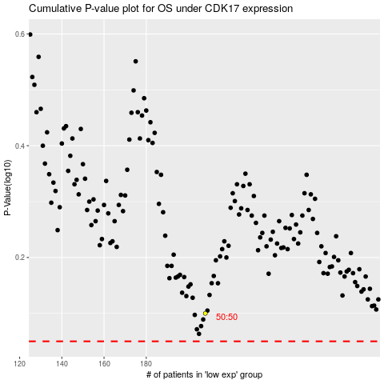

 |  |  |  |  |  | cases_OS | p_OS | rank | exp
 |  |  |  |  |  |  | cases_RFS | p_RFS | rank | exp

