CDK18 _multivariate
Reported by Tex Li-Hsing Chi. tex@gate.sinica.edu.tw 2019-08-21

Table 2. The clinicopathological features of HNSCC cohort and CDK18 expression. (Chi square test)
Cutoff at -0.157 (50.0%)
 |  | CDK18 expression |  | CDK18 expression |  | (Optimised)
 | Features | Low | (%) | High | (%) | Case no | P-value | Remark | Matthews
Gender | Female | 158 | 38.1 | 148 | 35.7 | 415 | 0.2774 | 0 | 0
2 | Male | 49 | 11.8 | 60 | 14.5
Age at diagnosis | <=65y | 131 | 31.6 | 143 | 34.5 | 415 | 0.2839 | 0 | 0
4 | >65y | 76 | 18.3 | 65 | 15.7
Clinical T Status | T1+T2 | 73 | 17.6 | 76 | 18.3 | 415 | 0.8666 | 0 | 0
6 | T3+T4 | 134 | 32.3 | 132 | 31.8
Clinical N Status | N0 | 114 | 27.5 | 102 | 24.6 | 415 | 0.2576 | 1 | 0
8 | N1-3 | 93 | 22.4 | 106 | 25.5
Clinical M Status | M0 | 206 | 49.6 | 206 | 49.6 | 415 | 1 | 0 | 0
10 | M1 | 1 | 0.2 | 2 | 0.5
Clinical Stage | Stage I+II | 49 | 11.8 | 53 | 12.8 | 415 | 0.7535 | 0 | 0
12 | Stage III+IV | 158 | 38.1 | 155 | 37.3
Surgical Margin status | Negative | 160 | 38.6 | 158 | 38.1 | 415 | 0.8167 | 0 | 0
14 | Positive | 47 | 11.3 | 50 | 12
Tobacco Exposure | Low | 77 | 18.6 | 84 | 20.2 | 415 | 0.5459 | 0 | 0
16 | High | 130 | 31.3 | 124 | 29.9

Table 3. Univariate/Multivariate Cox's proportional hazards regression analyses on OS time of CDK18 gene expression in HNSCC

 |  | Univariate |  |  |  | Multivariate
 | Features | HR | CI95%(L) | CI95%(H) | P-value | HR | CI95%(L) | CI95%(H) | P-value
1 | Female | 1 |  |  |  | 1
Gender | Male | 1.157 | 0.843 | 1.587 | 0.367 | 1.209 | 0.866 | 1.687 | 0.265
11 | <=65y | 1 |  |  |  | 1
Age at diagnosis | >65y | 1.329 | 0.99 | 1.784 | 0.058 | 1.4 | 1.03 | 1.903 | 0.031
12 | T1+T2 | 1 |  |  |  | 1
Clinical T Status | T3+T4 | 1.409 | 1.028 | 1.931 | 0.033 | 2.196 | 1.161 | 4.151 | 0.016
13 | N0 | 1 |  |  |  | 1
Clinical N Status | N1-3 | 1.185 | 0.89 | 1.577 | 0.246 | 1.205 | 0.842 | 1.723 | 0.308
14 | M0 | 1 |  |  |  | 1
Clinical M Status | M1 | 4.097 | 1.009 | 16.644 | 0.049 | 9.368 | 2.043 | 42.964 | 0.004
15 | Stage I+II | 1 |  |  |  | 1
Clinical Stage | Stage III+IV | 1.245 | 0.882 | 1.759 | 0.213 | 0.514 | 0.239 | 1.103 | 0.087
16 | Negative | 1 |  |  |  | 1
Surgical Margin status | Positive | 1.591 | 1.155 | 2.191 | 0.004 | 1.66 | 1.201 | 2.295 | 0.002
17 | Low | 1 |  |  |  | 1
Tobacco Exposure | High | 1.364 | 1.008 | 1.844 | 0.044 | 1.458 | 1.058 | 2.009 | 0.021
18 | Low | 1 |  |  |  | 1
RNAseq(z-score) | High | 1.198 | 0.897 | 1.599 | 0.222 | 1.193 | 0.889 | 1.6 | 0.241

Table 4. Univariate/Multivariate Cox's proportional hazards regression analyses on RFS time of CDK18 gene expression in HNSCC

 |  | Univariate |  |  |  | Multivariate
 | Features | HR | CI95%(L) | CI95%(H) | P-value | HR | CI95%(L) | CI95%(H) | P-value
1 | Female | 1 |  |  |  | 1
Gender | Male | 1.157 | 0.843 | 1.587 | 0.367 | 1.209 | 0.866 | 1.687 | 0.265
11 | <=65y | 1 |  |  |  | 1
Age at diagnosis | >65y | 1.329 | 0.99 | 1.784 | 0.058 | 1.4 | 1.03 | 1.903 | 0.031
12 | T1+T2 | 1 |  |  |  | 1
Clinical T Status | T3+T4 | 1.409 | 1.028 | 1.931 | 0.033 | 2.196 | 1.161 | 4.151 | 0.016
13 | N0 | 1 |  |  |  | 1
Clinical N Status | N1-3 | 1.185 | 0.89 | 1.577 | 0.246 | 1.205 | 0.842 | 1.723 | 0.308
14 | M0 | 1 |  |  |  | 1
Clinical M Status | M1 | 4.097 | 1.009 | 16.644 | 0.049 | 9.368 | 2.043 | 42.964 | 0.004
15 | Stage I+II | 1 |  |  |  | 1
Clinical Stage | Stage III+IV | 1.245 | 0.882 | 1.759 | 0.213 | 0.514 | 0.239 | 1.103 | 0.087
16 | Negative | 1 |  |  |  | 1
Surgical Margin status | Positive | 1.591 | 1.155 | 2.191 | 0.004 | 1.66 | 1.201 | 2.295 | 0.002
17 | Low | 1 |  |  |  | 1
Tobacco Exposure | High | 1.364 | 1.008 | 1.844 | 0.044 | 1.458 | 1.058 | 2.009 | 0.021
18 | Low | 1 |  |  |  | 1
RNAseq(z-score) | High | 1.198 | 0.897 | 1.599 | 0.222 | 1.193 | 0.889 | 1.6 | 0.241

Kaplan-Meier survival estimate: Cutoff at -0.157 (50.0%)



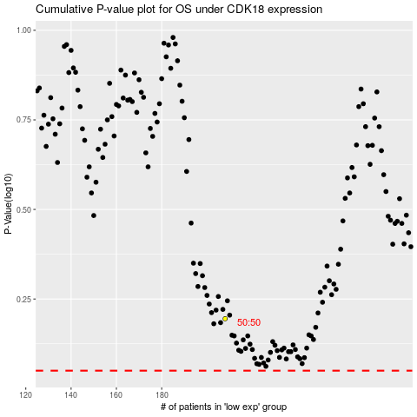

 |  |  |  |  |  | cases_OS | p_OS | rank | exp
 |  |  |  |  |  |  | cases_RFS | p_RFS | rank | exp

