CDK2AP1 _multivariate
Reported by Tex Li-Hsing Chi. tex@gate.sinica.edu.tw 2019-08-21

Table 2. The clinicopathological features of HNSCC cohort and CDK2AP1 expression. (Chi square test)
Cutoff at -0.179 (49.8%)
 |  | CDK2AP1 expression |  | CDK2AP1 expression |  | (Optimised)
 | Features | Low | (%) | High | (%) | Case no | P-value | Remark | Matthews
Gender | Female | 147 | 35.4 | 159 | 38.3 | 415 | 0.2523 | 0 | 0
2 | Male | 60 | 14.5 | 49 | 11.8
Age at diagnosis | <=65y | 136 | 32.8 | 138 | 33.3 | 415 | 0.9719 | 0 | 0
4 | >65y | 71 | 17.1 | 70 | 16.9
Clinical T Status | T1+T2 | 76 | 18.3 | 73 | 17.6 | 415 | 0.8092 | 0 | 0
6 | T3+T4 | 131 | 31.6 | 135 | 32.5
Clinical N Status | N0 | 111 | 26.7 | 105 | 25.3 | 415 | 0.5875 | 0 | 0
8 | N1-3 | 96 | 23.1 | 103 | 24.8
Clinical M Status | M0 | 207 | 49.9 | 205 | 49.4 | 415 | 0.2482 | 0 | 0
10 | M1 | 0 | 0 | 3 | 0.7
Clinical Stage | Stage I+II | 48 | 11.6 | 54 | 13 | 415 | 0.5878 | 0 | 0
12 | Stage III+IV | 159 | 38.3 | 154 | 37.1
Surgical Margin status | Negative | 160 | 38.6 | 158 | 38.1 | 415 | 0.8167 | 0 | 0
14 | Positive | 47 | 11.3 | 50 | 12
Tobacco Exposure | Low | 87 | 21 | 74 | 17.8 | 415 | 0.1911 | 0 | 0
16 | High | 120 | 28.9 | 134 | 32.3

Table 3. Univariate/Multivariate Cox's proportional hazards regression analyses on OS time of CDK2AP1 gene expression in HNSCC

 |  | Univariate |  |  |  | Multivariate
 | Features | HR | CI95%(L) | CI95%(H) | P-value | HR | CI95%(L) | CI95%(H) | P-value
1 | Female | 1 |  |  |  | 1
Gender | Male | 1.157 | 0.843 | 1.587 | 0.367 | 1.197 | 0.855 | 1.677 | 0.295
11 | <=65y | 1 |  |  |  | 1
Age at diagnosis | >65y | 1.329 | 0.99 | 1.784 | 0.058 | 1.392 | 1.024 | 1.892 | 0.035
12 | T1+T2 | 1 |  |  |  | 1
Clinical T Status | T3+T4 | 1.409 | 1.028 | 1.931 | 0.033 | 2.218 | 1.167 | 4.214 | 0.015
13 | N0 | 1 |  |  |  | 1
Clinical N Status | N1-3 | 1.185 | 0.89 | 1.577 | 0.246 | 1.243 | 0.871 | 1.775 | 0.231
14 | M0 | 1 |  |  |  | 1
Clinical M Status | M1 | 4.097 | 1.009 | 16.644 | 0.049 | 9.573 | 2.062 | 44.453 | 0.004
15 | Stage I+II | 1 |  |  |  | 1
Clinical Stage | Stage III+IV | 1.245 | 0.882 | 1.759 | 0.213 | 0.501 | 0.232 | 1.08 | 0.078
16 | Negative | 1 |  |  |  | 1
Surgical Margin status | Positive | 1.591 | 1.155 | 2.191 | 0.004 | 1.672 | 1.21 | 2.311 | 0.002
17 | Low | 1 |  |  |  | 1
Tobacco Exposure | High | 1.364 | 1.008 | 1.844 | 0.044 | 1.455 | 1.056 | 2.006 | 0.022
18 | Low | 1 |  |  |  | 1
RNAseq(z-score) | High | 1.049 | 0.787 | 1.398 | 0.744 | 0.974 | 0.726 | 1.308 | 0.862

Table 4. Univariate/Multivariate Cox's proportional hazards regression analyses on RFS time of CDK2AP1 gene expression in HNSCC

 |  | Univariate |  |  |  | Multivariate
 | Features | HR | CI95%(L) | CI95%(H) | P-value | HR | CI95%(L) | CI95%(H) | P-value
1 | Female | 1 |  |  |  | 1
Gender | Male | 1.157 | 0.843 | 1.587 | 0.367 | 1.197 | 0.855 | 1.677 | 0.295
11 | <=65y | 1 |  |  |  | 1
Age at diagnosis | >65y | 1.329 | 0.99 | 1.784 | 0.058 | 1.392 | 1.024 | 1.892 | 0.035
12 | T1+T2 | 1 |  |  |  | 1
Clinical T Status | T3+T4 | 1.409 | 1.028 | 1.931 | 0.033 | 2.218 | 1.167 | 4.214 | 0.015
13 | N0 | 1 |  |  |  | 1
Clinical N Status | N1-3 | 1.185 | 0.89 | 1.577 | 0.246 | 1.243 | 0.871 | 1.775 | 0.231
14 | M0 | 1 |  |  |  | 1
Clinical M Status | M1 | 4.097 | 1.009 | 16.644 | 0.049 | 9.573 | 2.062 | 44.453 | 0.004
15 | Stage I+II | 1 |  |  |  | 1
Clinical Stage | Stage III+IV | 1.245 | 0.882 | 1.759 | 0.213 | 0.501 | 0.232 | 1.08 | 0.078
16 | Negative | 1 |  |  |  | 1
Surgical Margin status | Positive | 1.591 | 1.155 | 2.191 | 0.004 | 1.672 | 1.21 | 2.311 | 0.002
17 | Low | 1 |  |  |  | 1
Tobacco Exposure | High | 1.364 | 1.008 | 1.844 | 0.044 | 1.455 | 1.056 | 2.006 | 0.022
18 | Low | 1 |  |  |  | 1
RNAseq(z-score) | High | 1.049 | 0.787 | 1.398 | 0.744 | 0.974 | 0.726 | 1.308 | 0.862

Kaplan-Meier survival estimate: Cutoff at -0.179 (49.8%)



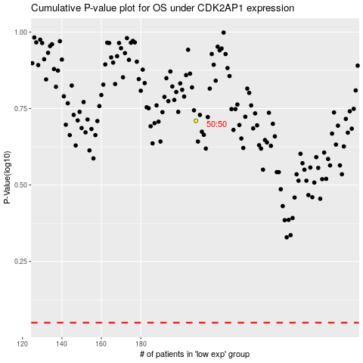

 |  |  |  |  |  | cases_OS | p_OS | rank | exp
 |  |  |  |  |  |  | cases_RFS | p_RFS | rank | exp

