CDK2AP2 _multivariate
Reported by Tex Li-Hsing Chi. tex@gate.sinica.edu.tw 2019-08-21

Table 2. The clinicopathological features of HNSCC cohort and CDK2AP2 expression. (Chi square test)
Cutoff at -0.269 (49.5%)
 |  | CDK2AP2 expression |  | CDK2AP2 expression |  | (Optimised)
 | Features | Low | (%) | High | (%) | Case no | P-value | Remark | Matthews
Gender | Female | 147 | 35.4 | 159 | 38.3 | 415 | 0.3269 | 0 | 0
2 | Male | 59 | 14.2 | 50 | 12
Age at diagnosis | <=65y | 127 | 30.6 | 147 | 35.4 | 415 | 0.0777 | 0 | 0
4 | >65y | 79 | 19 | 62 | 14.9
Clinical T Status | T1+T2 | 71 | 17.1 | 78 | 18.8 | 415 | 0.6144 | 0 | 0
6 | T3+T4 | 135 | 32.5 | 131 | 31.6
Clinical N Status | N0 | 108 | 26 | 108 | 26 | 415 | 0.956 | 0 | 0
8 | N1-3 | 98 | 23.6 | 101 | 24.3
Clinical M Status | M0 | 205 | 49.4 | 207 | 49.9 | 415 | 1 | 0 | 0
10 | M1 | 1 | 0.2 | 2 | 0.5
Clinical Stage | Stage I+II | 49 | 11.8 | 53 | 12.8 | 415 | 0.7964 | 0 | 0
12 | Stage III+IV | 157 | 37.8 | 156 | 37.6
Surgical Margin status | Negative | 154 | 37.1 | 164 | 39.5 | 415 | 0.4172 | 0 | 0
14 | Positive | 52 | 12.5 | 45 | 10.8
Tobacco Exposure | Low | 89 | 21.4 | 72 | 17.3 | 415 | 0.0706 | 0 | 0
16 | High | 117 | 28.2 | 137 | 33

Table 3. Univariate/Multivariate Cox's proportional hazards regression analyses on OS time of CDK2AP2 gene expression in HNSCC

 |  | Univariate |  |  |  | Multivariate
 | Features | HR | CI95%(L) | CI95%(H) | P-value | HR | CI95%(L) | CI95%(H) | P-value
1 | Female | 1 |  |  |  | 1
Gender | Male | 1.157 | 0.843 | 1.587 | 0.367 | 1.182 | 0.845 | 1.654 | 0.329
11 | <=65y | 1 |  |  |  | 1
Age at diagnosis | >65y | 1.329 | 0.99 | 1.784 | 0.058 | 1.447 | 1.063 | 1.969 | 0.019
12 | T1+T2 | 1 |  |  |  | 1
Clinical T Status | T3+T4 | 1.409 | 1.028 | 1.931 | 0.033 | 2.237 | 1.184 | 4.227 | 0.013
13 | N0 | 1 |  |  |  | 1
Clinical N Status | N1-3 | 1.185 | 0.89 | 1.577 | 0.246 | 1.238 | 0.868 | 1.765 | 0.24
14 | M0 | 1 |  |  |  | 1
Clinical M Status | M1 | 4.097 | 1.009 | 16.644 | 0.049 | 8.694 | 1.892 | 39.939 | 0.005
15 | Stage I+II | 1 |  |  |  | 1
Clinical Stage | Stage III+IV | 1.245 | 0.882 | 1.759 | 0.213 | 0.506 | 0.236 | 1.087 | 0.081
16 | Negative | 1 |  |  |  | 1
Surgical Margin status | Positive | 1.591 | 1.155 | 2.191 | 0.004 | 1.653 | 1.196 | 2.283 | 0.002
17 | Low | 1 |  |  |  | 1
Tobacco Exposure | High | 1.364 | 1.008 | 1.844 | 0.044 | 1.406 | 1.018 | 1.943 | 0.039
18 | Low | 1 |  |  |  | 1
RNAseq(z-score) | High | 1.352 | 1.013 | 1.804 | 0.04 | 1.364 | 1.017 | 1.829 | 0.038

Table 4. Univariate/Multivariate Cox's proportional hazards regression analyses on RFS time of CDK2AP2 gene expression in HNSCC

 |  | Univariate |  |  |  | Multivariate
 | Features | HR | CI95%(L) | CI95%(H) | P-value | HR | CI95%(L) | CI95%(H) | P-value
1 | Female | 1 |  |  |  | 1
Gender | Male | 1.157 | 0.843 | 1.587 | 0.367 | 1.182 | 0.845 | 1.654 | 0.329
11 | <=65y | 1 |  |  |  | 1
Age at diagnosis | >65y | 1.329 | 0.99 | 1.784 | 0.058 | 1.447 | 1.063 | 1.969 | 0.019
12 | T1+T2 | 1 |  |  |  | 1
Clinical T Status | T3+T4 | 1.409 | 1.028 | 1.931 | 0.033 | 2.237 | 1.184 | 4.227 | 0.013
13 | N0 | 1 |  |  |  | 1
Clinical N Status | N1-3 | 1.185 | 0.89 | 1.577 | 0.246 | 1.238 | 0.868 | 1.765 | 0.24
14 | M0 | 1 |  |  |  | 1
Clinical M Status | M1 | 4.097 | 1.009 | 16.644 | 0.049 | 8.694 | 1.892 | 39.939 | 0.005
15 | Stage I+II | 1 |  |  |  | 1
Clinical Stage | Stage III+IV | 1.245 | 0.882 | 1.759 | 0.213 | 0.506 | 0.236 | 1.087 | 0.081
16 | Negative | 1 |  |  |  | 1
Surgical Margin status | Positive | 1.591 | 1.155 | 2.191 | 0.004 | 1.653 | 1.196 | 2.283 | 0.002
17 | Low | 1 |  |  |  | 1
Tobacco Exposure | High | 1.364 | 1.008 | 1.844 | 0.044 | 1.406 | 1.018 | 1.943 | 0.039
18 | Low | 1 |  |  |  | 1
RNAseq(z-score) | High | 1.352 | 1.013 | 1.804 | 0.04 | 1.364 | 1.017 | 1.829 | 0.038

Kaplan-Meier survival estimate: Cutoff at -0.269 (49.5%)



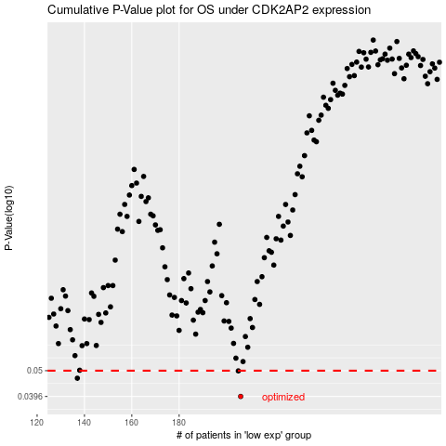

 |  |  |  |  |  | cases_OS | p_OS | rank | exp
 |  |  |  |  |  | 206 | 0.0396 | 78 | -0.26851867497
 |  |  |  |  |  | 137 | 0.0467 | 218 | -0.51070706706
 |  |  |  |  |  | 205 | 0.0499 | 105 | -0.27017915871
 |  |  |  |  |  |  | cases_RFS | p_RFS | rank | exp
 |  |  |  |  |  |  | 205 | 0.0396 | 105 | -0.27017915871
 |  |  |  |  |  |  | 136 | 0.0467 | 34 | -0.51867179505
 |  |  |  |  |  |  | 204 | 0.0499 | 29 | -0.28302911146

