CDK5R1 _multivariate
Reported by Tex Li-Hsing Chi. tex@gate.sinica.edu.tw 2019-08-21

Table 2. The clinicopathological features of HNSCC cohort and CDK5R1 expression. (Chi square test)
Cutoff at -0.27 (44.2%)
 |  | CDK5R1 expression |  | CDK5R1 expression |  | (Optimised)
 | Features | Low | (%) | High | (%) | Case no | P-value | Remark | Matthews
Gender | Female | 133 | 32 | 173 | 41.7 | 415 | 0.7472 | 0 | 0
2 | Male | 50 | 12 | 59 | 14.2
Age at diagnosis | <=65y | 125 | 30.1 | 149 | 35.9 | 415 | 0.4429 | 0 | 0
4 | >65y | 58 | 14 | 83 | 20
Clinical T Status | T1+T2 | 74 | 17.8 | 75 | 18.1 | 415 | 0.1081 | 0 | 0
6 | T3+T4 | 109 | 26.3 | 157 | 37.8
Clinical N Status | N0 | 84 | 20.2 | 132 | 31.8 | 415 | 0.0334 | 1 | 0
8 | N1-3 | 99 | 23.9 | 100 | 24.1
Clinical M Status | M0 | 182 | 43.9 | 230 | 55.4 | 415 | 1 | 0 | 0
10 | M1 | 1 | 0.2 | 2 | 0.5
Clinical Stage | Stage I+II | 44 | 10.6 | 58 | 14 | 415 | 0.9125 | 0 | 0
12 | Stage III+IV | 139 | 33.5 | 174 | 41.9
Surgical Margin status | Negative | 137 | 33 | 181 | 43.6 | 415 | 0.4842 | 0 | 0
14 | Positive | 46 | 11.1 | 51 | 12.3
Tobacco Exposure | Low | 68 | 16.4 | 93 | 22.4 | 415 | 0.6121 | 0 | 0
16 | High | 115 | 27.7 | 139 | 33.5

Table 3. Univariate/Multivariate Cox's proportional hazards regression analyses on OS time of CDK5R1 gene expression in HNSCC

 |  | Univariate |  |  |  | Multivariate
 | Features | HR | CI95%(L) | CI95%(H) | P-value | HR | CI95%(L) | CI95%(H) | P-value
1 | Female | 1 |  |  |  | 1
Gender | Male | 1.157 | 0.843 | 1.587 | 0.367 | 1.196 | 0.856 | 1.673 | 0.295
11 | <=65y | 1 |  |  |  | 1
Age at diagnosis | >65y | 1.329 | 0.99 | 1.784 | 0.058 | 1.368 | 1.005 | 1.86 | 0.046
12 | T1+T2 | 1 |  |  |  | 1
Clinical T Status | T3+T4 | 1.409 | 1.028 | 1.931 | 0.033 | 2.335 | 1.232 | 4.424 | 0.009
13 | N0 | 1 |  |  |  | 1
Clinical N Status | N1-3 | 1.185 | 0.89 | 1.577 | 0.246 | 1.172 | 0.819 | 1.679 | 0.385
14 | M0 | 1 |  |  |  | 1
Clinical M Status | M1 | 4.097 | 1.009 | 16.644 | 0.049 | 10.154 | 2.209 | 46.663 | 0.003
15 | Stage I+II | 1 |  |  |  | 1
Clinical Stage | Stage III+IV | 1.245 | 0.882 | 1.759 | 0.213 | 0.496 | 0.231 | 1.064 | 0.072
16 | Negative | 1 |  |  |  | 1
Surgical Margin status | Positive | 1.591 | 1.155 | 2.191 | 0.004 | 1.656 | 1.198 | 2.288 | 0.002
17 | Low | 1 |  |  |  | 1
Tobacco Exposure | High | 1.364 | 1.008 | 1.844 | 0.044 | 1.472 | 1.067 | 2.03 | 0.019
18 | Low | 1 |  |  |  | 1
RNAseq(z-score) | High | 0.718 | 0.539 | 0.957 | 0.024 | 0.71 | 0.53 | 0.952 | 0.022

Table 4. Univariate/Multivariate Cox's proportional hazards regression analyses on RFS time of CDK5R1 gene expression in HNSCC

 |  | Univariate |  |  |  | Multivariate
 | Features | HR | CI95%(L) | CI95%(H) | P-value | HR | CI95%(L) | CI95%(H) | P-value
1 | Female | 1 |  |  |  | 1
Gender | Male | 1.157 | 0.843 | 1.587 | 0.367 | 1.196 | 0.856 | 1.673 | 0.295
11 | <=65y | 1 |  |  |  | 1
Age at diagnosis | >65y | 1.329 | 0.99 | 1.784 | 0.058 | 1.368 | 1.005 | 1.86 | 0.046
12 | T1+T2 | 1 |  |  |  | 1
Clinical T Status | T3+T4 | 1.409 | 1.028 | 1.931 | 0.033 | 2.335 | 1.232 | 4.424 | 0.009
13 | N0 | 1 |  |  |  | 1
Clinical N Status | N1-3 | 1.185 | 0.89 | 1.577 | 0.246 | 1.172 | 0.819 | 1.679 | 0.385
14 | M0 | 1 |  |  |  | 1
Clinical M Status | M1 | 4.097 | 1.009 | 16.644 | 0.049 | 10.154 | 2.209 | 46.663 | 0.003
15 | Stage I+II | 1 |  |  |  | 1
Clinical Stage | Stage III+IV | 1.245 | 0.882 | 1.759 | 0.213 | 0.496 | 0.231 | 1.064 | 0.072
16 | Negative | 1 |  |  |  | 1
Surgical Margin status | Positive | 1.591 | 1.155 | 2.191 | 0.004 | 1.656 | 1.198 | 2.288 | 0.002
17 | Low | 1 |  |  |  | 1
Tobacco Exposure | High | 1.364 | 1.008 | 1.844 | 0.044 | 1.472 | 1.067 | 2.03 | 0.019
18 | Low | 1 |  |  |  | 1
RNAseq(z-score) | High | 0.718 | 0.539 | 0.957 | 0.024 | 0.71 | 0.53 | 0.952 | 0.022

Kaplan-Meier survival estimate: Cutoff at -0.27 (44.2%)

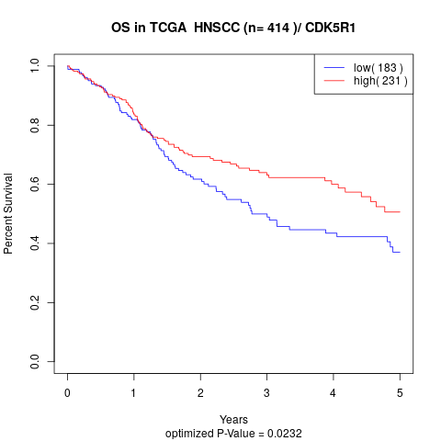

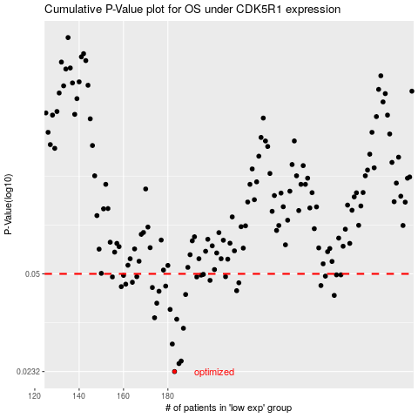

 |  |  |  |  |  | cases_OS | p_OS | rank | exp
 |  |  |  |  |  | 183 | 0.0232 | 272 | -0.270066723
 |  |  |  |  |  | 185 | 0.0247 | 259 | -0.25791484292
 |  |  |  |  |  | 186 | 0.0252 | 399 | -0.25482365106
 |  |  |  |  |  | 182 | 0.0288 | 248 | -0.27570319239
 |  |  |  |  |  | 187 | 0.0326 | 406 | -0.25112791674
 |  |  |  |  |  | 184 | 0.035 | 224 | -0.26342252266
 |  |  |  |  |  | 174 | 0.0354 | 8 | -0.29600005667
 |  |  |  |  |  | 181 | 0.0378 | 385 | -0.27849860056
 |  |  |  |  |  | 175 | 0.0397 | 348 | -0.29552334275
 |  |  |  |  |  | 255 | 0.0422 | 334 | 0.16279168401
 |  |  |  |  |  | 188 | 0.0425 | 152 | -0.24898678882
 |  |  |  |  |  | 176 | 0.0436 | 232 | -0.29338437734
 |  |  |  |  |  | 211 | 0.0438 | 144 | -0.11665013805
 |  |  |  |  |  | 173 | 0.0449 | 325 | -0.29682109069
 |  |  |  |  |  | 159 | 0.0452 | 343 | -0.35776070048
 |  |  |  |  |  | 179 | 0.0454 | 337 | -0.28982920635
 |  |  |  |  |  | 249 | 0.0456 | 234 | 0.10994804147
 |  |  |  |  |  | 161 | 0.0461 | 336 | -0.35121693684
 |  |  |  |  |  | 212 | 0.0466 | 182 | -0.10006126233
 |  |  |  |  |  | 164 | 0.0468 | 50 | -0.33964364907
 |  |  |  |  |  | 199 | 0.0475 | 321 | -0.17945407413
 |  |  |  |  |  | 193 | 0.0488 | 96 | -0.21318687051
 |  |  |  |  |  | 155 | 0.0488 | 164 | -0.37121465352
 |  |  |  |  |  | 206 | 0.0489 | 330 | -0.13927939249
 |  |  |  |  |  | 166 | 0.0489 | 360 | -0.33049261588
 |  |  |  |  |  | 251 | 0.0491 | 328 | 0.1335002083
 |  |  |  |  |  | 160 | 0.0494 | 243 | -0.353096641
 |  |  |  |  |  | 195 | 0.0495 | 358 | -0.19884748863
 |  |  |  |  |  | 258 | 0.0496 | 44 | 0.16899977761
 |  |  |  |  |  | 256 | 0.0496 | 120 | 0.16419899927
 |  |  |  |  |  | 196 | 0.0498 | 168 | -0.19466062363
 |  |  |  |  |  |  | cases_RFS | p_RFS | rank | exp
 |  |  |  |  |  |  | 182 | 0.0232 | 248 | -0.27570319239
 |  |  |  |  |  |  | 184 | 0.0247 | 224 | -0.26342252266
 |  |  |  |  |  |  | 185 | 0.0252 | 259 | -0.25791484292
 |  |  |  |  |  |  | 181 | 0.0288 | 385 | -0.27849860056
 |  |  |  |  |  |  | 186 | 0.0326 | 399 | -0.25482365106
 |  |  |  |  |  |  | 183 | 0.035 | 272 | -0.270066723
 |  |  |  |  |  |  | 173 | 0.0354 | 325 | -0.29682109069
 |  |  |  |  |  |  | 180 | 0.0378 | 370 | -0.28748888698
 |  |  |  |  |  |  | 174 | 0.0397 | 8 | -0.29600005667
 |  |  |  |  |  |  | 254 | 0.0422 | 409 | 0.16124981241
 |  |  |  |  |  |  | 187 | 0.0425 | 406 | -0.25112791674
 |  |  |  |  |  |  | 175 | 0.0436 | 348 | -0.29552334275
 |  |  |  |  |  |  | 210 | 0.0438 | 264 | -0.11688609223
 |  |  |  |  |  |  | 172 | 0.0449 | 191 | -0.29766302899
 |  |  |  |  |  |  | 158 | 0.0452 | 261 | -0.3631311808
 |  |  |  |  |  |  | 178 | 0.0454 | 275 | -0.29033643573
 |  |  |  |  |  |  | 248 | 0.0456 | 199 | 0.10165432444
 |  |  |  |  |  |  | 160 | 0.0461 | 243 | -0.353096641
 |  |  |  |  |  |  | 211 | 0.0466 | 144 | -0.11665013805
 |  |  |  |  |  |  | 163 | 0.0468 | 56 | -0.34227975213
 |  |  |  |  |  |  | 198 | 0.0475 | 394 | -0.17960593058
 |  |  |  |  |  |  | 192 | 0.0488 | 201 | -0.23333476169
 |  |  |  |  |  |  | 154 | 0.0488 | 227 | -0.37255613228
 |  |  |  |  |  |  | 165 | 0.0489 | 180 | -0.33933320835
 |  |  |  |  |  |  | 205 | 0.0489 | 296 | -0.15064700127
 |  |  |  |  |  |  | 250 | 0.0491 | 254 | 0.11365939393
 |  |  |  |  |  |  | 159 | 0.0494 | 343 | -0.35776070048
 |  |  |  |  |  |  | 194 | 0.0495 | 55 | -0.20233442033
 |  |  |  |  |  |  | 257 | 0.0496 | 80 | 0.16773422708
 |  |  |  |  |  |  | 255 | 0.0496 | 334 | 0.16279168401
 |  |  |  |  |  |  | 195 | 0.0498 | 358 | -0.19884748863

