CDK5RAP2 _multivariate
Reported by Tex Li-Hsing Chi. tex@gate.sinica.edu.tw 2019-08-21

Table 2. The clinicopathological features of HNSCC cohort and CDK5RAP2 expression. (Chi square test)
Cutoff at -0.242 (48.3%)
 |  | CDK5RAP2 expression |  | CDK5RAP2 expression |  | (Optimised)
 | Features | Low | (%) | High | (%) | Case no | P-value | Remark | Matthews
Gender | Female | 145 | 34.9 | 161 | 38.8 | 415 | 0.5457 | 0 | 0
2 | Male | 56 | 13.5 | 53 | 12.8
Age at diagnosis | <=65y | 129 | 31.1 | 145 | 34.9 | 415 | 0.5058 | 0 | 0
4 | >65y | 72 | 17.3 | 69 | 16.6
Clinical T Status | T1+T2 | 65 | 15.7 | 84 | 20.2 | 415 | 0.1723 | 0 | 0
6 | T3+T4 | 136 | 32.8 | 130 | 31.3
Clinical N Status | N0 | 105 | 25.3 | 111 | 26.7 | 415 | 1 | 0 | 0
8 | N1-3 | 96 | 23.1 | 103 | 24.8
Clinical M Status | M0 | 199 | 48 | 213 | 51.3 | 415 | 0.6126 | 0 | 0
10 | M1 | 2 | 0.5 | 1 | 0.2
Clinical Stage | Stage I+II | 48 | 11.6 | 54 | 13 | 415 | 0.8369 | 0 | 0
12 | Stage III+IV | 153 | 36.9 | 160 | 38.6
Surgical Margin status | Negative | 159 | 38.3 | 159 | 38.3 | 415 | 0.2963 | 0 | 0
14 | Positive | 42 | 10.1 | 55 | 13.3
Tobacco Exposure | Low | 85 | 20.5 | 76 | 18.3 | 415 | 0.1601 | 0 | 0
16 | High | 116 | 28 | 138 | 33.3

Table 3. Univariate/Multivariate Cox's proportional hazards regression analyses on OS time of CDK5RAP2 gene expression in HNSCC

 |  | Univariate |  |  |  | Multivariate
 | Features | HR | CI95%(L) | CI95%(H) | P-value | HR | CI95%(L) | CI95%(H) | P-value
1 | Female | 1 |  |  |  | 1
Gender | Male | 1.157 | 0.843 | 1.587 | 0.367 | 1.28 | 0.913 | 1.796 | 0.153
11 | <=65y | 1 |  |  |  | 1
Age at diagnosis | >65y | 1.329 | 0.99 | 1.784 | 0.058 | 1.351 | 0.991 | 1.84 | 0.057
12 | T1+T2 | 1 |  |  |  | 1
Clinical T Status | T3+T4 | 1.409 | 1.028 | 1.931 | 0.033 | 2.327 | 1.23 | 4.402 | 0.009
13 | N0 | 1 |  |  |  | 1
Clinical N Status | N1-3 | 1.185 | 0.89 | 1.577 | 0.246 | 1.243 | 0.871 | 1.775 | 0.231
14 | M0 | 1 |  |  |  | 1
Clinical M Status | M1 | 4.097 | 1.009 | 16.644 | 0.049 | 11.435 | 2.475 | 52.831 | 0.002
15 | Stage I+II | 1 |  |  |  | 1
Clinical Stage | Stage III+IV | 1.245 | 0.882 | 1.759 | 0.213 | 0.48 | 0.224 | 1.029 | 0.059
16 | Negative | 1 |  |  |  | 1
Surgical Margin status | Positive | 1.591 | 1.155 | 2.191 | 0.004 | 1.604 | 1.159 | 2.22 | 0.004
17 | Low | 1 |  |  |  | 1
Tobacco Exposure | High | 1.364 | 1.008 | 1.844 | 0.044 | 1.456 | 1.055 | 2.01 | 0.022
18 | Low | 1 |  |  |  | 1
RNAseq(z-score) | High | 1.477 | 1.105 | 1.976 | 0.009 | 1.509 | 1.121 | 2.03 | 0.007

Table 4. Univariate/Multivariate Cox's proportional hazards regression analyses on RFS time of CDK5RAP2 gene expression in HNSCC

 |  | Univariate |  |  |  | Multivariate
 | Features | HR | CI95%(L) | CI95%(H) | P-value | HR | CI95%(L) | CI95%(H) | P-value
1 | Female | 1 |  |  |  | 1
Gender | Male | 1.157 | 0.843 | 1.587 | 0.367 | 1.28 | 0.913 | 1.796 | 0.153
11 | <=65y | 1 |  |  |  | 1
Age at diagnosis | >65y | 1.329 | 0.99 | 1.784 | 0.058 | 1.351 | 0.991 | 1.84 | 0.057
12 | T1+T2 | 1 |  |  |  | 1
Clinical T Status | T3+T4 | 1.409 | 1.028 | 1.931 | 0.033 | 2.327 | 1.23 | 4.402 | 0.009
13 | N0 | 1 |  |  |  | 1
Clinical N Status | N1-3 | 1.185 | 0.89 | 1.577 | 0.246 | 1.243 | 0.871 | 1.775 | 0.231
14 | M0 | 1 |  |  |  | 1
Clinical M Status | M1 | 4.097 | 1.009 | 16.644 | 0.049 | 11.435 | 2.475 | 52.831 | 0.002
15 | Stage I+II | 1 |  |  |  | 1
Clinical Stage | Stage III+IV | 1.245 | 0.882 | 1.759 | 0.213 | 0.48 | 0.224 | 1.029 | 0.059
16 | Negative | 1 |  |  |  | 1
Surgical Margin status | Positive | 1.591 | 1.155 | 2.191 | 0.004 | 1.604 | 1.159 | 2.22 | 0.004
17 | Low | 1 |  |  |  | 1
Tobacco Exposure | High | 1.364 | 1.008 | 1.844 | 0.044 | 1.456 | 1.055 | 2.01 | 0.022
18 | Low | 1 |  |  |  | 1
RNAseq(z-score) | High | 1.477 | 1.105 | 1.976 | 0.009 | 1.509 | 1.121 | 2.03 | 0.007

Kaplan-Meier survival estimate: Cutoff at -0.242 (48.3%)

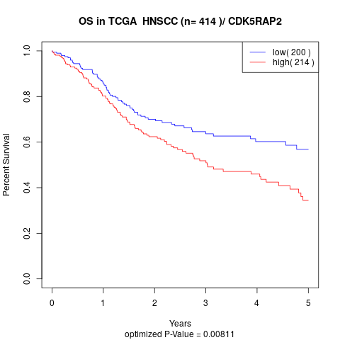

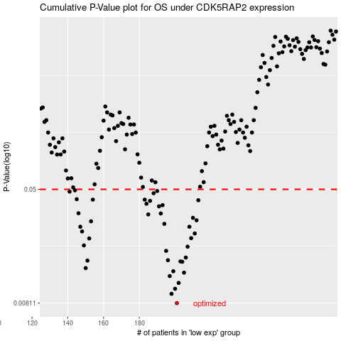

 |  |  |  |  |  | cases_OS | p_OS | rank | exp
 |  |  |  |  |  | 201 | 0.00811 | 186 | -0.24172773494
 |  |  |  |  |  | 198 | 0.00941 | 379 | -0.25008418475
 |  |  |  |  |  | 200 | 0.0102 | 160 | -0.24549283777
 |  |  |  |  |  | 202 | 0.0112 | 229 | -0.23353824766
 |  |  |  |  |  | 197 | 0.0125 | 44 | -0.25031308498
 |  |  |  |  |  | 205 | 0.0132 | 375 | -0.21605406442
 |  |  |  |  |  | 199 | 0.0135 | 49 | -0.24724765795
 |  |  |  |  |  | 150 | 0.0142 | 254 | -0.40231924251
 |  |  |  |  |  | 204 | 0.0157 | 162 | -0.22309758166
 |  |  |  |  |  | 203 | 0.0158 | 358 | -0.2269882736
 |  |  |  |  |  | 151 | 0.016 | 148 | -0.39798421482
 |  |  |  |  |  | 196 | 0.0161 | 75 | -0.25454443433
 |  |  |  |  |  | 206 | 0.0168 | 244 | -0.21209984349
 |  |  |  |  |  | 195 | 0.0187 | 294 | -0.26968183934
 |  |  |  |  |  | 207 | 0.02 | 80 | -0.20946100326
 |  |  |  |  |  | 149 | 0.0204 | 35 | -0.4028804765
 |  |  |  |  |  | 152 | 0.0228 | 258 | -0.39753608447
 |  |  |  |  |  | 209 | 0.0229 | 159 | -0.20312462861
 |  |  |  |  |  | 211 | 0.0247 | 405 | -0.20113809284
 |  |  |  |  |  | 148 | 0.0255 | 34 | -0.40316923354
 |  |  |  |  |  | 208 | 0.0275 | 134 | -0.20823338805
 |  |  |  |  |  | 147 | 0.0275 | 146 | -0.40447665781
 |  |  |  |  |  | 194 | 0.0288 | 232 | -0.27270185355
 |  |  |  |  |  | 153 | 0.03 | 201 | -0.39656074915
 |  |  |  |  |  | 212 | 0.0305 | 214 | -0.19106378962
 |  |  |  |  |  | 210 | 0.0317 | 166 | -0.2028380749
 |  |  |  |  |  | 185 | 0.0335 | 107 | -0.2976612819
 |  |  |  |  |  | 192 | 0.034 | 366 | -0.28247503667
 |  |  |  |  |  | 146 | 0.0341 | 42 | -0.40964968068
 |  |  |  |  |  | 191 | 0.0381 | 312 | -0.28341328282
 |  |  |  |  |  | 193 | 0.0388 | 190 | -0.27505450728
 |  |  |  |  |  | 184 | 0.0397 | 136 | -0.29886062119
 |  |  |  |  |  | 186 | 0.0416 | 124 | -0.29752381935
 |  |  |  |  |  | 213 | 0.042 | 161 | -0.18916183677
 |  |  |  |  |  | 154 | 0.0424 | 176 | -0.39346753583
 |  |  |  |  |  | 183 | 0.0424 | 313 | -0.29964708322
 |  |  |  |  |  | 145 | 0.0427 | 151 | -0.41001592106
 |  |  |  |  |  | 188 | 0.047 | 267 | -0.29395505662
 |  |  |  |  |  | 141 | 0.0482 | 265 | -0.41623527505
 |  |  |  |  |  | 190 | 0.0487 | 397 | -0.28853575178
 |  |  |  |  |  | 144 | 0.0492 | 341 | -0.4101663587
 |  |  |  |  |  |  | cases_RFS | p_RFS | rank | exp
 |  |  |  |  |  |  | 200 | 0.00811 | 160 | -0.24549283777
 |  |  |  |  |  |  | 197 | 0.00941 | 44 | -0.25031308498
 |  |  |  |  |  |  | 199 | 0.0102 | 49 | -0.24724765795
 |  |  |  |  |  |  | 201 | 0.0112 | 186 | -0.24172773494
 |  |  |  |  |  |  | 196 | 0.0125 | 75 | -0.25454443433
 |  |  |  |  |  |  | 204 | 0.0132 | 162 | -0.22309758166
 |  |  |  |  |  |  | 198 | 0.0135 | 379 | -0.25008418475
 |  |  |  |  |  |  | 149 | 0.0142 | 35 | -0.4028804765
 |  |  |  |  |  |  | 203 | 0.0157 | 358 | -0.2269882736
 |  |  |  |  |  |  | 202 | 0.0158 | 229 | -0.23353824766
 |  |  |  |  |  |  | 150 | 0.016 | 254 | -0.40231924251
 |  |  |  |  |  |  | 195 | 0.0161 | 294 | -0.26968183934
 |  |  |  |  |  |  | 205 | 0.0168 | 375 | -0.21605406442
 |  |  |  |  |  |  | 194 | 0.0187 | 232 | -0.27270185355
 |  |  |  |  |  |  | 206 | 0.02 | 244 | -0.21209984349
 |  |  |  |  |  |  | 148 | 0.0204 | 34 | -0.40316923354
 |  |  |  |  |  |  | 151 | 0.0228 | 148 | -0.39798421482
 |  |  |  |  |  |  | 208 | 0.0229 | 134 | -0.20823338805
 |  |  |  |  |  |  | 210 | 0.0247 | 166 | -0.2028380749
 |  |  |  |  |  |  | 147 | 0.0255 | 146 | -0.40447665781
 |  |  |  |  |  |  | 146 | 0.0275 | 42 | -0.40964968068
 |  |  |  |  |  |  | 207 | 0.0275 | 80 | -0.20946100326
 |  |  |  |  |  |  | 193 | 0.0288 | 190 | -0.27505450728
 |  |  |  |  |  |  | 152 | 0.03 | 258 | -0.39753608447
 |  |  |  |  |  |  | 211 | 0.0305 | 405 | -0.20113809284
 |  |  |  |  |  |  | 209 | 0.0317 | 159 | -0.20312462861
 |  |  |  |  |  |  | 184 | 0.0335 | 136 | -0.29886062119
 |  |  |  |  |  |  | 191 | 0.034 | 312 | -0.28341328282
 |  |  |  |  |  |  | 145 | 0.0341 | 151 | -0.41001592106
 |  |  |  |  |  |  | 190 | 0.0381 | 397 | -0.28853575178
 |  |  |  |  |  |  | 192 | 0.0388 | 366 | -0.28247503667
 |  |  |  |  |  |  | 183 | 0.0397 | 313 | -0.29964708322
 |  |  |  |  |  |  | 185 | 0.0416 | 107 | -0.2976612819
 |  |  |  |  |  |  | 212 | 0.042 | 214 | -0.19106378962
 |  |  |  |  |  |  | 153 | 0.0424 | 201 | -0.39656074915
 |  |  |  |  |  |  | 182 | 0.0424 | 347 | -0.30071373383
 |  |  |  |  |  |  | 144 | 0.0427 | 341 | -0.4101663587
 |  |  |  |  |  |  | 187 | 0.047 | 192 | -0.29461017643
 |  |  |  |  |  |  | 140 | 0.0482 | 60 | -0.41644165248
 |  |  |  |  |  |  | 189 | 0.0487 | 320 | -0.2911725111
 |  |  |  |  |  |  | 143 | 0.0492 | 304 | -0.4131227215

