CDK7 _multivariate
Reported by Tex Li-Hsing Chi. tex@gate.sinica.edu.tw 2019-08-21

Table 2. The clinicopathological features of HNSCC cohort and CDK7 expression. (Chi square test)
Cutoff at -0.201 (50.0%)
 |  | CDK7 expression |  | CDK7 expression |  | (Optimised)
 | Features | Low | (%) | High | (%) | Case no | P-value | Remark | Matthews
Gender | Female | 163 | 39.3 | 143 | 34.5 | 415 | 0.0277 | 1 | 0
2 | Male | 44 | 10.6 | 65 | 15.7
Age at diagnosis | <=65y | 146 | 35.2 | 128 | 30.8 | 415 | 0.0672 | 0 | 0
4 | >65y | 61 | 14.7 | 80 | 19.3
Clinical T Status | T1+T2 | 77 | 18.6 | 72 | 17.3 | 415 | 0.6556 | 0 | 0
6 | T3+T4 | 130 | 31.3 | 136 | 32.8
Clinical N Status | N0 | 105 | 25.3 | 111 | 26.7 | 415 | 0.6598 | 0 | 0
8 | N1-3 | 102 | 24.6 | 97 | 23.4
Clinical M Status | M0 | 207 | 49.9 | 205 | 49.4 | 415 | 0.2482 | 0 | 0
10 | M1 | 0 | 0 | 3 | 0.7
Clinical Stage | Stage I+II | 51 | 12.3 | 51 | 12.3 | 415 | 1 | 0 | 0
12 | Stage III+IV | 156 | 37.6 | 157 | 37.8
Surgical Margin status | Negative | 159 | 38.3 | 159 | 38.3 | 415 | 1 | 0 | 0
14 | Positive | 48 | 11.6 | 49 | 11.8
Tobacco Exposure | Low | 75 | 18.1 | 86 | 20.7 | 415 | 0.3141 | 0 | 0
16 | High | 132 | 31.8 | 122 | 29.4

Table 3. Univariate/Multivariate Cox's proportional hazards regression analyses on OS time of CDK7 gene expression in HNSCC

 |  | Univariate |  |  |  | Multivariate
 | Features | HR | CI95%(L) | CI95%(H) | P-value | HR | CI95%(L) | CI95%(H) | P-value
1 | Female | 1 |  |  |  | 1
Gender | Male | 1.157 | 0.843 | 1.587 | 0.367 | 1.227 | 0.876 | 1.718 | 0.233
11 | <=65y | 1 |  |  |  | 1
Age at diagnosis | >65y | 1.329 | 0.99 | 1.784 | 0.058 | 1.413 | 1.038 | 1.924 | 0.028
12 | T1+T2 | 1 |  |  |  | 1
Clinical T Status | T3+T4 | 1.409 | 1.028 | 1.931 | 0.033 | 2.243 | 1.184 | 4.247 | 0.013
13 | N0 | 1 |  |  |  | 1
Clinical N Status | N1-3 | 1.185 | 0.89 | 1.577 | 0.246 | 1.24 | 0.868 | 1.77 | 0.236
14 | M0 | 1 |  |  |  | 1
Clinical M Status | M1 | 4.097 | 1.009 | 16.644 | 0.049 | 10.415 | 2.239 | 48.436 | 0.003
15 | Stage I+II | 1 |  |  |  | 1
Clinical Stage | Stage III+IV | 1.245 | 0.882 | 1.759 | 0.213 | 0.495 | 0.23 | 1.064 | 0.072
16 | Negative | 1 |  |  |  | 1
Surgical Margin status | Positive | 1.591 | 1.155 | 2.191 | 0.004 | 1.69 | 1.221 | 2.337 | 0.002
17 | Low | 1 |  |  |  | 1
Tobacco Exposure | High | 1.364 | 1.008 | 1.844 | 0.044 | 1.441 | 1.046 | 1.986 | 0.025
18 | Low | 1 |  |  |  | 1
RNAseq(z-score) | High | 0.941 | 0.706 | 1.254 | 0.679 | 0.861 | 0.64 | 1.159 | 0.324

Table 4. Univariate/Multivariate Cox's proportional hazards regression analyses on RFS time of CDK7 gene expression in HNSCC

 |  | Univariate |  |  |  | Multivariate
 | Features | HR | CI95%(L) | CI95%(H) | P-value | HR | CI95%(L) | CI95%(H) | P-value
1 | Female | 1 |  |  |  | 1
Gender | Male | 1.157 | 0.843 | 1.587 | 0.367 | 1.227 | 0.876 | 1.718 | 0.233
11 | <=65y | 1 |  |  |  | 1
Age at diagnosis | >65y | 1.329 | 0.99 | 1.784 | 0.058 | 1.413 | 1.038 | 1.924 | 0.028
12 | T1+T2 | 1 |  |  |  | 1
Clinical T Status | T3+T4 | 1.409 | 1.028 | 1.931 | 0.033 | 2.243 | 1.184 | 4.247 | 0.013
13 | N0 | 1 |  |  |  | 1
Clinical N Status | N1-3 | 1.185 | 0.89 | 1.577 | 0.246 | 1.24 | 0.868 | 1.77 | 0.236
14 | M0 | 1 |  |  |  | 1
Clinical M Status | M1 | 4.097 | 1.009 | 16.644 | 0.049 | 10.415 | 2.239 | 48.436 | 0.003
15 | Stage I+II | 1 |  |  |  | 1
Clinical Stage | Stage III+IV | 1.245 | 0.882 | 1.759 | 0.213 | 0.495 | 0.23 | 1.064 | 0.072
16 | Negative | 1 |  |  |  | 1
Surgical Margin status | Positive | 1.591 | 1.155 | 2.191 | 0.004 | 1.69 | 1.221 | 2.337 | 0.002
17 | Low | 1 |  |  |  | 1
Tobacco Exposure | High | 1.364 | 1.008 | 1.844 | 0.044 | 1.441 | 1.046 | 1.986 | 0.025
18 | Low | 1 |  |  |  | 1
RNAseq(z-score) | High | 0.941 | 0.706 | 1.254 | 0.679 | 0.861 | 0.64 | 1.159 | 0.324

Kaplan-Meier survival estimate: Cutoff at -0.201 (50.0%)



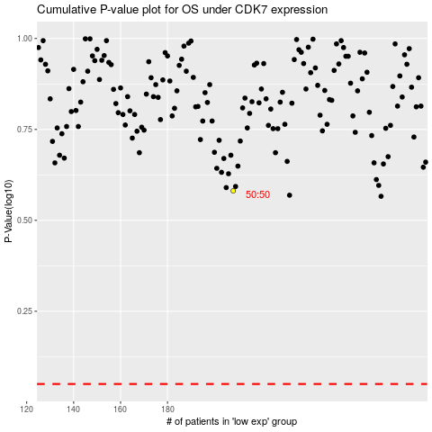

 |  |  |  |  |  | cases_OS | p_OS | rank | exp
 |  |  |  |  |  |  | cases_RFS | p_RFS | rank | exp

