CDK8 _multivariate
Reported by Tex Li-Hsing Chi. tex@gate.sinica.edu.tw 2019-08-21

Table 2. The clinicopathological features of HNSCC cohort and CDK8 expression. (Chi square test)
Cutoff at -0.03 (49.8%)
 |  | CDK8 expression |  | CDK8 expression |  | (Optimised)
 | Features | Low | (%) | High | (%) | Case no | P-value | Remark | Matthews
Gender | Female | 157 | 37.8 | 149 | 35.9 | 415 | 0.3881 | 0 | 0
2 | Male | 50 | 12 | 59 | 14.2
Age at diagnosis | <=65y | 140 | 33.7 | 134 | 32.3 | 415 | 0.5574 | 0 | 0
4 | >65y | 67 | 16.1 | 74 | 17.8
Clinical T Status | T1+T2 | 75 | 18.1 | 74 | 17.8 | 415 | 0.9707 | 0 | 0
6 | T3+T4 | 132 | 31.8 | 134 | 32.3
Clinical N Status | N0 | 108 | 26 | 108 | 26 | 415 | 1 | 0 | 0
8 | N1-3 | 99 | 23.9 | 100 | 24.1
Clinical M Status | M0 | 205 | 49.4 | 207 | 49.9 | 415 | 0.6232 | 0 | 0
10 | M1 | 2 | 0.5 | 1 | 0.2
Clinical Stage | Stage I+II | 47 | 11.3 | 55 | 13.3 | 415 | 0.4413 | 0 | 0
12 | Stage III+IV | 160 | 38.6 | 153 | 36.9
Surgical Margin status | Negative | 158 | 38.1 | 160 | 38.6 | 415 | 0.9081 | 0 | 0
14 | Positive | 49 | 11.8 | 48 | 11.6
Tobacco Exposure | Low | 85 | 20.5 | 76 | 18.3 | 415 | 0.3655 | 0 | 0
16 | High | 122 | 29.4 | 132 | 31.8

Table 3. Univariate/Multivariate Cox's proportional hazards regression analyses on OS time of CDK8 gene expression in HNSCC

 |  | Univariate |  |  |  | Multivariate
 | Features | HR | CI95%(L) | CI95%(H) | P-value | HR | CI95%(L) | CI95%(H) | P-value
1 | Female | 1 |  |  |  | 1
Gender | Male | 1.157 | 0.843 | 1.587 | 0.367 | 1.196 | 0.856 | 1.67 | 0.294
11 | <=65y | 1 |  |  |  | 1
Age at diagnosis | >65y | 1.329 | 0.99 | 1.784 | 0.058 | 1.395 | 1.026 | 1.895 | 0.033
12 | T1+T2 | 1 |  |  |  | 1
Clinical T Status | T3+T4 | 1.409 | 1.028 | 1.931 | 0.033 | 2.208 | 1.168 | 4.173 | 0.015
13 | N0 | 1 |  |  |  | 1
Clinical N Status | N1-3 | 1.185 | 0.89 | 1.577 | 0.246 | 1.234 | 0.865 | 1.76 | 0.247
14 | M0 | 1 |  |  |  | 1
Clinical M Status | M1 | 4.097 | 1.009 | 16.644 | 0.049 | 9.697 | 2.114 | 44.491 | 0.003
15 | Stage I+II | 1 |  |  |  | 1
Clinical Stage | Stage III+IV | 1.245 | 0.882 | 1.759 | 0.213 | 0.514 | 0.24 | 1.105 | 0.088
16 | Negative | 1 |  |  |  | 1
Surgical Margin status | Positive | 1.591 | 1.155 | 2.191 | 0.004 | 1.705 | 1.232 | 2.36 | 0.001
17 | Low | 1 |  |  |  | 1
Tobacco Exposure | High | 1.364 | 1.008 | 1.844 | 0.044 | 1.452 | 1.053 | 2.002 | 0.023
18 | Low | 1 |  |  |  | 1
RNAseq(z-score) | High | 1.17 | 0.878 | 1.558 | 0.285 | 1.241 | 0.928 | 1.659 | 0.145

Table 4. Univariate/Multivariate Cox's proportional hazards regression analyses on RFS time of CDK8 gene expression in HNSCC

 |  | Univariate |  |  |  | Multivariate
 | Features | HR | CI95%(L) | CI95%(H) | P-value | HR | CI95%(L) | CI95%(H) | P-value
1 | Female | 1 |  |  |  | 1
Gender | Male | 1.157 | 0.843 | 1.587 | 0.367 | 1.196 | 0.856 | 1.67 | 0.294
11 | <=65y | 1 |  |  |  | 1
Age at diagnosis | >65y | 1.329 | 0.99 | 1.784 | 0.058 | 1.395 | 1.026 | 1.895 | 0.033
12 | T1+T2 | 1 |  |  |  | 1
Clinical T Status | T3+T4 | 1.409 | 1.028 | 1.931 | 0.033 | 2.208 | 1.168 | 4.173 | 0.015
13 | N0 | 1 |  |  |  | 1
Clinical N Status | N1-3 | 1.185 | 0.89 | 1.577 | 0.246 | 1.234 | 0.865 | 1.76 | 0.247
14 | M0 | 1 |  |  |  | 1
Clinical M Status | M1 | 4.097 | 1.009 | 16.644 | 0.049 | 9.697 | 2.114 | 44.491 | 0.003
15 | Stage I+II | 1 |  |  |  | 1
Clinical Stage | Stage III+IV | 1.245 | 0.882 | 1.759 | 0.213 | 0.514 | 0.24 | 1.105 | 0.088
16 | Negative | 1 |  |  |  | 1
Surgical Margin status | Positive | 1.591 | 1.155 | 2.191 | 0.004 | 1.705 | 1.232 | 2.36 | 0.001
17 | Low | 1 |  |  |  | 1
Tobacco Exposure | High | 1.364 | 1.008 | 1.844 | 0.044 | 1.452 | 1.053 | 2.002 | 0.023
18 | Low | 1 |  |  |  | 1
RNAseq(z-score) | High | 1.17 | 0.878 | 1.558 | 0.285 | 1.241 | 0.928 | 1.659 | 0.145

Kaplan-Meier survival estimate: Cutoff at -0.03 (49.8%)



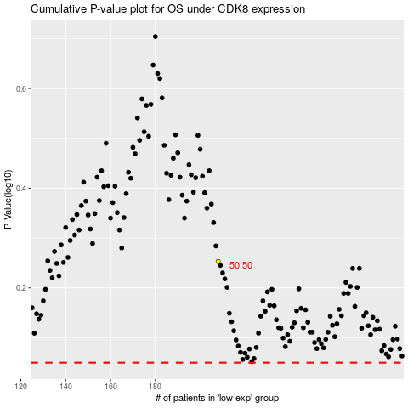

 |  |  |  |  |  | cases_OS | p_OS | rank | exp
 |  |  |  |  |  |  | cases_RFS | p_RFS | rank | exp

