CDK9 _multivariate
Reported by Tex Li-Hsing Chi. tex@gate.sinica.edu.tw 2019-08-21

Table 2. The clinicopathological features of HNSCC cohort and CDK9 expression. (Chi square test)
Cutoff at -0.124 (49.8%)
 |  | CDK9 expression |  | CDK9 expression |  | (Optimised)
 | Features | Low | (%) | High | (%) | Case no | P-value | Remark | Matthews
Gender | Female | 155 | 37.3 | 151 | 36.4 | 415 | 0.6768 | 0 | 0
2 | Male | 52 | 12.5 | 57 | 13.7
Age at diagnosis | <=65y | 141 | 34 | 133 | 32 | 415 | 0.4272 | 0 | 0
4 | >65y | 66 | 15.9 | 75 | 18.1
Clinical T Status | T1+T2 | 75 | 18.1 | 74 | 17.8 | 415 | 0.9707 | 0 | 0
6 | T3+T4 | 132 | 31.8 | 134 | 32.3
Clinical N Status | N0 | 105 | 25.3 | 111 | 26.7 | 415 | 0.6598 | 0 | 0
8 | N1-3 | 102 | 24.6 | 97 | 23.4
Clinical M Status | M0 | 207 | 49.9 | 205 | 49.4 | 415 | 0.2482 | 0 | 0
10 | M1 | 0 | 0 | 3 | 0.7
Clinical Stage | Stage I+II | 48 | 11.6 | 54 | 13 | 415 | 0.5878 | 0 | 0
12 | Stage III+IV | 159 | 38.3 | 154 | 37.1
Surgical Margin status | Negative | 157 | 37.8 | 161 | 38.8 | 415 | 0.729 | 0 | 0
14 | Positive | 50 | 12 | 47 | 11.3
Tobacco Exposure | Low | 78 | 18.8 | 83 | 20 | 415 | 0.6873 | 0 | 0
16 | High | 129 | 31.1 | 125 | 30.1

Table 3. Univariate/Multivariate Cox's proportional hazards regression analyses on OS time of CDK9 gene expression in HNSCC

 |  | Univariate |  |  |  | Multivariate
 | Features | HR | CI95%(L) | CI95%(H) | P-value | HR | CI95%(L) | CI95%(H) | P-value
1 | Female | 1 |  |  |  | 1
Gender | Male | 1.157 | 0.843 | 1.587 | 0.367 | 1.201 | 0.859 | 1.678 | 0.284
11 | <=65y | 1 |  |  |  | 1
Age at diagnosis | >65y | 1.329 | 0.99 | 1.784 | 0.058 | 1.388 | 1.019 | 1.89 | 0.037
12 | T1+T2 | 1 |  |  |  | 1
Clinical T Status | T3+T4 | 1.409 | 1.028 | 1.931 | 0.033 | 2.192 | 1.156 | 4.154 | 0.016
13 | N0 | 1 |  |  |  | 1
Clinical N Status | N1-3 | 1.185 | 0.89 | 1.577 | 0.246 | 1.24 | 0.869 | 1.77 | 0.235
14 | M0 | 1 |  |  |  | 1
Clinical M Status | M1 | 4.097 | 1.009 | 16.644 | 0.049 | 9.238 | 1.988 | 42.92 | 0.005
15 | Stage I+II | 1 |  |  |  | 1
Clinical Stage | Stage III+IV | 1.245 | 0.882 | 1.759 | 0.213 | 0.507 | 0.236 | 1.091 | 0.082
16 | Negative | 1 |  |  |  | 1
Surgical Margin status | Positive | 1.591 | 1.155 | 2.191 | 0.004 | 1.669 | 1.208 | 2.307 | 0.002
17 | Low | 1 |  |  |  | 1
Tobacco Exposure | High | 1.364 | 1.008 | 1.844 | 0.044 | 1.454 | 1.055 | 2.004 | 0.022
18 | Low | 1 |  |  |  | 1
RNAseq(z-score) | High | 1.13 | 0.846 | 1.509 | 0.409 | 1.026 | 0.765 | 1.378 | 0.862

Table 4. Univariate/Multivariate Cox's proportional hazards regression analyses on RFS time of CDK9 gene expression in HNSCC

 |  | Univariate |  |  |  | Multivariate
 | Features | HR | CI95%(L) | CI95%(H) | P-value | HR | CI95%(L) | CI95%(H) | P-value
1 | Female | 1 |  |  |  | 1
Gender | Male | 1.157 | 0.843 | 1.587 | 0.367 | 1.201 | 0.859 | 1.678 | 0.284
11 | <=65y | 1 |  |  |  | 1
Age at diagnosis | >65y | 1.329 | 0.99 | 1.784 | 0.058 | 1.388 | 1.019 | 1.89 | 0.037
12 | T1+T2 | 1 |  |  |  | 1
Clinical T Status | T3+T4 | 1.409 | 1.028 | 1.931 | 0.033 | 2.192 | 1.156 | 4.154 | 0.016
13 | N0 | 1 |  |  |  | 1
Clinical N Status | N1-3 | 1.185 | 0.89 | 1.577 | 0.246 | 1.24 | 0.869 | 1.77 | 0.235
14 | M0 | 1 |  |  |  | 1
Clinical M Status | M1 | 4.097 | 1.009 | 16.644 | 0.049 | 9.238 | 1.988 | 42.92 | 0.005
15 | Stage I+II | 1 |  |  |  | 1
Clinical Stage | Stage III+IV | 1.245 | 0.882 | 1.759 | 0.213 | 0.507 | 0.236 | 1.091 | 0.082
16 | Negative | 1 |  |  |  | 1
Surgical Margin status | Positive | 1.591 | 1.155 | 2.191 | 0.004 | 1.669 | 1.208 | 2.307 | 0.002
17 | Low | 1 |  |  |  | 1
Tobacco Exposure | High | 1.364 | 1.008 | 1.844 | 0.044 | 1.454 | 1.055 | 2.004 | 0.022
18 | Low | 1 |  |  |  | 1
RNAseq(z-score) | High | 1.13 | 0.846 | 1.509 | 0.409 | 1.026 | 0.765 | 1.378 | 0.862

Kaplan-Meier survival estimate: Cutoff at -0.124 (49.8%)



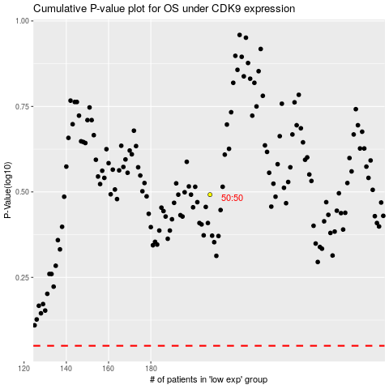

 |  |  |  |  |  | cases_OS | p_OS | rank | exp
 |  |  |  |  |  |  | cases_RFS | p_RFS | rank | exp

