CDKL1 _multivariate
Reported by Tex Li-Hsing Chi. tex@gate.sinica.edu.tw 2019-08-21

Table 2. The clinicopathological features of HNSCC cohort and CDKL1 expression. (Chi square test)
Cutoff at -0.505 (30.2%)
 |  | CDKL1 expression |  | CDKL1 expression |  | (Optimised)
 | Features | Low | (%) | High | (%) | Case no | P-value | Remark | Matthews
Gender | Female | 92 | 22.2 | 214 | 51.6 | 415 | 1 | 0 | 0
2 | Male | 33 | 8 | 76 | 18.3
Age at diagnosis | <=65y | 90 | 21.7 | 184 | 44.3 | 415 | 0.1154 | 0 | 0
4 | >65y | 35 | 8.4 | 106 | 25.5
Clinical T Status | T1+T2 | 48 | 11.6 | 101 | 24.3 | 415 | 0.5589 | 0 | 0
6 | T3+T4 | 77 | 18.6 | 189 | 45.5
Clinical N Status | N0 | 65 | 15.7 | 151 | 36.4 | 415 | 1 | 0 | 0
8 | N1-3 | 60 | 14.5 | 139 | 33.5
Clinical M Status | M0 | 125 | 30.1 | 287 | 69.2 | 415 | 0.5571 | 0 | 0
10 | M1 | 0 | 0 | 3 | 0.7
Clinical Stage | Stage I+II | 27 | 6.5 | 75 | 18.1 | 415 | 0.4232 | 0 | 0
12 | Stage III+IV | 98 | 23.6 | 215 | 51.8
Surgical Margin status | Negative | 89 | 21.4 | 229 | 55.2 | 415 | 0.1003 | 0 | 0
14 | Positive | 36 | 8.7 | 61 | 14.7
Tobacco Exposure | Low | 55 | 13.3 | 106 | 25.5 | 415 | 0.1556 | 0 | 0
16 | High | 70 | 16.9 | 184 | 44.3

Table 3. Univariate/Multivariate Cox's proportional hazards regression analyses on OS time of CDKL1 gene expression in HNSCC

 |  | Univariate |  |  |  | Multivariate
 | Features | HR | CI95%(L) | CI95%(H) | P-value | HR | CI95%(L) | CI95%(H) | P-value
1 | Female | 1 |  |  |  | 1
Gender | Male | 1.157 | 0.843 | 1.587 | 0.367 | 1.234 | 0.884 | 1.724 | 0.216
11 | <=65y | 1 |  |  |  | 1
Age at diagnosis | >65y | 1.329 | 0.99 | 1.784 | 0.058 | 1.343 | 0.988 | 1.827 | 0.06
12 | T1+T2 | 1 |  |  |  | 1
Clinical T Status | T3+T4 | 1.409 | 1.028 | 1.931 | 0.033 | 2.111 | 1.116 | 3.994 | 0.022
13 | N0 | 1 |  |  |  | 1
Clinical N Status | N1-3 | 1.185 | 0.89 | 1.577 | 0.246 | 1.212 | 0.849 | 1.731 | 0.29
14 | M0 | 1 |  |  |  | 1
Clinical M Status | M1 | 4.097 | 1.009 | 16.644 | 0.049 | 8.316 | 1.806 | 38.294 | 0.007
15 | Stage I+II | 1 |  |  |  | 1
Clinical Stage | Stage III+IV | 1.245 | 0.882 | 1.759 | 0.213 | 0.546 | 0.253 | 1.175 | 0.121
16 | Negative | 1 |  |  |  | 1
Surgical Margin status | Positive | 1.591 | 1.155 | 2.191 | 0.004 | 1.729 | 1.249 | 2.394 | 0.001
17 | Low | 1 |  |  |  | 1
Tobacco Exposure | High | 1.364 | 1.008 | 1.844 | 0.044 | 1.443 | 1.049 | 1.986 | 0.024
18 | Low | 1 |  |  |  | 1
RNAseq(z-score) | High | 1.441 | 1.037 | 2.003 | 0.03 | 1.416 | 1.01 | 1.986 | 0.044

Table 4. Univariate/Multivariate Cox's proportional hazards regression analyses on RFS time of CDKL1 gene expression in HNSCC

 |  | Univariate |  |  |  | Multivariate
 | Features | HR | CI95%(L) | CI95%(H) | P-value | HR | CI95%(L) | CI95%(H) | P-value
1 | Female | 1 |  |  |  | 1
Gender | Male | 1.157 | 0.843 | 1.587 | 0.367 | 1.234 | 0.884 | 1.724 | 0.216
11 | <=65y | 1 |  |  |  | 1
Age at diagnosis | >65y | 1.329 | 0.99 | 1.784 | 0.058 | 1.343 | 0.988 | 1.827 | 0.06
12 | T1+T2 | 1 |  |  |  | 1
Clinical T Status | T3+T4 | 1.409 | 1.028 | 1.931 | 0.033 | 2.111 | 1.116 | 3.994 | 0.022
13 | N0 | 1 |  |  |  | 1
Clinical N Status | N1-3 | 1.185 | 0.89 | 1.577 | 0.246 | 1.212 | 0.849 | 1.731 | 0.29
14 | M0 | 1 |  |  |  | 1
Clinical M Status | M1 | 4.097 | 1.009 | 16.644 | 0.049 | 8.316 | 1.806 | 38.294 | 0.007
15 | Stage I+II | 1 |  |  |  | 1
Clinical Stage | Stage III+IV | 1.245 | 0.882 | 1.759 | 0.213 | 0.546 | 0.253 | 1.175 | 0.121
16 | Negative | 1 |  |  |  | 1
Surgical Margin status | Positive | 1.591 | 1.155 | 2.191 | 0.004 | 1.729 | 1.249 | 2.394 | 0.001
17 | Low | 1 |  |  |  | 1
Tobacco Exposure | High | 1.364 | 1.008 | 1.844 | 0.044 | 1.443 | 1.049 | 1.986 | 0.024
18 | Low | 1 |  |  |  | 1
RNAseq(z-score) | High | 1.441 | 1.037 | 2.003 | 0.03 | 1.416 | 1.01 | 1.986 | 0.044

Kaplan-Meier survival estimate: Cutoff at -0.505 (30.2%)

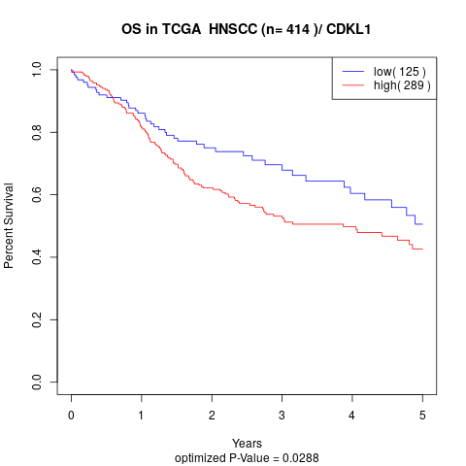

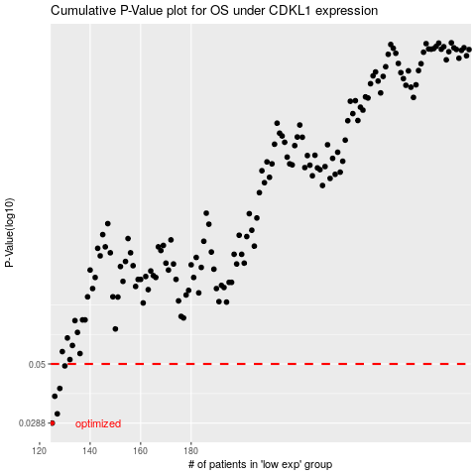

 |  |  |  |  |  | cases_OS | p_OS | rank | exp
 |  |  |  |  |  | 125 | 0.0288 | 200 | -0.50535363319
 |  |  |  |  |  | 127 | 0.0314 | 202 | -0.49948835767
 |  |  |  |  |  | 126 | 0.037 | 39 | -0.50137248429
 |  |  |  |  |  | 128 | 0.0398 | 201 | -0.4883432697
 |  |  |  |  |  | 130 | 0.0491 | 284 | -0.47987002229
 |  |  |  |  |  |  | cases_RFS | p_RFS | rank | exp
 |  |  |  |  |  |  |  | 0.0288 | 234 | -0.50616263671
 |  |  |  |  |  |  | 126 | 0.0314 | 39 | -0.50137248429
 |  |  |  |  |  |  | 125 | 0.037 | 200 | -0.50535363319
 |  |  |  |  |  |  | 127 | 0.0398 | 202 | -0.49948835767
 |  |  |  |  |  |  | 129 | 0.0491 | 382 | -0.48237154634

