CDKL2 _multivariate
Reported by Tex Li-Hsing Chi. tex@gate.sinica.edu.tw 2019-08-21

Table 2. The clinicopathological features of HNSCC cohort and CDKL2 expression. (Chi square test)
Cutoff at -0.346 (49.8%)
 |  | CDKL2 expression |  | CDKL2 expression |  | (Optimised)
 | Features | Low | (%) | High | (%) | Case no | P-value | Remark | Matthews
Gender | Female | 151 | 36.4 | 155 | 37.3 | 415 | 0.8007 | 0 | 0
2 | Male | 56 | 13.5 | 53 | 12.8
Age at diagnosis | <=65y | 134 | 32.3 | 140 | 33.7 | 415 | 0.6529 | 0 | 0
4 | >65y | 73 | 17.6 | 68 | 16.4
Clinical T Status | T1+T2 | 78 | 18.8 | 71 | 17.1 | 415 | 0.5152 | 0 | 0
6 | T3+T4 | 129 | 31.1 | 137 | 33
Clinical N Status | N0 | 108 | 26 | 108 | 26 | 415 | 1 | 0 | 0
8 | N1-3 | 99 | 23.9 | 100 | 24.1
Clinical M Status | M0 | 206 | 49.6 | 206 | 49.6 | 415 | 1 | 0 | 0
10 | M1 | 1 | 0.2 | 2 | 0.5
Clinical Stage | Stage I+II | 51 | 12.3 | 51 | 12.3 | 415 | 1 | 0 | 0
12 | Stage III+IV | 156 | 37.6 | 157 | 37.8
Surgical Margin status | Negative | 163 | 39.3 | 155 | 37.3 | 415 | 0.3537 | 0 | 0
14 | Positive | 44 | 10.6 | 53 | 12.8
Tobacco Exposure | Low | 88 | 21.2 | 73 | 17.6 | 415 | 0.1314 | 0 | 0
16 | High | 119 | 28.7 | 135 | 32.5

Table 3. Univariate/Multivariate Cox's proportional hazards regression analyses on OS time of CDKL2 gene expression in HNSCC

 |  | Univariate |  |  |  | Multivariate
 | Features | HR | CI95%(L) | CI95%(H) | P-value | HR | CI95%(L) | CI95%(H) | P-value
1 | Female | 1 |  |  |  | 1
Gender | Male | 1.157 | 0.843 | 1.587 | 0.367 | 1.207 | 0.864 | 1.687 | 0.271
11 | <=65y | 1 |  |  |  | 1
Age at diagnosis | >65y | 1.329 | 0.99 | 1.784 | 0.058 | 1.392 | 1.024 | 1.892 | 0.035
12 | T1+T2 | 1 |  |  |  | 1
Clinical T Status | T3+T4 | 1.409 | 1.028 | 1.931 | 0.033 | 2.246 | 1.186 | 4.255 | 0.013
13 | N0 | 1 |  |  |  | 1
Clinical N Status | N1-3 | 1.185 | 0.89 | 1.577 | 0.246 | 1.24 | 0.869 | 1.769 | 0.235
14 | M0 | 1 |  |  |  | 1
Clinical M Status | M1 | 4.097 | 1.009 | 16.644 | 0.049 | 9.96 | 2.16 | 45.929 | 0.003
15 | Stage I+II | 1 |  |  |  | 1
Clinical Stage | Stage III+IV | 1.245 | 0.882 | 1.759 | 0.213 | 0.495 | 0.23 | 1.064 | 0.072
16 | Negative | 1 |  |  |  | 1
Surgical Margin status | Positive | 1.591 | 1.155 | 2.191 | 0.004 | 1.699 | 1.226 | 2.353 | 0.001
17 | Low | 1 |  |  |  | 1
Tobacco Exposure | High | 1.364 | 1.008 | 1.844 | 0.044 | 1.478 | 1.069 | 2.043 | 0.018
18 | Low | 1 |  |  |  | 1
RNAseq(z-score) | High | 1.01 | 0.757 | 1.346 | 0.948 | 0.884 | 0.66 | 1.185 | 0.411

Table 4. Univariate/Multivariate Cox's proportional hazards regression analyses on RFS time of CDKL2 gene expression in HNSCC

 |  | Univariate |  |  |  | Multivariate
 | Features | HR | CI95%(L) | CI95%(H) | P-value | HR | CI95%(L) | CI95%(H) | P-value
1 | Female | 1 |  |  |  | 1
Gender | Male | 1.157 | 0.843 | 1.587 | 0.367 | 1.207 | 0.864 | 1.687 | 0.271
11 | <=65y | 1 |  |  |  | 1
Age at diagnosis | >65y | 1.329 | 0.99 | 1.784 | 0.058 | 1.392 | 1.024 | 1.892 | 0.035
12 | T1+T2 | 1 |  |  |  | 1
Clinical T Status | T3+T4 | 1.409 | 1.028 | 1.931 | 0.033 | 2.246 | 1.186 | 4.255 | 0.013
13 | N0 | 1 |  |  |  | 1
Clinical N Status | N1-3 | 1.185 | 0.89 | 1.577 | 0.246 | 1.24 | 0.869 | 1.769 | 0.235
14 | M0 | 1 |  |  |  | 1
Clinical M Status | M1 | 4.097 | 1.009 | 16.644 | 0.049 | 9.96 | 2.16 | 45.929 | 0.003
15 | Stage I+II | 1 |  |  |  | 1
Clinical Stage | Stage III+IV | 1.245 | 0.882 | 1.759 | 0.213 | 0.495 | 0.23 | 1.064 | 0.072
16 | Negative | 1 |  |  |  | 1
Surgical Margin status | Positive | 1.591 | 1.155 | 2.191 | 0.004 | 1.699 | 1.226 | 2.353 | 0.001
17 | Low | 1 |  |  |  | 1
Tobacco Exposure | High | 1.364 | 1.008 | 1.844 | 0.044 | 1.478 | 1.069 | 2.043 | 0.018
18 | Low | 1 |  |  |  | 1
RNAseq(z-score) | High | 1.01 | 0.757 | 1.346 | 0.948 | 0.884 | 0.66 | 1.185 | 0.411

Kaplan-Meier survival estimate: Cutoff at -0.346 (49.8%)



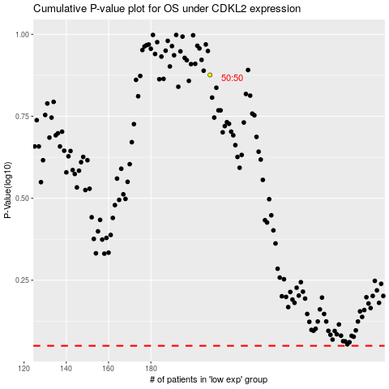

 |  |  |  |  |  | cases_OS | p_OS | rank | exp
 |  |  |  |  |  |  | cases_RFS | p_RFS | rank | exp

