CDKL5 _multivariate
Reported by Tex Li-Hsing Chi. tex@gate.sinica.edu.tw 2019-08-21

Table 2. The clinicopathological features of HNSCC cohort and CDKL5 expression. (Chi square test)
Cutoff at -0.405 (42.3%)
 |  | CDKL5 expression |  | CDKL5 expression |  | (Optimised)
 | Features | Low | (%) | High | (%) | Case no | P-value | Remark | Matthews
Gender | Female | 133 | 32 | 173 | 41.7 | 415 | 0.434 | 0 | 0
2 | Male | 42 | 10.1 | 67 | 16.1
Age at diagnosis | <=65y | 115 | 27.7 | 159 | 38.3 | 415 | 0.9929 | 0 | 0
4 | >65y | 60 | 14.5 | 81 | 19.5
Clinical T Status | T1+T2 | 66 | 15.9 | 83 | 20 | 415 | 0.5803 | 0 | 0
6 | T3+T4 | 109 | 26.3 | 157 | 37.8
Clinical N Status | N0 | 91 | 21.9 | 125 | 30.1 | 415 | 1 | 0 | 0
8 | N1-3 | 84 | 20.2 | 115 | 27.7
Clinical M Status | M0 | 172 | 41.4 | 240 | 57.8 | 415 | 0.0742 | 0 | 0
10 | M1 | 3 | 0.7 | 0 | 0
Clinical Stage | Stage I+II | 44 | 10.6 | 58 | 14 | 415 | 0.9103 | 0 | 0
12 | Stage III+IV | 131 | 31.6 | 182 | 43.9
Surgical Margin status | Negative | 130 | 31.3 | 188 | 45.3 | 415 | 0.3493 | 0 | 0
14 | Positive | 45 | 10.8 | 52 | 12.5
Tobacco Exposure | Low | 71 | 17.1 | 90 | 21.7 | 415 | 0.5418 | 0 | 0
16 | High | 104 | 25.1 | 150 | 36.1

Table 3. Univariate/Multivariate Cox's proportional hazards regression analyses on OS time of CDKL5 gene expression in HNSCC

 |  | Univariate |  |  |  | Multivariate
 | Features | HR | CI95%(L) | CI95%(H) | P-value | HR | CI95%(L) | CI95%(H) | P-value
1 | Female | 1 |  |  |  | 1
Gender | Male | 1.157 | 0.843 | 1.587 | 0.367 | 1.205 | 0.861 | 1.685 | 0.277
11 | <=65y | 1 |  |  |  | 1
Age at diagnosis | >65y | 1.329 | 0.99 | 1.784 | 0.058 | 1.391 | 1.024 | 1.89 | 0.035
12 | T1+T2 | 1 |  |  |  | 1
Clinical T Status | T3+T4 | 1.409 | 1.028 | 1.931 | 0.033 | 2.229 | 1.179 | 4.214 | 0.014
13 | N0 | 1 |  |  |  | 1
Clinical N Status | N1-3 | 1.185 | 0.89 | 1.577 | 0.246 | 1.237 | 0.867 | 1.764 | 0.241
14 | M0 | 1 |  |  |  | 1
Clinical M Status | M1 | 4.097 | 1.009 | 16.644 | 0.049 | 8.3 | 1.799 | 38.307 | 0.007
15 | Stage I+II | 1 |  |  |  | 1
Clinical Stage | Stage III+IV | 1.245 | 0.882 | 1.759 | 0.213 | 0.502 | 0.234 | 1.076 | 0.077
16 | Negative | 1 |  |  |  | 1
Surgical Margin status | Positive | 1.591 | 1.155 | 2.191 | 0.004 | 1.633 | 1.18 | 2.258 | 0.003
17 | Low | 1 |  |  |  | 1
Tobacco Exposure | High | 1.364 | 1.008 | 1.844 | 0.044 | 1.429 | 1.036 | 1.971 | 0.029
18 | Low | 1 |  |  |  | 1
RNAseq(z-score) | High | 0.743 | 0.557 | 0.99 | 0.043 | 0.786 | 0.586 | 1.052 | 0.106

Table 4. Univariate/Multivariate Cox's proportional hazards regression analyses on RFS time of CDKL5 gene expression in HNSCC

 |  | Univariate |  |  |  | Multivariate
 | Features | HR | CI95%(L) | CI95%(H) | P-value | HR | CI95%(L) | CI95%(H) | P-value
1 | Female | 1 |  |  |  | 1
Gender | Male | 1.157 | 0.843 | 1.587 | 0.367 | 1.205 | 0.861 | 1.685 | 0.277
11 | <=65y | 1 |  |  |  | 1
Age at diagnosis | >65y | 1.329 | 0.99 | 1.784 | 0.058 | 1.391 | 1.024 | 1.89 | 0.035
12 | T1+T2 | 1 |  |  |  | 1
Clinical T Status | T3+T4 | 1.409 | 1.028 | 1.931 | 0.033 | 2.229 | 1.179 | 4.214 | 0.014
13 | N0 | 1 |  |  |  | 1
Clinical N Status | N1-3 | 1.185 | 0.89 | 1.577 | 0.246 | 1.237 | 0.867 | 1.764 | 0.241
14 | M0 | 1 |  |  |  | 1
Clinical M Status | M1 | 4.097 | 1.009 | 16.644 | 0.049 | 8.3 | 1.799 | 38.307 | 0.007
15 | Stage I+II | 1 |  |  |  | 1
Clinical Stage | Stage III+IV | 1.245 | 0.882 | 1.759 | 0.213 | 0.502 | 0.234 | 1.076 | 0.077
16 | Negative | 1 |  |  |  | 1
Surgical Margin status | Positive | 1.591 | 1.155 | 2.191 | 0.004 | 1.633 | 1.18 | 2.258 | 0.003
17 | Low | 1 |  |  |  | 1
Tobacco Exposure | High | 1.364 | 1.008 | 1.844 | 0.044 | 1.429 | 1.036 | 1.971 | 0.029
18 | Low | 1 |  |  |  | 1
RNAseq(z-score) | High | 0.743 | 0.557 | 0.99 | 0.043 | 0.786 | 0.586 | 1.052 | 0.106

Kaplan-Meier survival estimate: Cutoff at -0.405 (42.3%)



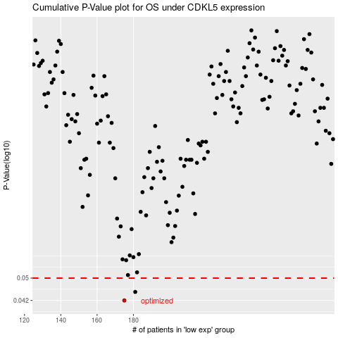

 |  |  |  |  |  | cases_OS | p_OS | rank | exp
 |  |  |  |  |  | 175 | 0.042 | 120 | -0.40479361239
 |  |  |  |  |  | 181 | 0.0449 | 102 | -0.37940504497
 |  |  |  |  |  |  | cases_RFS | p_RFS | rank | exp
 |  |  |  |  |  |  | 174 | 0.042 | 264 | -0.40899356139
 |  |  |  |  |  |  | 180 | 0.0449 | 221 | -0.38108999493

