CDKN1A _multivariate
Reported by Tex Li-Hsing Chi. tex@gate.sinica.edu.tw 2019-08-21

Table 2. The clinicopathological features of HNSCC cohort and CDKN1A expression. (Chi square test)
Cutoff at -0.134 (50.0%)
 |  | CDKN1A expression |  | CDKN1A expression |  | (Optimised)
 | Features | Low | (%) | High | (%) | Case no | P-value | Remark | Matthews
Gender | Female | 165 | 39.8 | 141 | 34 | 415 | 0.0081 | 1 | 0
2 | Male | 42 | 10.1 | 67 | 16.1
Age at diagnosis | <=65y | 136 | 32.8 | 138 | 33.3 | 415 | 0.9719 | 0 | 0
4 | >65y | 71 | 17.1 | 70 | 16.9
Clinical T Status | T1+T2 | 77 | 18.6 | 72 | 17.3 | 415 | 0.6556 | 0 | 0
6 | T3+T4 | 130 | 31.3 | 136 | 32.8
Clinical N Status | N0 | 101 | 24.3 | 115 | 27.7 | 415 | 0.2201 | 0 | 0
8 | N1-3 | 106 | 25.5 | 93 | 22.4
Clinical M Status | M0 | 206 | 49.6 | 206 | 49.6 | 415 | 1 | 0 | 0
10 | M1 | 1 | 0.2 | 2 | 0.5
Clinical Stage | Stage I+II | 48 | 11.6 | 54 | 13 | 415 | 0.5878 | 0 | 0
12 | Stage III+IV | 159 | 38.3 | 154 | 37.1
Surgical Margin status | Negative | 158 | 38.1 | 160 | 38.6 | 415 | 0.9081 | 0 | 0
14 | Positive | 49 | 11.8 | 48 | 11.6
Tobacco Exposure | Low | 68 | 16.4 | 93 | 22.4 | 415 | 0.0156 | 1 | 0
16 | High | 139 | 33.5 | 115 | 27.7

Table 3. Univariate/Multivariate Cox's proportional hazards regression analyses on OS time of CDKN1A gene expression in HNSCC

 |  | Univariate |  |  |  | Multivariate
 | Features | HR | CI95%(L) | CI95%(H) | P-value | HR | CI95%(L) | CI95%(H) | P-value
1 | Female | 1 |  |  |  | 1
Gender | Male | 1.157 | 0.843 | 1.587 | 0.367 | 1.206 | 0.861 | 1.69 | 0.276
11 | <=65y | 1 |  |  |  | 1
Age at diagnosis | >65y | 1.329 | 0.99 | 1.784 | 0.058 | 1.39 | 1.022 | 1.89 | 0.036
12 | T1+T2 | 1 |  |  |  | 1
Clinical T Status | T3+T4 | 1.409 | 1.028 | 1.931 | 0.033 | 2.206 | 1.167 | 4.173 | 0.015
13 | N0 | 1 |  |  |  | 1
Clinical N Status | N1-3 | 1.185 | 0.89 | 1.577 | 0.246 | 1.239 | 0.868 | 1.769 | 0.238
14 | M0 | 1 |  |  |  | 1
Clinical M Status | M1 | 4.097 | 1.009 | 16.644 | 0.049 | 9.513 | 2.064 | 43.837 | 0.004
15 | Stage I+II | 1 |  |  |  | 1
Clinical Stage | Stage III+IV | 1.245 | 0.882 | 1.759 | 0.213 | 0.503 | 0.234 | 1.08 | 0.078
16 | Negative | 1 |  |  |  | 1
Surgical Margin status | Positive | 1.591 | 1.155 | 2.191 | 0.004 | 1.674 | 1.211 | 2.314 | 0.002
17 | Low | 1 |  |  |  | 1
Tobacco Exposure | High | 1.364 | 1.008 | 1.844 | 0.044 | 1.449 | 1.05 | 2 | 0.024
18 | Low | 1 |  |  |  | 1
RNAseq(z-score) | High | 0.981 | 0.735 | 1.309 | 0.894 | 0.974 | 0.724 | 1.311 | 0.863

Table 4. Univariate/Multivariate Cox's proportional hazards regression analyses on RFS time of CDKN1A gene expression in HNSCC

 |  | Univariate |  |  |  | Multivariate
 | Features | HR | CI95%(L) | CI95%(H) | P-value | HR | CI95%(L) | CI95%(H) | P-value
1 | Female | 1 |  |  |  | 1
Gender | Male | 1.157 | 0.843 | 1.587 | 0.367 | 1.206 | 0.861 | 1.69 | 0.276
11 | <=65y | 1 |  |  |  | 1
Age at diagnosis | >65y | 1.329 | 0.99 | 1.784 | 0.058 | 1.39 | 1.022 | 1.89 | 0.036
12 | T1+T2 | 1 |  |  |  | 1
Clinical T Status | T3+T4 | 1.409 | 1.028 | 1.931 | 0.033 | 2.206 | 1.167 | 4.173 | 0.015
13 | N0 | 1 |  |  |  | 1
Clinical N Status | N1-3 | 1.185 | 0.89 | 1.577 | 0.246 | 1.239 | 0.868 | 1.769 | 0.238
14 | M0 | 1 |  |  |  | 1
Clinical M Status | M1 | 4.097 | 1.009 | 16.644 | 0.049 | 9.513 | 2.064 | 43.837 | 0.004
15 | Stage I+II | 1 |  |  |  | 1
Clinical Stage | Stage III+IV | 1.245 | 0.882 | 1.759 | 0.213 | 0.503 | 0.234 | 1.08 | 0.078
16 | Negative | 1 |  |  |  | 1
Surgical Margin status | Positive | 1.591 | 1.155 | 2.191 | 0.004 | 1.674 | 1.211 | 2.314 | 0.002
17 | Low | 1 |  |  |  | 1
Tobacco Exposure | High | 1.364 | 1.008 | 1.844 | 0.044 | 1.449 | 1.05 | 2 | 0.024
18 | Low | 1 |  |  |  | 1
RNAseq(z-score) | High | 0.981 | 0.735 | 1.309 | 0.894 | 0.974 | 0.724 | 1.311 | 0.863

Kaplan-Meier survival estimate: Cutoff at -0.134 (50.0%)



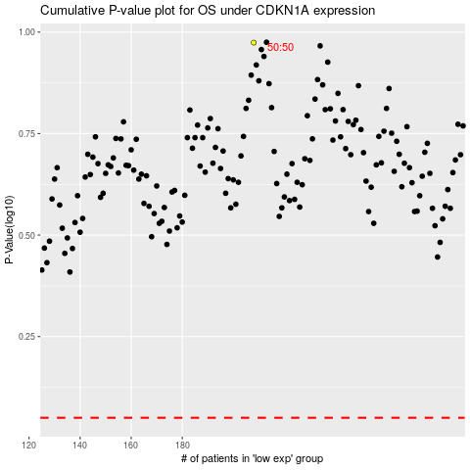

 |  |  |  |  |  | cases_OS | p_OS | rank | exp
 |  |  |  |  |  |  | cases_RFS | p_RFS | rank | exp

