CDKN1C _multivariate
Reported by Tex Li-Hsing Chi. tex@gate.sinica.edu.tw 2019-08-21

Table 2. The clinicopathological features of HNSCC cohort and CDKN1C expression. (Chi square test)
Cutoff at -0.297 (49.8%)
 |  | CDKN1C expression |  | CDKN1C expression |  | (Optimised)
 | Features | Low | (%) | High | (%) | Case no | P-value | Remark | Matthews
Gender | Female | 151 | 36.4 | 155 | 37.3 | 415 | 0.8007 | 0 | 0
2 | Male | 56 | 13.5 | 53 | 12.8
Age at diagnosis | <=65y | 128 | 30.8 | 146 | 35.2 | 415 | 0.0904 | 0 | 0
4 | >65y | 79 | 19 | 62 | 14.9
Clinical T Status | T1+T2 | 70 | 16.9 | 79 | 19 | 415 | 0.4343 | 0 | 0
6 | T3+T4 | 137 | 33 | 129 | 31.1
Clinical N Status | N0 | 109 | 26.3 | 107 | 25.8 | 415 | 0.8812 | 0 | 0
8 | N1-3 | 98 | 23.6 | 101 | 24.3
Clinical M Status | M0 | 204 | 49.2 | 208 | 50.1 | 415 | 0.1232 | 0 | 0
10 | M1 | 3 | 0.7 | 0 | 0
Clinical Stage | Stage I+II | 53 | 12.8 | 49 | 11.8 | 415 | 0.7113 | 0 | 0
12 | Stage III+IV | 154 | 37.1 | 159 | 38.3
Surgical Margin status | Negative | 165 | 39.8 | 153 | 36.9 | 415 | 0.1639 | 0 | 0
14 | Positive | 42 | 10.1 | 55 | 13.3
Tobacco Exposure | Low | 75 | 18.1 | 86 | 20.7 | 415 | 0.3141 | 0 | 0
16 | High | 132 | 31.8 | 122 | 29.4

Table 3. Univariate/Multivariate Cox's proportional hazards regression analyses on OS time of CDKN1C gene expression in HNSCC

 |  | Univariate |  |  |  | Multivariate
 | Features | HR | CI95%(L) | CI95%(H) | P-value | HR | CI95%(L) | CI95%(H) | P-value
1 | Female | 1 |  |  |  | 1
Gender | Male | 1.157 | 0.843 | 1.587 | 0.367 | 1.2 | 0.858 | 1.677 | 0.287
11 | <=65y | 1 |  |  |  | 1
Age at diagnosis | >65y | 1.329 | 0.99 | 1.784 | 0.058 | 1.387 | 1.019 | 1.889 | 0.038
12 | T1+T2 | 1 |  |  |  | 1
Clinical T Status | T3+T4 | 1.409 | 1.028 | 1.931 | 0.033 | 2.199 | 1.163 | 4.16 | 0.015
13 | N0 | 1 |  |  |  | 1
Clinical N Status | N1-3 | 1.185 | 0.89 | 1.577 | 0.246 | 1.239 | 0.868 | 1.768 | 0.238
14 | M0 | 1 |  |  |  | 1
Clinical M Status | M1 | 4.097 | 1.009 | 16.644 | 0.049 | 9.244 | 1.998 | 42.775 | 0.004
15 | Stage I+II | 1 |  |  |  | 1
Clinical Stage | Stage III+IV | 1.245 | 0.882 | 1.759 | 0.213 | 0.507 | 0.236 | 1.091 | 0.082
16 | Negative | 1 |  |  |  | 1
Surgical Margin status | Positive | 1.591 | 1.155 | 2.191 | 0.004 | 1.681 | 1.211 | 2.334 | 0.002
17 | Low | 1 |  |  |  | 1
Tobacco Exposure | High | 1.364 | 1.008 | 1.844 | 0.044 | 1.451 | 1.053 | 2 | 0.023
18 | Low | 1 |  |  |  | 1
RNAseq(z-score) | High | 0.942 | 0.706 | 1.257 | 0.685 | 0.97 | 0.719 | 1.308 | 0.841

Table 4. Univariate/Multivariate Cox's proportional hazards regression analyses on RFS time of CDKN1C gene expression in HNSCC

 |  | Univariate |  |  |  | Multivariate
 | Features | HR | CI95%(L) | CI95%(H) | P-value | HR | CI95%(L) | CI95%(H) | P-value
1 | Female | 1 |  |  |  | 1
Gender | Male | 1.157 | 0.843 | 1.587 | 0.367 | 1.2 | 0.858 | 1.677 | 0.287
11 | <=65y | 1 |  |  |  | 1
Age at diagnosis | >65y | 1.329 | 0.99 | 1.784 | 0.058 | 1.387 | 1.019 | 1.889 | 0.038
12 | T1+T2 | 1 |  |  |  | 1
Clinical T Status | T3+T4 | 1.409 | 1.028 | 1.931 | 0.033 | 2.199 | 1.163 | 4.16 | 0.015
13 | N0 | 1 |  |  |  | 1
Clinical N Status | N1-3 | 1.185 | 0.89 | 1.577 | 0.246 | 1.239 | 0.868 | 1.768 | 0.238
14 | M0 | 1 |  |  |  | 1
Clinical M Status | M1 | 4.097 | 1.009 | 16.644 | 0.049 | 9.244 | 1.998 | 42.775 | 0.004
15 | Stage I+II | 1 |  |  |  | 1
Clinical Stage | Stage III+IV | 1.245 | 0.882 | 1.759 | 0.213 | 0.507 | 0.236 | 1.091 | 0.082
16 | Negative | 1 |  |  |  | 1
Surgical Margin status | Positive | 1.591 | 1.155 | 2.191 | 0.004 | 1.681 | 1.211 | 2.334 | 0.002
17 | Low | 1 |  |  |  | 1
Tobacco Exposure | High | 1.364 | 1.008 | 1.844 | 0.044 | 1.451 | 1.053 | 2 | 0.023
18 | Low | 1 |  |  |  | 1
RNAseq(z-score) | High | 0.942 | 0.706 | 1.257 | 0.685 | 0.97 | 0.719 | 1.308 | 0.841

Kaplan-Meier survival estimate: Cutoff at -0.297 (49.8%)



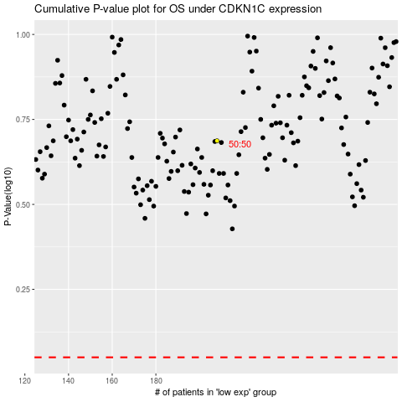

 |  |  |  |  |  | cases_OS | p_OS | rank | exp
 |  |  |  |  |  |  | cases_RFS | p_RFS | rank | exp

