CDKN2AIPNL _multivariate
Reported by Tex Li-Hsing Chi. tex@gate.sinica.edu.tw 2019-08-21

Table 2. The clinicopathological features of HNSCC cohort and CDKN2AIPNL expression. (Chi square test)
Cutoff at 0.052 (62.3%)
 |  | CDKN2AIPNL expression |  | CDKN2AIPNL expression |  | (Optimised)
 | Features | Low | (%) | High | (%) | Case no | P-value | Remark | Matthews
Gender | Female | 180 | 43.4 | 126 | 30.4 | 415 | 0.0159 | 1 | 0
2 | Male | 79 | 19 | 30 | 7.2
Age at diagnosis | <=65y | 173 | 41.7 | 101 | 24.3 | 415 | 0.7486 | 0 | 0
4 | >65y | 86 | 20.7 | 55 | 13.3
Clinical T Status | T1+T2 | 90 | 21.7 | 59 | 14.2 | 415 | 0.5988 | 0 | 0
6 | T3+T4 | 169 | 40.7 | 97 | 23.4
Clinical N Status | N0 | 129 | 31.1 | 87 | 21 | 415 | 0.2819 | 0 | 0
8 | N1-3 | 130 | 31.3 | 69 | 16.6
Clinical M Status | M0 | 258 | 62.2 | 154 | 37.1 | 415 | 0.5593 | 0 | 0
10 | M1 | 1 | 0.2 | 2 | 0.5
Clinical Stage | Stage I+II | 64 | 15.4 | 38 | 9.2 | 415 | 1 | 0 | 0
12 | Stage III+IV | 195 | 47 | 118 | 28.4
Surgical Margin status | Negative | 211 | 50.8 | 107 | 25.8 | 415 | 0.0039 | 1 | 0
14 | Positive | 48 | 11.6 | 49 | 11.8
Tobacco Exposure | Low | 106 | 25.5 | 55 | 13.3 | 415 | 0.2551 | 0 | 0
16 | High | 153 | 36.9 | 101 | 24.3

Table 3. Univariate/Multivariate Cox's proportional hazards regression analyses on OS time of CDKN2AIPNL gene expression in HNSCC

 |  | Univariate |  |  |  | Multivariate
 | Features | HR | CI95%(L) | CI95%(H) | P-value | HR | CI95%(L) | CI95%(H) | P-value
1 | Female | 1 |  |  |  | 1
Gender | Male | 1.157 | 0.843 | 1.587 | 0.367 | 1.247 | 0.89 | 1.748 | 0.2
11 | <=65y | 1 |  |  |  | 1
Age at diagnosis | >65y | 1.329 | 0.99 | 1.784 | 0.058 | 1.384 | 1.017 | 1.882 | 0.038
12 | T1+T2 | 1 |  |  |  | 1
Clinical T Status | T3+T4 | 1.409 | 1.028 | 1.931 | 0.033 | 2.296 | 1.212 | 4.348 | 0.011
13 | N0 | 1 |  |  |  | 1
Clinical N Status | N1-3 | 1.185 | 0.89 | 1.577 | 0.246 | 1.287 | 0.899 | 1.842 | 0.168
14 | M0 | 1 |  |  |  | 1
Clinical M Status | M1 | 4.097 | 1.009 | 16.644 | 0.049 | 9.147 | 1.994 | 41.953 | 0.004
15 | Stage I+II | 1 |  |  |  | 1
Clinical Stage | Stage III+IV | 1.245 | 0.882 | 1.759 | 0.213 | 0.472 | 0.219 | 1.017 | 0.055
16 | Negative | 1 |  |  |  | 1
Surgical Margin status | Positive | 1.591 | 1.155 | 2.191 | 0.004 | 1.588 | 1.143 | 2.205 | 0.006
17 | Low | 1 |  |  |  | 1
Tobacco Exposure | High | 1.364 | 1.008 | 1.844 | 0.044 | 1.422 | 1.031 | 1.962 | 0.032
18 | Low | 1 |  |  |  | 1
RNAseq(z-score) | High | 1.348 | 1.001 | 1.816 | 0.049 | 1.313 | 0.962 | 1.79 | 0.086

Table 4. Univariate/Multivariate Cox's proportional hazards regression analyses on RFS time of CDKN2AIPNL gene expression in HNSCC

 |  | Univariate |  |  |  | Multivariate
 | Features | HR | CI95%(L) | CI95%(H) | P-value | HR | CI95%(L) | CI95%(H) | P-value
1 | Female | 1 |  |  |  | 1
Gender | Male | 1.157 | 0.843 | 1.587 | 0.367 | 1.247 | 0.89 | 1.748 | 0.2
11 | <=65y | 1 |  |  |  | 1
Age at diagnosis | >65y | 1.329 | 0.99 | 1.784 | 0.058 | 1.384 | 1.017 | 1.882 | 0.038
12 | T1+T2 | 1 |  |  |  | 1
Clinical T Status | T3+T4 | 1.409 | 1.028 | 1.931 | 0.033 | 2.296 | 1.212 | 4.348 | 0.011
13 | N0 | 1 |  |  |  | 1
Clinical N Status | N1-3 | 1.185 | 0.89 | 1.577 | 0.246 | 1.287 | 0.899 | 1.842 | 0.168
14 | M0 | 1 |  |  |  | 1
Clinical M Status | M1 | 4.097 | 1.009 | 16.644 | 0.049 | 9.147 | 1.994 | 41.953 | 0.004
15 | Stage I+II | 1 |  |  |  | 1
Clinical Stage | Stage III+IV | 1.245 | 0.882 | 1.759 | 0.213 | 0.472 | 0.219 | 1.017 | 0.055
16 | Negative | 1 |  |  |  | 1
Surgical Margin status | Positive | 1.591 | 1.155 | 2.191 | 0.004 | 1.588 | 1.143 | 2.205 | 0.006
17 | Low | 1 |  |  |  | 1
Tobacco Exposure | High | 1.364 | 1.008 | 1.844 | 0.044 | 1.422 | 1.031 | 1.962 | 0.032
18 | Low | 1 |  |  |  | 1
RNAseq(z-score) | High | 1.348 | 1.001 | 1.816 | 0.049 | 1.313 | 0.962 | 1.79 | 0.086

Kaplan-Meier survival estimate: Cutoff at 0.052 (62.3%)

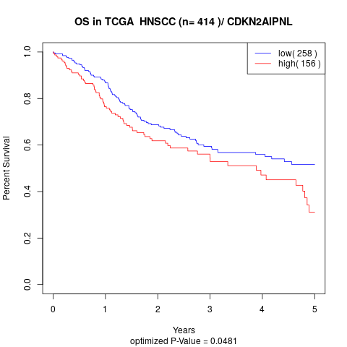

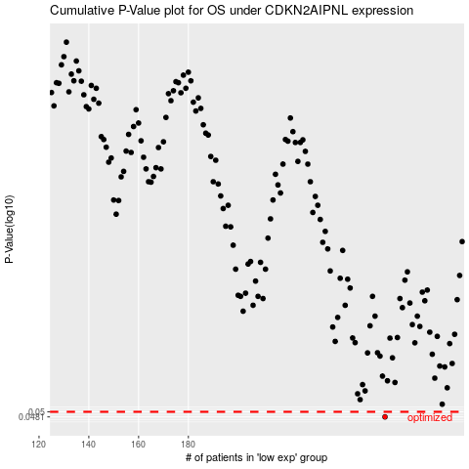

 |  |  |  |  |  | cases_OS | p_OS | rank | exp
 |  |  |  |  |  | 259 | 0.0481 | 123 | 0.052130638991
 |  |  |  |  |  |  | cases_RFS | p_RFS | rank | exp
 |  |  |  |  |  |  | 258 | 0.0481 | 111 | 0.045887795632

