CDKN2B _multivariate
Reported by Tex Li-Hsing Chi. tex@gate.sinica.edu.tw 2019-08-21

Table 2. The clinicopathological features of HNSCC cohort and CDKN2B expression. (Chi square test)
Cutoff at -0.259 (50.0%)
 |  | CDKN2B expression |  | CDKN2B expression |  | (Optimised)
 | Features | Low | (%) | High | (%) | Case no | P-value | Remark | Matthews
Gender | Female | 162 | 39 | 144 | 34.7 | 415 | 0.0479 | 1 | 0
2 | Male | 45 | 10.8 | 64 | 15.4
Age at diagnosis | <=65y | 136 | 32.8 | 138 | 33.3 | 415 | 0.9719 | 0 | 0
4 | >65y | 71 | 17.1 | 70 | 16.9
Clinical T Status | T1+T2 | 64 | 15.4 | 85 | 20.5 | 415 | 0.0445 | 1 | 0
6 | T3+T4 | 143 | 34.5 | 123 | 29.6
Clinical N Status | N0 | 105 | 25.3 | 111 | 26.7 | 415 | 0.6598 | 0 | 0
8 | N1-3 | 102 | 24.6 | 97 | 23.4
Clinical M Status | M0 | 206 | 49.6 | 206 | 49.6 | 415 | 1 | 0 | 0
10 | M1 | 1 | 0.2 | 2 | 0.5
Clinical Stage | Stage I+II | 41 | 9.9 | 61 | 14.7 | 415 | 0.0325 | 1 | 0
12 | Stage III+IV | 166 | 40 | 147 | 35.4
Surgical Margin status | Negative | 157 | 37.8 | 161 | 38.8 | 415 | 0.729 | 0 | 0
14 | Positive | 50 | 12 | 47 | 11.3
Tobacco Exposure | Low | 67 | 16.1 | 94 | 22.7 | 415 | 0.0088 | 1 | 0
16 | High | 140 | 33.7 | 114 | 27.5

Table 3. Univariate/Multivariate Cox's proportional hazards regression analyses on OS time of CDKN2B gene expression in HNSCC

 |  | Univariate |  |  |  | Multivariate
 | Features | HR | CI95%(L) | CI95%(H) | P-value | HR | CI95%(L) | CI95%(H) | P-value
1 | Female | 1 |  |  |  | 1
Gender | Male | 1.157 | 0.843 | 1.587 | 0.367 | 1.189 | 0.852 | 1.661 | 0.309
11 | <=65y | 1 |  |  |  | 1
Age at diagnosis | >65y | 1.329 | 0.99 | 1.784 | 0.058 | 1.417 | 1.042 | 1.927 | 0.026
12 | T1+T2 | 1 |  |  |  | 1
Clinical T Status | T3+T4 | 1.409 | 1.028 | 1.931 | 0.033 | 2.221 | 1.174 | 4.202 | 0.014
13 | N0 | 1 |  |  |  | 1
Clinical N Status | N1-3 | 1.185 | 0.89 | 1.577 | 0.246 | 1.241 | 0.87 | 1.771 | 0.233
14 | M0 | 1 |  |  |  | 1
Clinical M Status | M1 | 4.097 | 1.009 | 16.644 | 0.049 | 9.254 | 2.017 | 42.45 | 0.004
15 | Stage I+II | 1 |  |  |  | 1
Clinical Stage | Stage III+IV | 1.245 | 0.882 | 1.759 | 0.213 | 0.509 | 0.237 | 1.094 | 0.084
16 | Negative | 1 |  |  |  | 1
Surgical Margin status | Positive | 1.591 | 1.155 | 2.191 | 0.004 | 1.679 | 1.214 | 2.32 | 0.002
17 | Low | 1 |  |  |  | 1
Tobacco Exposure | High | 1.364 | 1.008 | 1.844 | 0.044 | 1.472 | 1.069 | 2.028 | 0.018
18 | Low | 1 |  |  |  | 1
RNAseq(z-score) | High | 1.109 | 0.833 | 1.478 | 0.478 | 1.179 | 0.882 | 1.577 | 0.267

Table 4. Univariate/Multivariate Cox's proportional hazards regression analyses on RFS time of CDKN2B gene expression in HNSCC

 |  | Univariate |  |  |  | Multivariate
 | Features | HR | CI95%(L) | CI95%(H) | P-value | HR | CI95%(L) | CI95%(H) | P-value
1 | Female | 1 |  |  |  | 1
Gender | Male | 1.157 | 0.843 | 1.587 | 0.367 | 1.189 | 0.852 | 1.661 | 0.309
11 | <=65y | 1 |  |  |  | 1
Age at diagnosis | >65y | 1.329 | 0.99 | 1.784 | 0.058 | 1.417 | 1.042 | 1.927 | 0.026
12 | T1+T2 | 1 |  |  |  | 1
Clinical T Status | T3+T4 | 1.409 | 1.028 | 1.931 | 0.033 | 2.221 | 1.174 | 4.202 | 0.014
13 | N0 | 1 |  |  |  | 1
Clinical N Status | N1-3 | 1.185 | 0.89 | 1.577 | 0.246 | 1.241 | 0.87 | 1.771 | 0.233
14 | M0 | 1 |  |  |  | 1
Clinical M Status | M1 | 4.097 | 1.009 | 16.644 | 0.049 | 9.254 | 2.017 | 42.45 | 0.004
15 | Stage I+II | 1 |  |  |  | 1
Clinical Stage | Stage III+IV | 1.245 | 0.882 | 1.759 | 0.213 | 0.509 | 0.237 | 1.094 | 0.084
16 | Negative | 1 |  |  |  | 1
Surgical Margin status | Positive | 1.591 | 1.155 | 2.191 | 0.004 | 1.679 | 1.214 | 2.32 | 0.002
17 | Low | 1 |  |  |  | 1
Tobacco Exposure | High | 1.364 | 1.008 | 1.844 | 0.044 | 1.472 | 1.069 | 2.028 | 0.018
18 | Low | 1 |  |  |  | 1
RNAseq(z-score) | High | 1.109 | 0.833 | 1.478 | 0.478 | 1.179 | 0.882 | 1.577 | 0.267

Kaplan-Meier survival estimate: Cutoff at -0.259 (50.0%)



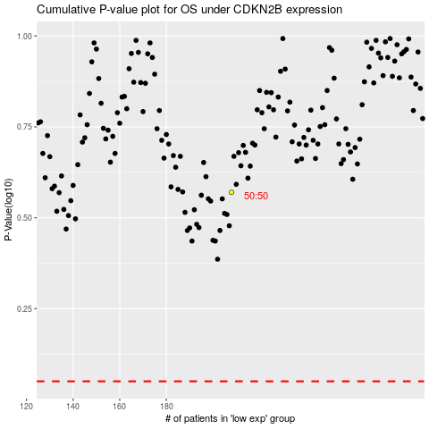

 |  |  |  |  |  | cases_OS | p_OS | rank | exp
 |  |  |  |  |  |  | cases_RFS | p_RFS | rank | exp

