CDKN2BAS _multivariate
Reported by Tex Li-Hsing Chi. tex@gate.sinica.edu.tw 2019-08-21

Table 2. The clinicopathological features of HNSCC cohort and CDKN2BAS expression. (Chi square test)
Cutoff at -0.238 (49.8%)
 |  | CDKN2BAS expression |  | CDKN2BAS expression |  | (Optimised)
 | Features | Low | (%) | High | (%) | Case no | P-value | Remark | Matthews
Gender | Female | 145 | 34.9 | 161 | 38.8 | 415 | 0.1116 | 0 | 0
2 | Male | 62 | 14.9 | 47 | 11.3
Age at diagnosis | <=65y | 139 | 33.5 | 135 | 32.5 | 415 | 0.7044 | 0 | 0
4 | >65y | 68 | 16.4 | 73 | 17.6
Clinical T Status | T1+T2 | 69 | 16.6 | 80 | 19.3 | 415 | 0.3239 | 0 | 0
6 | T3+T4 | 138 | 33.3 | 128 | 30.8
Clinical N Status | N0 | 111 | 26.7 | 105 | 25.3 | 415 | 0.5875 | 0 | 0
8 | N1-3 | 96 | 23.1 | 103 | 24.8
Clinical M Status | M0 | 206 | 49.6 | 206 | 49.6 | 415 | 1 | 0 | 0
10 | M1 | 1 | 0.2 | 2 | 0.5
Clinical Stage | Stage I+II | 52 | 12.5 | 50 | 12 | 415 | 0.8871 | 0 | 0
12 | Stage III+IV | 155 | 37.3 | 158 | 38.1
Surgical Margin status | Negative | 165 | 39.8 | 153 | 36.9 | 415 | 0.1639 | 0 | 0
14 | Positive | 42 | 10.1 | 55 | 13.3
Tobacco Exposure | Low | 75 | 18.1 | 86 | 20.7 | 415 | 0.3141 | 0 | 0
16 | High | 132 | 31.8 | 122 | 29.4

Table 3. Univariate/Multivariate Cox's proportional hazards regression analyses on OS time of CDKN2BAS gene expression in HNSCC

 |  | Univariate |  |  |  | Multivariate
 | Features | HR | CI95%(L) | CI95%(H) | P-value | HR | CI95%(L) | CI95%(H) | P-value
1 | Female | 1 |  |  |  | 1
Gender | Male | 1.157 | 0.843 | 1.587 | 0.367 | 1.206 | 0.863 | 1.686 | 0.273
11 | <=65y | 1 |  |  |  | 1
Age at diagnosis | >65y | 1.329 | 0.99 | 1.784 | 0.058 | 1.391 | 1.024 | 1.891 | 0.035
12 | T1+T2 | 1 |  |  |  | 1
Clinical T Status | T3+T4 | 1.409 | 1.028 | 1.931 | 0.033 | 2.225 | 1.173 | 4.22 | 0.014
13 | N0 | 1 |  |  |  | 1
Clinical N Status | N1-3 | 1.185 | 0.89 | 1.577 | 0.246 | 1.241 | 0.87 | 1.771 | 0.233
14 | M0 | 1 |  |  |  | 1
Clinical M Status | M1 | 4.097 | 1.009 | 16.644 | 0.049 | 9.361 | 2.041 | 42.928 | 0.004
15 | Stage I+II | 1 |  |  |  | 1
Clinical Stage | Stage III+IV | 1.245 | 0.882 | 1.759 | 0.213 | 0.5 | 0.233 | 1.076 | 0.076
16 | Negative | 1 |  |  |  | 1
Surgical Margin status | Positive | 1.591 | 1.155 | 2.191 | 0.004 | 1.664 | 1.203 | 2.302 | 0.002
17 | Low | 1 |  |  |  | 1
Tobacco Exposure | High | 1.364 | 1.008 | 1.844 | 0.044 | 1.455 | 1.056 | 2.004 | 0.022
18 | Low | 1 |  |  |  | 1
RNAseq(z-score) | High | 1.054 | 0.791 | 1.404 | 0.72 | 1.05 | 0.785 | 1.404 | 0.743

Table 4. Univariate/Multivariate Cox's proportional hazards regression analyses on RFS time of CDKN2BAS gene expression in HNSCC

 |  | Univariate |  |  |  | Multivariate
 | Features | HR | CI95%(L) | CI95%(H) | P-value | HR | CI95%(L) | CI95%(H) | P-value
1 | Female | 1 |  |  |  | 1
Gender | Male | 1.157 | 0.843 | 1.587 | 0.367 | 1.206 | 0.863 | 1.686 | 0.273
11 | <=65y | 1 |  |  |  | 1
Age at diagnosis | >65y | 1.329 | 0.99 | 1.784 | 0.058 | 1.391 | 1.024 | 1.891 | 0.035
12 | T1+T2 | 1 |  |  |  | 1
Clinical T Status | T3+T4 | 1.409 | 1.028 | 1.931 | 0.033 | 2.225 | 1.173 | 4.22 | 0.014
13 | N0 | 1 |  |  |  | 1
Clinical N Status | N1-3 | 1.185 | 0.89 | 1.577 | 0.246 | 1.241 | 0.87 | 1.771 | 0.233
14 | M0 | 1 |  |  |  | 1
Clinical M Status | M1 | 4.097 | 1.009 | 16.644 | 0.049 | 9.361 | 2.041 | 42.928 | 0.004
15 | Stage I+II | 1 |  |  |  | 1
Clinical Stage | Stage III+IV | 1.245 | 0.882 | 1.759 | 0.213 | 0.5 | 0.233 | 1.076 | 0.076
16 | Negative | 1 |  |  |  | 1
Surgical Margin status | Positive | 1.591 | 1.155 | 2.191 | 0.004 | 1.664 | 1.203 | 2.302 | 0.002
17 | Low | 1 |  |  |  | 1
Tobacco Exposure | High | 1.364 | 1.008 | 1.844 | 0.044 | 1.455 | 1.056 | 2.004 | 0.022
18 | Low | 1 |  |  |  | 1
RNAseq(z-score) | High | 1.054 | 0.791 | 1.404 | 0.72 | 1.05 | 0.785 | 1.404 | 0.743

Kaplan-Meier survival estimate: Cutoff at -0.238 (49.8%)

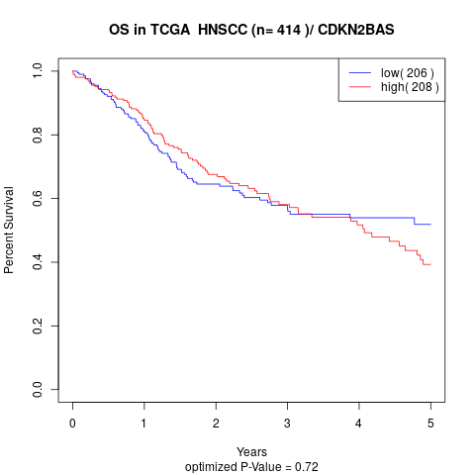

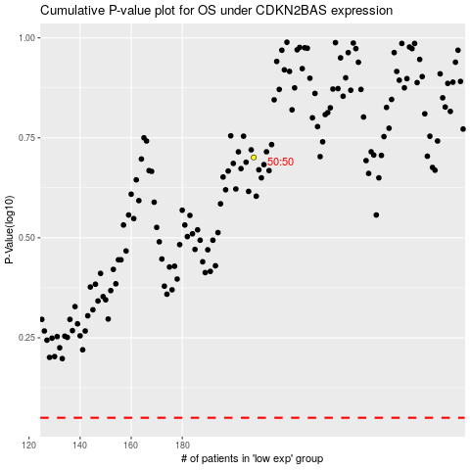

 |  |  |  |  |  | cases_OS | p_OS | rank | exp
 |  |  |  |  |  |  | cases_RFS | p_RFS | rank | exp

