CDNF _multivariate
Reported by Tex Li-Hsing Chi. tex@gate.sinica.edu.tw 2019-08-21

Table 2. The clinicopathological features of HNSCC cohort and CDNF expression. (Chi square test)
Cutoff at -0.248 (50.0%)
 |  | CDNF expression |  | CDNF expression |  | (Optimised)
 | Features | Low | (%) | High | (%) | Case no | P-value | Remark | Matthews
Gender | Female | 152 | 36.6 | 154 | 37.1 | 415 | 0.9766 | 0 | 0
2 | Male | 55 | 13.3 | 54 | 13
Age at diagnosis | <=65y | 141 | 34 | 133 | 32 | 415 | 0.4272 | 0 | 0
4 | >65y | 66 | 15.9 | 75 | 18.1
Clinical T Status | T1+T2 | 61 | 14.7 | 88 | 21.2 | 415 | 0.0087 | 1 | 0
6 | T3+T4 | 146 | 35.2 | 120 | 28.9
Clinical N Status | N0 | 105 | 25.3 | 111 | 26.7 | 415 | 0.6598 | 0 | 0
8 | N1-3 | 102 | 24.6 | 97 | 23.4
Clinical M Status | M0 | 205 | 49.4 | 207 | 49.9 | 415 | 0.6232 | 0 | 0
10 | M1 | 2 | 0.5 | 1 | 0.2
Clinical Stage | Stage I+II | 44 | 10.6 | 58 | 14 | 415 | 0.1459 | 0 | 0
12 | Stage III+IV | 163 | 39.3 | 150 | 36.1
Surgical Margin status | Negative | 160 | 38.6 | 158 | 38.1 | 415 | 0.8167 | 0 | 0
14 | Positive | 47 | 11.3 | 50 | 12
Tobacco Exposure | Low | 78 | 18.8 | 83 | 20 | 415 | 0.6873 | 0 | 0
16 | High | 129 | 31.1 | 125 | 30.1

Table 3. Univariate/Multivariate Cox's proportional hazards regression analyses on OS time of CDNF gene expression in HNSCC

 |  | Univariate |  |  |  | Multivariate
 | Features | HR | CI95%(L) | CI95%(H) | P-value | HR | CI95%(L) | CI95%(H) | P-value
1 | Female | 1 |  |  |  | 1
Gender | Male | 1.157 | 0.843 | 1.587 | 0.367 | 1.203 | 0.861 | 1.681 | 0.278
11 | <=65y | 1 |  |  |  | 1
Age at diagnosis | >65y | 1.329 | 0.99 | 1.784 | 0.058 | 1.388 | 1.02 | 1.888 | 0.037
12 | T1+T2 | 1 |  |  |  | 1
Clinical T Status | T3+T4 | 1.409 | 1.028 | 1.931 | 0.033 | 2.22 | 1.171 | 4.211 | 0.015
13 | N0 | 1 |  |  |  | 1
Clinical N Status | N1-3 | 1.185 | 0.89 | 1.577 | 0.246 | 1.242 | 0.87 | 1.772 | 0.233
14 | M0 | 1 |  |  |  | 1
Clinical M Status | M1 | 4.097 | 1.009 | 16.644 | 0.049 | 9.485 | 2.066 | 43.533 | 0.004
15 | Stage I+II | 1 |  |  |  | 1
Clinical Stage | Stage III+IV | 1.245 | 0.882 | 1.759 | 0.213 | 0.502 | 0.234 | 1.079 | 0.078
16 | Negative | 1 |  |  |  | 1
Surgical Margin status | Positive | 1.591 | 1.155 | 2.191 | 0.004 | 1.667 | 1.206 | 2.305 | 0.002
17 | Low | 1 |  |  |  | 1
Tobacco Exposure | High | 1.364 | 1.008 | 1.844 | 0.044 | 1.449 | 1.051 | 1.997 | 0.024
18 | Low | 1 |  |  |  | 1
RNAseq(z-score) | High | 1.029 | 0.773 | 1.37 | 0.846 | 1.039 | 0.777 | 1.389 | 0.797

Table 4. Univariate/Multivariate Cox's proportional hazards regression analyses on RFS time of CDNF gene expression in HNSCC

 |  | Univariate |  |  |  | Multivariate
 | Features | HR | CI95%(L) | CI95%(H) | P-value | HR | CI95%(L) | CI95%(H) | P-value
1 | Female | 1 |  |  |  | 1
Gender | Male | 1.157 | 0.843 | 1.587 | 0.367 | 1.203 | 0.861 | 1.681 | 0.278
11 | <=65y | 1 |  |  |  | 1
Age at diagnosis | >65y | 1.329 | 0.99 | 1.784 | 0.058 | 1.388 | 1.02 | 1.888 | 0.037
12 | T1+T2 | 1 |  |  |  | 1
Clinical T Status | T3+T4 | 1.409 | 1.028 | 1.931 | 0.033 | 2.22 | 1.171 | 4.211 | 0.015
13 | N0 | 1 |  |  |  | 1
Clinical N Status | N1-3 | 1.185 | 0.89 | 1.577 | 0.246 | 1.242 | 0.87 | 1.772 | 0.233
14 | M0 | 1 |  |  |  | 1
Clinical M Status | M1 | 4.097 | 1.009 | 16.644 | 0.049 | 9.485 | 2.066 | 43.533 | 0.004
15 | Stage I+II | 1 |  |  |  | 1
Clinical Stage | Stage III+IV | 1.245 | 0.882 | 1.759 | 0.213 | 0.502 | 0.234 | 1.079 | 0.078
16 | Negative | 1 |  |  |  | 1
Surgical Margin status | Positive | 1.591 | 1.155 | 2.191 | 0.004 | 1.667 | 1.206 | 2.305 | 0.002
17 | Low | 1 |  |  |  | 1
Tobacco Exposure | High | 1.364 | 1.008 | 1.844 | 0.044 | 1.449 | 1.051 | 1.997 | 0.024
18 | Low | 1 |  |  |  | 1
RNAseq(z-score) | High | 1.029 | 0.773 | 1.37 | 0.846 | 1.039 | 0.777 | 1.389 | 0.797

Kaplan-Meier survival estimate: Cutoff at -0.248 (50.0%)



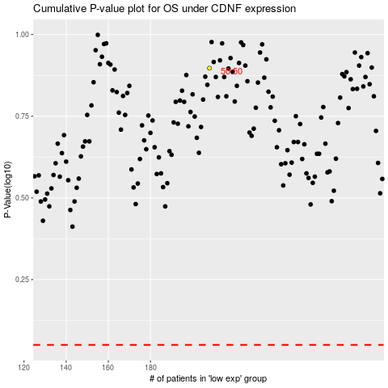

 |  |  |  |  |  | cases_OS | p_OS | rank | exp
 |  |  |  |  |  |  | cases_RFS | p_RFS | rank | exp

