CDON _multivariate
Reported by Tex Li-Hsing Chi. tex@gate.sinica.edu.tw 2019-08-21

Table 2. The clinicopathological features of HNSCC cohort and CDON expression. (Chi square test)
Cutoff at -0.496 (32.9%)
 |  | CDON expression |  | CDON expression |  | (Optimised)
 | Features | Low | (%) | High | (%) | Case no | P-value | Remark | Matthews
Gender | Female | 98 | 23.6 | 208 | 50.1 | 415 | 0.5505 | 0 | 0
2 | Male | 39 | 9.4 | 70 | 16.9
Age at diagnosis | <=65y | 89 | 21.4 | 185 | 44.6 | 415 | 0.8336 | 0 | 0
4 | >65y | 48 | 11.6 | 93 | 22.4
Clinical T Status | T1+T2 | 40 | 9.6 | 109 | 26.3 | 415 | 0.0587 | 0 | 0
6 | T3+T4 | 97 | 23.4 | 169 | 40.7
Clinical N Status | N0 | 62 | 14.9 | 154 | 37.1 | 415 | 0.0658 | 0 | 0
8 | N1-3 | 75 | 18.1 | 124 | 29.9
Clinical M Status | M0 | 135 | 32.5 | 277 | 66.7 | 415 | 0.2544 | 0 | 0
10 | M1 | 2 | 0.5 | 1 | 0.2
Clinical Stage | Stage I+II | 26 | 6.3 | 76 | 18.3 | 415 | 0.0821 | 0 | 0
12 | Stage III+IV | 111 | 26.7 | 202 | 48.7
Surgical Margin status | Negative | 107 | 25.8 | 211 | 50.8 | 415 | 0.7115 | 0 | 0
14 | Positive | 30 | 7.2 | 67 | 16.1
Tobacco Exposure | Low | 52 | 12.5 | 109 | 26.3 | 415 | 0.831 | 0 | 0
16 | High | 85 | 20.5 | 169 | 40.7

Table 3. Univariate/Multivariate Cox's proportional hazards regression analyses on OS time of CDON gene expression in HNSCC

 |  | Univariate |  |  |  | Multivariate
 | Features | HR | CI95%(L) | CI95%(H) | P-value | HR | CI95%(L) | CI95%(H) | P-value
1 | Female | 1 |  |  |  | 1
Gender | Male | 1.157 | 0.843 | 1.587 | 0.367 | 1.183 | 0.846 | 1.654 | 0.325
11 | <=65y | 1 |  |  |  | 1
Age at diagnosis | >65y | 1.329 | 0.99 | 1.784 | 0.058 | 1.367 | 1.005 | 1.858 | 0.046
12 | T1+T2 | 1 |  |  |  | 1
Clinical T Status | T3+T4 | 1.409 | 1.028 | 1.931 | 0.033 | 2.175 | 1.15 | 4.111 | 0.017
13 | N0 | 1 |  |  |  | 1
Clinical N Status | N1-3 | 1.185 | 0.89 | 1.577 | 0.246 | 1.216 | 0.852 | 1.735 | 0.282
14 | M0 | 1 |  |  |  | 1
Clinical M Status | M1 | 4.097 | 1.009 | 16.644 | 0.049 | 8.733 | 1.901 | 40.122 | 0.005
15 | Stage I+II | 1 |  |  |  | 1
Clinical Stage | Stage III+IV | 1.245 | 0.882 | 1.759 | 0.213 | 0.503 | 0.234 | 1.079 | 0.078
16 | Negative | 1 |  |  |  | 1
Surgical Margin status | Positive | 1.591 | 1.155 | 2.191 | 0.004 | 1.712 | 1.238 | 2.369 | 0.001
17 | Low | 1 |  |  |  | 1
Tobacco Exposure | High | 1.364 | 1.008 | 1.844 | 0.044 | 1.457 | 1.056 | 2.01 | 0.022
18 | Low | 1 |  |  |  | 1
RNAseq(z-score) | High | 0.738 | 0.547 | 0.994 | 0.046 | 0.753 | 0.556 | 1.02 | 0.067

Table 4. Univariate/Multivariate Cox's proportional hazards regression analyses on RFS time of CDON gene expression in HNSCC

 |  | Univariate |  |  |  | Multivariate
 | Features | HR | CI95%(L) | CI95%(H) | P-value | HR | CI95%(L) | CI95%(H) | P-value
1 | Female | 1 |  |  |  | 1
Gender | Male | 1.157 | 0.843 | 1.587 | 0.367 | 1.183 | 0.846 | 1.654 | 0.325
11 | <=65y | 1 |  |  |  | 1
Age at diagnosis | >65y | 1.329 | 0.99 | 1.784 | 0.058 | 1.367 | 1.005 | 1.858 | 0.046
12 | T1+T2 | 1 |  |  |  | 1
Clinical T Status | T3+T4 | 1.409 | 1.028 | 1.931 | 0.033 | 2.175 | 1.15 | 4.111 | 0.017
13 | N0 | 1 |  |  |  | 1
Clinical N Status | N1-3 | 1.185 | 0.89 | 1.577 | 0.246 | 1.216 | 0.852 | 1.735 | 0.282
14 | M0 | 1 |  |  |  | 1
Clinical M Status | M1 | 4.097 | 1.009 | 16.644 | 0.049 | 8.733 | 1.901 | 40.122 | 0.005
15 | Stage I+II | 1 |  |  |  | 1
Clinical Stage | Stage III+IV | 1.245 | 0.882 | 1.759 | 0.213 | 0.503 | 0.234 | 1.079 | 0.078
16 | Negative | 1 |  |  |  | 1
Surgical Margin status | Positive | 1.591 | 1.155 | 2.191 | 0.004 | 1.712 | 1.238 | 2.369 | 0.001
17 | Low | 1 |  |  |  | 1
Tobacco Exposure | High | 1.364 | 1.008 | 1.844 | 0.044 | 1.457 | 1.056 | 2.01 | 0.022
18 | Low | 1 |  |  |  | 1
RNAseq(z-score) | High | 0.738 | 0.547 | 0.994 | 0.046 | 0.753 | 0.556 | 1.02 | 0.067

Kaplan-Meier survival estimate: Cutoff at -0.496 (32.9%)



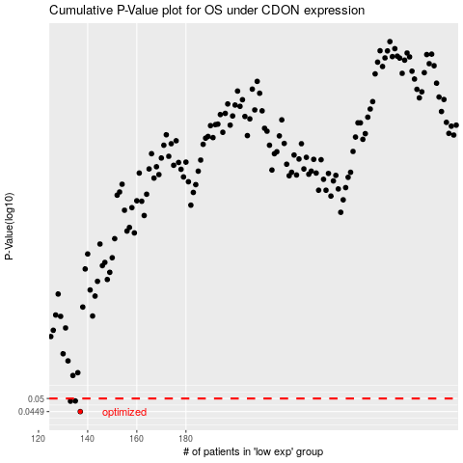

 |  |  |  |  |  | cases_OS | p_OS | rank | exp
 |  |  |  |  |  | 137 | 0.0449 | 271 | -0.49614405325
 |  |  |  |  |  | 133 | 0.0489 | 119 | -0.51167793875
 |  |  |  |  |  | 135 | 0.049 | 42 | -0.50306253728
 |  |  |  |  |  |  | cases_RFS | p_RFS | rank | exp
 |  |  |  |  |  |  | 136 | 0.0449 | 2 | -0.50185464503
 |  |  |  |  |  |  | 132 | 0.0489 | 283 | -0.51182158991
 |  |  |  |  |  |  | 134 | 0.049 | 265 | -0.50336084265

