CDRT4 _multivariate
Reported by Tex Li-Hsing Chi. tex@gate.sinica.edu.tw 2019-08-21

Table 2. The clinicopathological features of HNSCC cohort and CDRT4 expression. (Chi square test)
Cutoff at -0.209 (49.8%)
 |  | CDRT4 expression |  | CDRT4 expression |  | (Optimised)
 | Features | Low | (%) | High | (%) | Case no | P-value | Remark | Matthews
Gender | Female | 148 | 35.7 | 158 | 38.1 | 415 | 0.3567 | 0 | 0
2 | Male | 59 | 14.2 | 50 | 12
Age at diagnosis | <=65y | 139 | 33.5 | 135 | 32.5 | 415 | 0.7044 | 0 | 0
4 | >65y | 68 | 16.4 | 73 | 17.6
Clinical T Status | T1+T2 | 74 | 17.8 | 75 | 18.1 | 415 | 1 | 0 | 0
6 | T3+T4 | 133 | 32 | 133 | 32
Clinical N Status | N0 | 109 | 26.3 | 107 | 25.8 | 415 | 0.8812 | 0 | 0
8 | N1-3 | 98 | 23.6 | 101 | 24.3
Clinical M Status | M0 | 205 | 49.4 | 207 | 49.9 | 415 | 0.6232 | 0 | 0
10 | M1 | 2 | 0.5 | 1 | 0.2
Clinical Stage | Stage I+II | 53 | 12.8 | 49 | 11.8 | 415 | 0.7113 | 0 | 0
12 | Stage III+IV | 154 | 37.1 | 159 | 38.3
Surgical Margin status | Negative | 163 | 39.3 | 155 | 37.3 | 415 | 0.3537 | 0 | 0
14 | Positive | 44 | 10.6 | 53 | 12.8
Tobacco Exposure | Low | 82 | 19.8 | 79 | 19 | 415 | 0.763 | 0 | 0
16 | High | 125 | 30.1 | 129 | 31.1

Table 3. Univariate/Multivariate Cox's proportional hazards regression analyses on OS time of CDRT4 gene expression in HNSCC

 |  | Univariate |  |  |  | Multivariate
 | Features | HR | CI95%(L) | CI95%(H) | P-value | HR | CI95%(L) | CI95%(H) | P-value
1 | Female | 1 |  |  |  | 1
Gender | Male | 1.157 | 0.843 | 1.587 | 0.367 | 1.223 | 0.873 | 1.715 | 0.242
11 | <=65y | 1 |  |  |  | 1
Age at diagnosis | >65y | 1.329 | 0.99 | 1.784 | 0.058 | 1.386 | 1.019 | 1.884 | 0.037
12 | T1+T2 | 1 |  |  |  | 1
Clinical T Status | T3+T4 | 1.409 | 1.028 | 1.931 | 0.033 | 2.233 | 1.179 | 4.227 | 0.014
13 | N0 | 1 |  |  |  | 1
Clinical N Status | N1-3 | 1.185 | 0.89 | 1.577 | 0.246 | 1.244 | 0.872 | 1.774 | 0.229
14 | M0 | 1 |  |  |  | 1
Clinical M Status | M1 | 4.097 | 1.009 | 16.644 | 0.049 | 9.924 | 2.151 | 45.79 | 0.003
15 | Stage I+II | 1 |  |  |  | 1
Clinical Stage | Stage III+IV | 1.245 | 0.882 | 1.759 | 0.213 | 0.492 | 0.229 | 1.06 | 0.07
16 | Negative | 1 |  |  |  | 1
Surgical Margin status | Positive | 1.591 | 1.155 | 2.191 | 0.004 | 1.674 | 1.211 | 2.314 | 0.002
17 | Low | 1 |  |  |  | 1
Tobacco Exposure | High | 1.364 | 1.008 | 1.844 | 0.044 | 1.449 | 1.051 | 1.997 | 0.023
18 | Low | 1 |  |  |  | 1
RNAseq(z-score) | High | 1.094 | 0.821 | 1.457 | 0.542 | 1.123 | 0.838 | 1.505 | 0.436

Table 4. Univariate/Multivariate Cox's proportional hazards regression analyses on RFS time of CDRT4 gene expression in HNSCC

 |  | Univariate |  |  |  | Multivariate
 | Features | HR | CI95%(L) | CI95%(H) | P-value | HR | CI95%(L) | CI95%(H) | P-value
1 | Female | 1 |  |  |  | 1
Gender | Male | 1.157 | 0.843 | 1.587 | 0.367 | 1.223 | 0.873 | 1.715 | 0.242
11 | <=65y | 1 |  |  |  | 1
Age at diagnosis | >65y | 1.329 | 0.99 | 1.784 | 0.058 | 1.386 | 1.019 | 1.884 | 0.037
12 | T1+T2 | 1 |  |  |  | 1
Clinical T Status | T3+T4 | 1.409 | 1.028 | 1.931 | 0.033 | 2.233 | 1.179 | 4.227 | 0.014
13 | N0 | 1 |  |  |  | 1
Clinical N Status | N1-3 | 1.185 | 0.89 | 1.577 | 0.246 | 1.244 | 0.872 | 1.774 | 0.229
14 | M0 | 1 |  |  |  | 1
Clinical M Status | M1 | 4.097 | 1.009 | 16.644 | 0.049 | 9.924 | 2.151 | 45.79 | 0.003
15 | Stage I+II | 1 |  |  |  | 1
Clinical Stage | Stage III+IV | 1.245 | 0.882 | 1.759 | 0.213 | 0.492 | 0.229 | 1.06 | 0.07
16 | Negative | 1 |  |  |  | 1
Surgical Margin status | Positive | 1.591 | 1.155 | 2.191 | 0.004 | 1.674 | 1.211 | 2.314 | 0.002
17 | Low | 1 |  |  |  | 1
Tobacco Exposure | High | 1.364 | 1.008 | 1.844 | 0.044 | 1.449 | 1.051 | 1.997 | 0.023
18 | Low | 1 |  |  |  | 1
RNAseq(z-score) | High | 1.094 | 0.821 | 1.457 | 0.542 | 1.123 | 0.838 | 1.505 | 0.436

Kaplan-Meier survival estimate: Cutoff at -0.209 (49.8%)



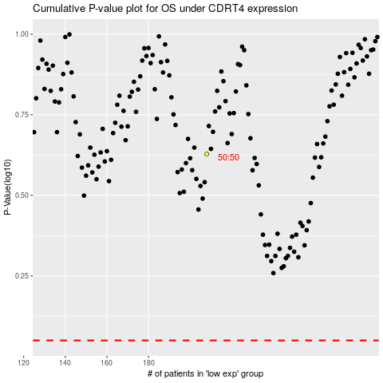

 |  |  |  |  |  | cases_OS | p_OS | rank | exp
 |  |  |  |  |  |  | cases_RFS | p_RFS | rank | exp

