CDSN _multivariate
Reported by Tex Li-Hsing Chi. tex@gate.sinica.edu.tw 2019-08-21

Table 2. The clinicopathological features of HNSCC cohort and CDSN expression. (Chi square test)
Cutoff at -0.333 (50.0%)
 |  | CDSN expression |  | CDSN expression |  | (Optimised)
 | Features | Low | (%) | High | (%) | Case no | P-value | Remark | Matthews
Gender | Female | 166 | 40 | 140 | 33.7 | 415 | 0.0041 | 1 | 0
2 | Male | 41 | 9.9 | 68 | 16.4
Age at diagnosis | <=65y | 146 | 35.2 | 128 | 30.8 | 415 | 0.0672 | 0 | 0
4 | >65y | 61 | 14.7 | 80 | 19.3
Clinical T Status | T1+T2 | 78 | 18.8 | 71 | 17.1 | 415 | 0.5152 | 0 | 0
6 | T3+T4 | 129 | 31.1 | 137 | 33
Clinical N Status | N0 | 101 | 24.3 | 115 | 27.7 | 415 | 0.2201 | 0 | 0
8 | N1-3 | 106 | 25.5 | 93 | 22.4
Clinical M Status | M0 | 206 | 49.6 | 206 | 49.6 | 415 | 1 | 0 | 0
10 | M1 | 1 | 0.2 | 2 | 0.5
Clinical Stage | Stage I+II | 48 | 11.6 | 54 | 13 | 415 | 0.5878 | 0 | 0
12 | Stage III+IV | 159 | 38.3 | 154 | 37.1
Surgical Margin status | Negative | 149 | 35.9 | 169 | 40.7 | 415 | 0.0278 | 1 | 0
14 | Positive | 58 | 14 | 39 | 9.4
Tobacco Exposure | Low | 69 | 16.6 | 92 | 22.2 | 415 | 0.0266 | 1 | 0
16 | High | 138 | 33.3 | 116 | 28

Table 3. Univariate/Multivariate Cox's proportional hazards regression analyses on OS time of CDSN gene expression in HNSCC

 |  | Univariate |  |  |  | Multivariate
 | Features | HR | CI95%(L) | CI95%(H) | P-value | HR | CI95%(L) | CI95%(H) | P-value
1 | Female | 1 |  |  |  | 1
Gender | Male | 1.157 | 0.843 | 1.587 | 0.367 | 1.256 | 0.894 | 1.766 | 0.189
11 | <=65y | 1 |  |  |  | 1
Age at diagnosis | >65y | 1.329 | 0.99 | 1.784 | 0.058 | 1.428 | 1.048 | 1.946 | 0.024
12 | T1+T2 | 1 |  |  |  | 1
Clinical T Status | T3+T4 | 1.409 | 1.028 | 1.931 | 0.033 | 2.259 | 1.194 | 4.275 | 0.012
13 | N0 | 1 |  |  |  | 1
Clinical N Status | N1-3 | 1.185 | 0.89 | 1.577 | 0.246 | 1.216 | 0.85 | 1.738 | 0.284
14 | M0 | 1 |  |  |  | 1
Clinical M Status | M1 | 4.097 | 1.009 | 16.644 | 0.049 | 10.48 | 2.266 | 48.467 | 0.003
15 | Stage I+II | 1 |  |  |  | 1
Clinical Stage | Stage III+IV | 1.245 | 0.882 | 1.759 | 0.213 | 0.493 | 0.229 | 1.058 | 0.07
16 | Negative | 1 |  |  |  | 1
Surgical Margin status | Positive | 1.591 | 1.155 | 2.191 | 0.004 | 1.63 | 1.177 | 2.257 | 0.003
17 | Low | 1 |  |  |  | 1
Tobacco Exposure | High | 1.364 | 1.008 | 1.844 | 0.044 | 1.429 | 1.036 | 1.971 | 0.029
18 | Low | 1 |  |  |  | 1
RNAseq(z-score) | High | 0.849 | 0.637 | 1.132 | 0.265 | 0.814 | 0.6 | 1.106 | 0.189

Table 4. Univariate/Multivariate Cox's proportional hazards regression analyses on RFS time of CDSN gene expression in HNSCC

 |  | Univariate |  |  |  | Multivariate
 | Features | HR | CI95%(L) | CI95%(H) | P-value | HR | CI95%(L) | CI95%(H) | P-value
1 | Female | 1 |  |  |  | 1
Gender | Male | 1.157 | 0.843 | 1.587 | 0.367 | 1.256 | 0.894 | 1.766 | 0.189
11 | <=65y | 1 |  |  |  | 1
Age at diagnosis | >65y | 1.329 | 0.99 | 1.784 | 0.058 | 1.428 | 1.048 | 1.946 | 0.024
12 | T1+T2 | 1 |  |  |  | 1
Clinical T Status | T3+T4 | 1.409 | 1.028 | 1.931 | 0.033 | 2.259 | 1.194 | 4.275 | 0.012
13 | N0 | 1 |  |  |  | 1
Clinical N Status | N1-3 | 1.185 | 0.89 | 1.577 | 0.246 | 1.216 | 0.85 | 1.738 | 0.284
14 | M0 | 1 |  |  |  | 1
Clinical M Status | M1 | 4.097 | 1.009 | 16.644 | 0.049 | 10.48 | 2.266 | 48.467 | 0.003
15 | Stage I+II | 1 |  |  |  | 1
Clinical Stage | Stage III+IV | 1.245 | 0.882 | 1.759 | 0.213 | 0.493 | 0.229 | 1.058 | 0.07
16 | Negative | 1 |  |  |  | 1
Surgical Margin status | Positive | 1.591 | 1.155 | 2.191 | 0.004 | 1.63 | 1.177 | 2.257 | 0.003
17 | Low | 1 |  |  |  | 1
Tobacco Exposure | High | 1.364 | 1.008 | 1.844 | 0.044 | 1.429 | 1.036 | 1.971 | 0.029
18 | Low | 1 |  |  |  | 1
RNAseq(z-score) | High | 0.849 | 0.637 | 1.132 | 0.265 | 0.814 | 0.6 | 1.106 | 0.189

Kaplan-Meier survival estimate: Cutoff at -0.333 (50.0%)



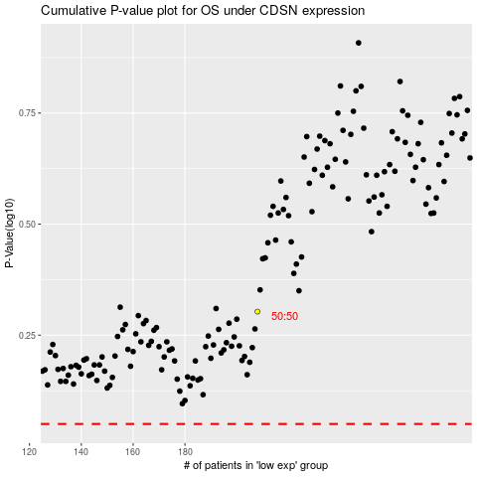

 |  |  |  |  |  | cases_OS | p_OS | rank | exp
 |  |  |  |  |  |  | cases_RFS | p_RFS | rank | exp

