CDYL _multivariate
Reported by Tex Li-Hsing Chi. tex@gate.sinica.edu.tw 2019-08-21

Table 2. The clinicopathological features of HNSCC cohort and CDYL expression. (Chi square test)
Cutoff at -0.096 (50.0%)
 |  | CDYL expression |  | CDYL expression |  | (Optimised)
 | Features | Low | (%) | High | (%) | Case no | P-value | Remark | Matthews
Gender | Female | 156 | 37.6 | 150 | 36.1 | 415 | 0.5222 | 0 | 0
2 | Male | 51 | 12.3 | 58 | 14
Age at diagnosis | <=65y | 141 | 34 | 133 | 32 | 415 | 0.4272 | 0 | 0
4 | >65y | 66 | 15.9 | 75 | 18.1
Clinical T Status | T1+T2 | 78 | 18.8 | 71 | 17.1 | 415 | 0.5152 | 0 | 0
6 | T3+T4 | 129 | 31.1 | 137 | 33
Clinical N Status | N0 | 101 | 24.3 | 115 | 27.7 | 415 | 0.2201 | 0 | 0
8 | N1-3 | 106 | 25.5 | 93 | 22.4
Clinical M Status | M0 | 206 | 49.6 | 206 | 49.6 | 415 | 1 | 0 | 0
10 | M1 | 1 | 0.2 | 2 | 0.5
Clinical Stage | Stage I+II | 52 | 12.5 | 50 | 12 | 415 | 0.8871 | 0 | 0
12 | Stage III+IV | 155 | 37.3 | 158 | 38.1
Surgical Margin status | Negative | 148 | 35.7 | 170 | 41 | 415 | 0.015 | 1 | 0
14 | Positive | 59 | 14.2 | 38 | 9.2
Tobacco Exposure | Low | 86 | 20.7 | 75 | 18.1 | 415 | 0.2687 | 0 | 0
16 | High | 121 | 29.2 | 133 | 32

Table 3. Univariate/Multivariate Cox's proportional hazards regression analyses on OS time of CDYL gene expression in HNSCC

 |  | Univariate |  |  |  | Multivariate
 | Features | HR | CI95%(L) | CI95%(H) | P-value | HR | CI95%(L) | CI95%(H) | P-value
1 | Female | 1 |  |  |  | 1
Gender | Male | 1.157 | 0.843 | 1.587 | 0.367 | 1.216 | 0.869 | 1.701 | 0.255
11 | <=65y | 1 |  |  |  | 1
Age at diagnosis | >65y | 1.329 | 0.99 | 1.784 | 0.058 | 1.396 | 1.027 | 1.898 | 0.033
12 | T1+T2 | 1 |  |  |  | 1
Clinical T Status | T3+T4 | 1.409 | 1.028 | 1.931 | 0.033 | 2.203 | 1.165 | 4.165 | 0.015
13 | N0 | 1 |  |  |  | 1
Clinical N Status | N1-3 | 1.185 | 0.89 | 1.577 | 0.246 | 1.22 | 0.853 | 1.746 | 0.277
14 | M0 | 1 |  |  |  | 1
Clinical M Status | M1 | 4.097 | 1.009 | 16.644 | 0.049 | 9.798 | 2.128 | 45.109 | 0.003
15 | Stage I+II | 1 |  |  |  | 1
Clinical Stage | Stage III+IV | 1.245 | 0.882 | 1.759 | 0.213 | 0.51 | 0.238 | 1.095 | 0.084
16 | Negative | 1 |  |  |  | 1
Surgical Margin status | Positive | 1.591 | 1.155 | 2.191 | 0.004 | 1.644 | 1.186 | 2.279 | 0.003
17 | Low | 1 |  |  |  | 1
Tobacco Exposure | High | 1.364 | 1.008 | 1.844 | 0.044 | 1.468 | 1.064 | 2.025 | 0.02
18 | Low | 1 |  |  |  | 1
RNAseq(z-score) | High | 0.899 | 0.674 | 1.198 | 0.467 | 0.899 | 0.669 | 1.208 | 0.479

Table 4. Univariate/Multivariate Cox's proportional hazards regression analyses on RFS time of CDYL gene expression in HNSCC

 |  | Univariate |  |  |  | Multivariate
 | Features | HR | CI95%(L) | CI95%(H) | P-value | HR | CI95%(L) | CI95%(H) | P-value
1 | Female | 1 |  |  |  | 1
Gender | Male | 1.157 | 0.843 | 1.587 | 0.367 | 1.216 | 0.869 | 1.701 | 0.255
11 | <=65y | 1 |  |  |  | 1
Age at diagnosis | >65y | 1.329 | 0.99 | 1.784 | 0.058 | 1.396 | 1.027 | 1.898 | 0.033
12 | T1+T2 | 1 |  |  |  | 1
Clinical T Status | T3+T4 | 1.409 | 1.028 | 1.931 | 0.033 | 2.203 | 1.165 | 4.165 | 0.015
13 | N0 | 1 |  |  |  | 1
Clinical N Status | N1-3 | 1.185 | 0.89 | 1.577 | 0.246 | 1.22 | 0.853 | 1.746 | 0.277
14 | M0 | 1 |  |  |  | 1
Clinical M Status | M1 | 4.097 | 1.009 | 16.644 | 0.049 | 9.798 | 2.128 | 45.109 | 0.003
15 | Stage I+II | 1 |  |  |  | 1
Clinical Stage | Stage III+IV | 1.245 | 0.882 | 1.759 | 0.213 | 0.51 | 0.238 | 1.095 | 0.084
16 | Negative | 1 |  |  |  | 1
Surgical Margin status | Positive | 1.591 | 1.155 | 2.191 | 0.004 | 1.644 | 1.186 | 2.279 | 0.003
17 | Low | 1 |  |  |  | 1
Tobacco Exposure | High | 1.364 | 1.008 | 1.844 | 0.044 | 1.468 | 1.064 | 2.025 | 0.02
18 | Low | 1 |  |  |  | 1
RNAseq(z-score) | High | 0.899 | 0.674 | 1.198 | 0.467 | 0.899 | 0.669 | 1.208 | 0.479

Kaplan-Meier survival estimate: Cutoff at -0.096 (50.0%)



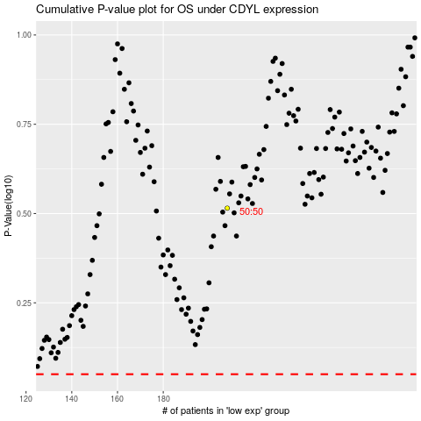

 |  |  |  |  |  | cases_OS | p_OS | rank | exp
 |  |  |  |  |  |  | cases_RFS | p_RFS | rank | exp

