CEACAM19 _multivariate
Reported by Tex Li-Hsing Chi. tex@gate.sinica.edu.tw 2019-08-21

Table 2. The clinicopathological features of HNSCC cohort and CEACAM19 expression. (Chi square test)
Cutoff at -0.022 (57.7%)
 |  | CEACAM19 expression |  | CEACAM19 expression |  | (Optimised)
 | Features | Low | (%) | High | (%) | Case no | P-value | Remark | Matthews
Gender | Female | 186 | 44.8 | 120 | 28.9 | 415 | 0.0363 | 1 | 0
2 | Male | 53 | 12.8 | 56 | 13.5
Age at diagnosis | <=65y | 162 | 39 | 112 | 27 | 415 | 0.4375 | 0 | 0
4 | >65y | 77 | 18.6 | 64 | 15.4
Clinical T Status | T1+T2 | 96 | 23.1 | 53 | 12.8 | 415 | 0.0448 | 1 | 0
6 | T3+T4 | 143 | 34.5 | 123 | 29.6
Clinical N Status | N0 | 119 | 28.7 | 97 | 23.4 | 415 | 0.3304 | 0 | 0
8 | N1-3 | 120 | 28.9 | 79 | 19
Clinical M Status | M0 | 238 | 57.3 | 174 | 41.9 | 415 | 0.5767 | 0 | 0
10 | M1 | 1 | 0.2 | 2 | 0.5
Clinical Stage | Stage I+II | 60 | 14.5 | 42 | 10.1 | 415 | 0.8612 | 0 | 0
12 | Stage III+IV | 179 | 43.1 | 134 | 32.3
Surgical Margin status | Negative | 177 | 42.7 | 141 | 34 | 415 | 0.1605 | 0 | 0
14 | Positive | 62 | 14.9 | 35 | 8.4
Tobacco Exposure | Low | 80 | 19.3 | 81 | 19.5 | 415 | 0.0109 | 1 | 0
16 | High | 159 | 38.3 | 95 | 22.9

Table 3. Univariate/Multivariate Cox's proportional hazards regression analyses on OS time of CEACAM19 gene expression in HNSCC

 |  | Univariate |  |  |  | Multivariate
 | Features | HR | CI95%(L) | CI95%(H) | P-value | HR | CI95%(L) | CI95%(H) | P-value
1 | Female | 1 |  |  |  | 1
Gender | Male | 1.157 | 0.843 | 1.587 | 0.367 | 1.253 | 0.895 | 1.754 | 0.188
11 | <=65y | 1 |  |  |  | 1
Age at diagnosis | >65y | 1.329 | 0.99 | 1.784 | 0.058 | 1.374 | 1.012 | 1.866 | 0.042
12 | T1+T2 | 1 |  |  |  | 1
Clinical T Status | T3+T4 | 1.409 | 1.028 | 1.931 | 0.033 | 2.378 | 1.254 | 4.51 | 0.008
13 | N0 | 1 |  |  |  | 1
Clinical N Status | N1-3 | 1.185 | 0.89 | 1.577 | 0.246 | 1.214 | 0.85 | 1.733 | 0.287
14 | M0 | 1 |  |  |  | 1
Clinical M Status | M1 | 4.097 | 1.009 | 16.644 | 0.049 | 11.647 | 2.509 | 54.068 | 0.002
15 | Stage I+II | 1 |  |  |  | 1
Clinical Stage | Stage III+IV | 1.245 | 0.882 | 1.759 | 0.213 | 0.477 | 0.222 | 1.024 | 0.057
16 | Negative | 1 |  |  |  | 1
Surgical Margin status | Positive | 1.591 | 1.155 | 2.191 | 0.004 | 1.635 | 1.183 | 2.26 | 0.003
17 | Low | 1 |  |  |  | 1
Tobacco Exposure | High | 1.364 | 1.008 | 1.844 | 0.044 | 1.396 | 1.012 | 1.925 | 0.042
18 | Low | 1 |  |  |  | 1
RNAseq(z-score) | High | 0.733 | 0.542 | 0.989 | 0.042 | 0.712 | 0.522 | 0.97 | 0.031

Table 4. Univariate/Multivariate Cox's proportional hazards regression analyses on RFS time of CEACAM19 gene expression in HNSCC

 |  | Univariate |  |  |  | Multivariate
 | Features | HR | CI95%(L) | CI95%(H) | P-value | HR | CI95%(L) | CI95%(H) | P-value
1 | Female | 1 |  |  |  | 1
Gender | Male | 1.157 | 0.843 | 1.587 | 0.367 | 1.253 | 0.895 | 1.754 | 0.188
11 | <=65y | 1 |  |  |  | 1
Age at diagnosis | >65y | 1.329 | 0.99 | 1.784 | 0.058 | 1.374 | 1.012 | 1.866 | 0.042
12 | T1+T2 | 1 |  |  |  | 1
Clinical T Status | T3+T4 | 1.409 | 1.028 | 1.931 | 0.033 | 2.378 | 1.254 | 4.51 | 0.008
13 | N0 | 1 |  |  |  | 1
Clinical N Status | N1-3 | 1.185 | 0.89 | 1.577 | 0.246 | 1.214 | 0.85 | 1.733 | 0.287
14 | M0 | 1 |  |  |  | 1
Clinical M Status | M1 | 4.097 | 1.009 | 16.644 | 0.049 | 11.647 | 2.509 | 54.068 | 0.002
15 | Stage I+II | 1 |  |  |  | 1
Clinical Stage | Stage III+IV | 1.245 | 0.882 | 1.759 | 0.213 | 0.477 | 0.222 | 1.024 | 0.057
16 | Negative | 1 |  |  |  | 1
Surgical Margin status | Positive | 1.591 | 1.155 | 2.191 | 0.004 | 1.635 | 1.183 | 2.26 | 0.003
17 | Low | 1 |  |  |  | 1
Tobacco Exposure | High | 1.364 | 1.008 | 1.844 | 0.044 | 1.396 | 1.012 | 1.925 | 0.042
18 | Low | 1 |  |  |  | 1
RNAseq(z-score) | High | 0.733 | 0.542 | 0.989 | 0.042 | 0.712 | 0.522 | 0.97 | 0.031

Kaplan-Meier survival estimate: Cutoff at -0.022 (57.7%)



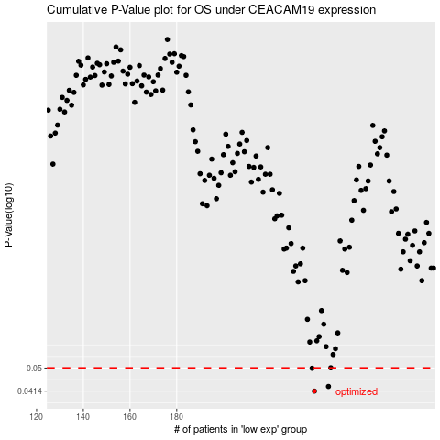

 |  |  |  |  |  | cases_OS | p_OS | rank | exp
 |  |  |  |  |  | 239 | 0.0414 | 183 | -0.021607639665
 |  |  |  |  |  | 245 | 0.043 | 235 | -0.0075486659216
 |  |  |  |  |  | 238 | 0.0499 | 371 | -0.026014640575
 |  |  |  |  |  |  | cases_RFS | p_RFS | rank | exp
 |  |  |  |  |  |  | 238 | 0.0414 | 371 | -0.026014640575
 |  |  |  |  |  |  | 244 | 0.043 | 21 | -0.011458804853
 |  |  |  |  |  |  | 237 | 0.0499 | 414 | -0.0335558751

