CEACAM4 _multivariate
Reported by Tex Li-Hsing Chi. tex@gate.sinica.edu.tw 2019-08-21

Table 2. The clinicopathological features of HNSCC cohort and CEACAM4 expression. (Chi square test)
Cutoff at -0.287 (50.0%)
 |  | CEACAM4 expression |  | CEACAM4 expression |  | (Optimised)
 | Features | Low | (%) | High | (%) | Case no | P-value | Remark | Matthews
Gender | Female | 162 | 39 | 144 | 34.7 | 415 | 0.0479 | 1 | 0
2 | Male | 45 | 10.8 | 64 | 15.4
Age at diagnosis | <=65y | 145 | 34.9 | 129 | 31.1 | 415 | 0.1046 | 0 | 0
4 | >65y | 62 | 14.9 | 79 | 19
Clinical T Status | T1+T2 | 71 | 17.1 | 78 | 18.8 | 415 | 0.5638 | 0 | 0
6 | T3+T4 | 136 | 32.8 | 130 | 31.3
Clinical N Status | N0 | 108 | 26 | 108 | 26 | 415 | 1 | 0 | 0
8 | N1-3 | 99 | 23.9 | 100 | 24.1
Clinical M Status | M0 | 206 | 49.6 | 206 | 49.6 | 415 | 1 | 0 | 0
10 | M1 | 1 | 0.2 | 2 | 0.5
Clinical Stage | Stage I+II | 49 | 11.8 | 53 | 12.8 | 415 | 0.7535 | 0 | 0
12 | Stage III+IV | 158 | 38.1 | 155 | 37.3
Surgical Margin status | Negative | 160 | 38.6 | 158 | 38.1 | 415 | 0.8167 | 0 | 0
14 | Positive | 47 | 11.3 | 50 | 12
Tobacco Exposure | Low | 71 | 17.1 | 90 | 21.7 | 415 | 0.0698 | 0 | 0
16 | High | 136 | 32.8 | 118 | 28.4

Table 3. Univariate/Multivariate Cox's proportional hazards regression analyses on OS time of CEACAM4 gene expression in HNSCC

 |  | Univariate |  |  |  | Multivariate
 | Features | HR | CI95%(L) | CI95%(H) | P-value | HR | CI95%(L) | CI95%(H) | P-value
1 | Female | 1 |  |  |  | 1
Gender | Male | 1.157 | 0.843 | 1.587 | 0.367 | 1.203 | 0.861 | 1.681 | 0.278
11 | <=65y | 1 |  |  |  | 1
Age at diagnosis | >65y | 1.329 | 0.99 | 1.784 | 0.058 | 1.401 | 1.03 | 1.907 | 0.032
12 | T1+T2 | 1 |  |  |  | 1
Clinical T Status | T3+T4 | 1.409 | 1.028 | 1.931 | 0.033 | 2.197 | 1.162 | 4.155 | 0.015
13 | N0 | 1 |  |  |  | 1
Clinical N Status | N1-3 | 1.185 | 0.89 | 1.577 | 0.246 | 1.241 | 0.87 | 1.771 | 0.234
14 | M0 | 1 |  |  |  | 1
Clinical M Status | M1 | 4.097 | 1.009 | 16.644 | 0.049 | 9.635 | 2.096 | 44.284 | 0.004
15 | Stage I+II | 1 |  |  |  | 1
Clinical Stage | Stage III+IV | 1.245 | 0.882 | 1.759 | 0.213 | 0.504 | 0.235 | 1.081 | 0.078
16 | Negative | 1 |  |  |  | 1
Surgical Margin status | Positive | 1.591 | 1.155 | 2.191 | 0.004 | 1.681 | 1.216 | 2.325 | 0.002
17 | Low | 1 |  |  |  | 1
Tobacco Exposure | High | 1.364 | 1.008 | 1.844 | 0.044 | 1.44 | 1.043 | 1.988 | 0.027
18 | Low | 1 |  |  |  | 1
RNAseq(z-score) | High | 0.948 | 0.711 | 1.264 | 0.716 | 0.926 | 0.691 | 1.241 | 0.606

Table 4. Univariate/Multivariate Cox's proportional hazards regression analyses on RFS time of CEACAM4 gene expression in HNSCC

 |  | Univariate |  |  |  | Multivariate
 | Features | HR | CI95%(L) | CI95%(H) | P-value | HR | CI95%(L) | CI95%(H) | P-value
1 | Female | 1 |  |  |  | 1
Gender | Male | 1.157 | 0.843 | 1.587 | 0.367 | 1.203 | 0.861 | 1.681 | 0.278
11 | <=65y | 1 |  |  |  | 1
Age at diagnosis | >65y | 1.329 | 0.99 | 1.784 | 0.058 | 1.401 | 1.03 | 1.907 | 0.032
12 | T1+T2 | 1 |  |  |  | 1
Clinical T Status | T3+T4 | 1.409 | 1.028 | 1.931 | 0.033 | 2.197 | 1.162 | 4.155 | 0.015
13 | N0 | 1 |  |  |  | 1
Clinical N Status | N1-3 | 1.185 | 0.89 | 1.577 | 0.246 | 1.241 | 0.87 | 1.771 | 0.234
14 | M0 | 1 |  |  |  | 1
Clinical M Status | M1 | 4.097 | 1.009 | 16.644 | 0.049 | 9.635 | 2.096 | 44.284 | 0.004
15 | Stage I+II | 1 |  |  |  | 1
Clinical Stage | Stage III+IV | 1.245 | 0.882 | 1.759 | 0.213 | 0.504 | 0.235 | 1.081 | 0.078
16 | Negative | 1 |  |  |  | 1
Surgical Margin status | Positive | 1.591 | 1.155 | 2.191 | 0.004 | 1.681 | 1.216 | 2.325 | 0.002
17 | Low | 1 |  |  |  | 1
Tobacco Exposure | High | 1.364 | 1.008 | 1.844 | 0.044 | 1.44 | 1.043 | 1.988 | 0.027
18 | Low | 1 |  |  |  | 1
RNAseq(z-score) | High | 0.948 | 0.711 | 1.264 | 0.716 | 0.926 | 0.691 | 1.241 | 0.606

Kaplan-Meier survival estimate: Cutoff at -0.287 (50.0%)

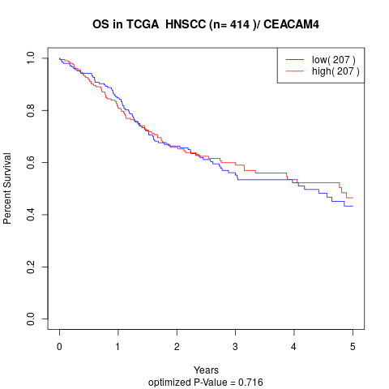

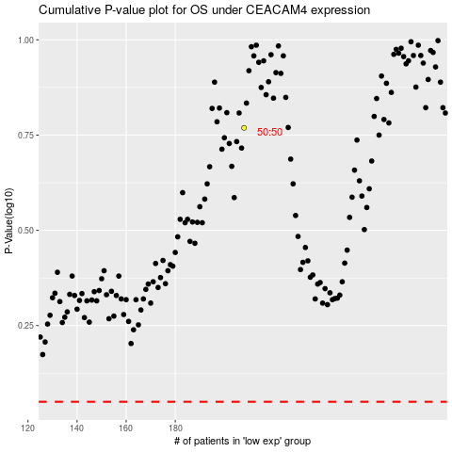

 |  |  |  |  |  | cases_OS | p_OS | rank | exp
 |  |  |  |  |  |  | cases_RFS | p_RFS | rank | exp

