CEBPA _multivariate
Reported by Tex Li-Hsing Chi. tex@gate.sinica.edu.tw 2019-08-21

Table 2. The clinicopathological features of HNSCC cohort and CEBPA expression. (Chi square test)
Cutoff at -0.254 (50.0%)
 |  | CEBPA expression |  | CEBPA expression |  | (Optimised)
 | Features | Low | (%) | High | (%) | Case no | P-value | Remark | Matthews
Gender | Female | 153 | 36.9 | 153 | 36.9 | 415 | 1 | 0 | 0
2 | Male | 54 | 13 | 55 | 13.3
Age at diagnosis | <=65y | 141 | 34 | 133 | 32 | 415 | 0.4272 | 0 | 0
4 | >65y | 66 | 15.9 | 75 | 18.1
Clinical T Status | T1+T2 | 74 | 17.8 | 75 | 18.1 | 415 | 1 | 0 | 0
6 | T3+T4 | 133 | 32 | 133 | 32
Clinical N Status | N0 | 95 | 22.9 | 121 | 29.2 | 415 | 0.0162 | 1 | 0
8 | N1-3 | 112 | 27 | 87 | 21
Clinical M Status | M0 | 205 | 49.4 | 207 | 49.9 | 415 | 0.6232 | 0 | 0
10 | M1 | 2 | 0.5 | 1 | 0.2
Clinical Stage | Stage I+II | 47 | 11.3 | 55 | 13.3 | 415 | 0.4413 | 0 | 0
12 | Stage III+IV | 160 | 38.6 | 153 | 36.9
Surgical Margin status | Negative | 161 | 38.8 | 157 | 37.8 | 415 | 0.6429 | 0 | 0
14 | Positive | 46 | 11.1 | 51 | 12.3
Tobacco Exposure | Low | 79 | 19 | 82 | 19.8 | 415 | 0.8405 | 0 | 0
16 | High | 128 | 30.8 | 126 | 30.4

Table 3. Univariate/Multivariate Cox's proportional hazards regression analyses on OS time of CEBPA gene expression in HNSCC

 |  | Univariate |  |  |  | Multivariate
 | Features | HR | CI95%(L) | CI95%(H) | P-value | HR | CI95%(L) | CI95%(H) | P-value
1 | Female | 1 |  |  |  | 1
Gender | Male | 1.157 | 0.843 | 1.587 | 0.367 | 1.204 | 0.862 | 1.683 | 0.276
11 | <=65y | 1 |  |  |  | 1
Age at diagnosis | >65y | 1.329 | 0.99 | 1.784 | 0.058 | 1.403 | 1.032 | 1.906 | 0.03
12 | T1+T2 | 1 |  |  |  | 1
Clinical T Status | T3+T4 | 1.409 | 1.028 | 1.931 | 0.033 | 2.212 | 1.17 | 4.181 | 0.015
13 | N0 | 1 |  |  |  | 1
Clinical N Status | N1-3 | 1.185 | 0.89 | 1.577 | 0.246 | 1.212 | 0.848 | 1.731 | 0.292
14 | M0 | 1 |  |  |  | 1
Clinical M Status | M1 | 4.097 | 1.009 | 16.644 | 0.049 | 9.336 | 2.036 | 42.802 | 0.004
15 | Stage I+II | 1 |  |  |  | 1
Clinical Stage | Stage III+IV | 1.245 | 0.882 | 1.759 | 0.213 | 0.512 | 0.238 | 1.1 | 0.086
16 | Negative | 1 |  |  |  | 1
Surgical Margin status | Positive | 1.591 | 1.155 | 2.191 | 0.004 | 1.708 | 1.234 | 2.365 | 0.001
17 | Low | 1 |  |  |  | 1
Tobacco Exposure | High | 1.364 | 1.008 | 1.844 | 0.044 | 1.458 | 1.057 | 2.011 | 0.021
18 | Low | 1 |  |  |  | 1
RNAseq(z-score) | High | 0.884 | 0.664 | 1.178 | 0.4 | 0.833 | 0.622 | 1.114 | 0.217

Table 4. Univariate/Multivariate Cox's proportional hazards regression analyses on RFS time of CEBPA gene expression in HNSCC

 |  | Univariate |  |  |  | Multivariate
 | Features | HR | CI95%(L) | CI95%(H) | P-value | HR | CI95%(L) | CI95%(H) | P-value
1 | Female | 1 |  |  |  | 1
Gender | Male | 1.157 | 0.843 | 1.587 | 0.367 | 1.204 | 0.862 | 1.683 | 0.276
11 | <=65y | 1 |  |  |  | 1
Age at diagnosis | >65y | 1.329 | 0.99 | 1.784 | 0.058 | 1.403 | 1.032 | 1.906 | 0.03
12 | T1+T2 | 1 |  |  |  | 1
Clinical T Status | T3+T4 | 1.409 | 1.028 | 1.931 | 0.033 | 2.212 | 1.17 | 4.181 | 0.015
13 | N0 | 1 |  |  |  | 1
Clinical N Status | N1-3 | 1.185 | 0.89 | 1.577 | 0.246 | 1.212 | 0.848 | 1.731 | 0.292
14 | M0 | 1 |  |  |  | 1
Clinical M Status | M1 | 4.097 | 1.009 | 16.644 | 0.049 | 9.336 | 2.036 | 42.802 | 0.004
15 | Stage I+II | 1 |  |  |  | 1
Clinical Stage | Stage III+IV | 1.245 | 0.882 | 1.759 | 0.213 | 0.512 | 0.238 | 1.1 | 0.086
16 | Negative | 1 |  |  |  | 1
Surgical Margin status | Positive | 1.591 | 1.155 | 2.191 | 0.004 | 1.708 | 1.234 | 2.365 | 0.001
17 | Low | 1 |  |  |  | 1
Tobacco Exposure | High | 1.364 | 1.008 | 1.844 | 0.044 | 1.458 | 1.057 | 2.011 | 0.021
18 | Low | 1 |  |  |  | 1
RNAseq(z-score) | High | 0.884 | 0.664 | 1.178 | 0.4 | 0.833 | 0.622 | 1.114 | 0.217

Kaplan-Meier survival estimate: Cutoff at -0.254 (50.0%)



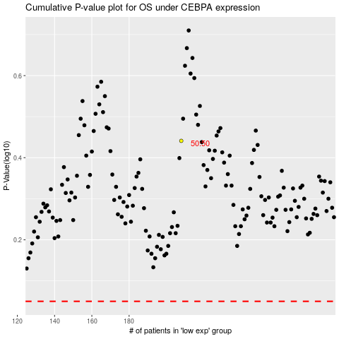

 |  |  |  |  |  | cases_OS | p_OS | rank | exp
 |  |  |  |  |  |  | cases_RFS | p_RFS | rank | exp

