CEBPG _multivariate
Reported by Tex Li-Hsing Chi. tex@gate.sinica.edu.tw 2019-08-21

Table 2. The clinicopathological features of HNSCC cohort and CEBPG expression. (Chi square test)
Cutoff at -0.16 (50.0%)
 |  | CEBPG expression |  | CEBPG expression |  | (Optimised)
 | Features | Low | (%) | High | (%) | Case no | P-value | Remark | Matthews
Gender | Female | 148 | 35.7 | 158 | 38.1 | 415 | 0.3567 | 0 | 0
2 | Male | 59 | 14.2 | 50 | 12
Age at diagnosis | <=65y | 135 | 32.5 | 139 | 33.5 | 415 | 0.8084 | 0 | 0
4 | >65y | 72 | 17.3 | 69 | 16.6
Clinical T Status | T1+T2 | 83 | 20 | 66 | 15.9 | 415 | 0.0941 | 0 | 0
6 | T3+T4 | 124 | 29.9 | 142 | 34.2
Clinical N Status | N0 | 104 | 25.1 | 112 | 27 | 415 | 0.5243 | 0 | 0
8 | N1-3 | 103 | 24.8 | 96 | 23.1
Clinical M Status | M0 | 205 | 49.4 | 207 | 49.9 | 415 | 0.6232 | 0 | 0
10 | M1 | 2 | 0.5 | 1 | 0.2
Clinical Stage | Stage I+II | 57 | 13.7 | 45 | 10.8 | 415 | 0.1998 | 0 | 0
12 | Stage III+IV | 150 | 36.1 | 163 | 39.3
Surgical Margin status | Negative | 163 | 39.3 | 155 | 37.3 | 415 | 0.3537 | 0 | 0
14 | Positive | 44 | 10.6 | 53 | 12.8
Tobacco Exposure | Low | 88 | 21.2 | 73 | 17.6 | 415 | 0.1314 | 0 | 0
16 | High | 119 | 28.7 | 135 | 32.5

Table 3. Univariate/Multivariate Cox's proportional hazards regression analyses on OS time of CEBPG gene expression in HNSCC

 |  | Univariate |  |  |  | Multivariate
 | Features | HR | CI95%(L) | CI95%(H) | P-value | HR | CI95%(L) | CI95%(H) | P-value
1 | Female | 1 |  |  |  | 1
Gender | Male | 1.157 | 0.843 | 1.587 | 0.367 | 1.203 | 0.861 | 1.68 | 0.279
11 | <=65y | 1 |  |  |  | 1
Age at diagnosis | >65y | 1.329 | 0.99 | 1.784 | 0.058 | 1.402 | 1.029 | 1.909 | 0.032
12 | T1+T2 | 1 |  |  |  | 1
Clinical T Status | T3+T4 | 1.409 | 1.028 | 1.931 | 0.033 | 2.201 | 1.164 | 4.162 | 0.015
13 | N0 | 1 |  |  |  | 1
Clinical N Status | N1-3 | 1.185 | 0.89 | 1.577 | 0.246 | 1.25 | 0.875 | 1.787 | 0.22
14 | M0 | 1 |  |  |  | 1
Clinical M Status | M1 | 4.097 | 1.009 | 16.644 | 0.049 | 9.477 | 2.067 | 43.453 | 0.004
15 | Stage I+II | 1 |  |  |  | 1
Clinical Stage | Stage III+IV | 1.245 | 0.882 | 1.759 | 0.213 | 0.499 | 0.232 | 1.073 | 0.075
16 | Negative | 1 |  |  |  | 1
Surgical Margin status | Positive | 1.591 | 1.155 | 2.191 | 0.004 | 1.663 | 1.203 | 2.3 | 0.002
17 | Low | 1 |  |  |  | 1
Tobacco Exposure | High | 1.364 | 1.008 | 1.844 | 0.044 | 1.447 | 1.049 | 1.994 | 0.024
18 | Low | 1 |  |  |  | 1
RNAseq(z-score) | High | 1.085 | 0.814 | 1.447 | 0.579 | 1.066 | 0.795 | 1.429 | 0.67

Table 4. Univariate/Multivariate Cox's proportional hazards regression analyses on RFS time of CEBPG gene expression in HNSCC

 |  | Univariate |  |  |  | Multivariate
 | Features | HR | CI95%(L) | CI95%(H) | P-value | HR | CI95%(L) | CI95%(H) | P-value
1 | Female | 1 |  |  |  | 1
Gender | Male | 1.157 | 0.843 | 1.587 | 0.367 | 1.203 | 0.861 | 1.68 | 0.279
11 | <=65y | 1 |  |  |  | 1
Age at diagnosis | >65y | 1.329 | 0.99 | 1.784 | 0.058 | 1.402 | 1.029 | 1.909 | 0.032
12 | T1+T2 | 1 |  |  |  | 1
Clinical T Status | T3+T4 | 1.409 | 1.028 | 1.931 | 0.033 | 2.201 | 1.164 | 4.162 | 0.015
13 | N0 | 1 |  |  |  | 1
Clinical N Status | N1-3 | 1.185 | 0.89 | 1.577 | 0.246 | 1.25 | 0.875 | 1.787 | 0.22
14 | M0 | 1 |  |  |  | 1
Clinical M Status | M1 | 4.097 | 1.009 | 16.644 | 0.049 | 9.477 | 2.067 | 43.453 | 0.004
15 | Stage I+II | 1 |  |  |  | 1
Clinical Stage | Stage III+IV | 1.245 | 0.882 | 1.759 | 0.213 | 0.499 | 0.232 | 1.073 | 0.075
16 | Negative | 1 |  |  |  | 1
Surgical Margin status | Positive | 1.591 | 1.155 | 2.191 | 0.004 | 1.663 | 1.203 | 2.3 | 0.002
17 | Low | 1 |  |  |  | 1
Tobacco Exposure | High | 1.364 | 1.008 | 1.844 | 0.044 | 1.447 | 1.049 | 1.994 | 0.024
18 | Low | 1 |  |  |  | 1
RNAseq(z-score) | High | 1.085 | 0.814 | 1.447 | 0.579 | 1.066 | 0.795 | 1.429 | 0.67

Kaplan-Meier survival estimate: Cutoff at -0.16 (50.0%)



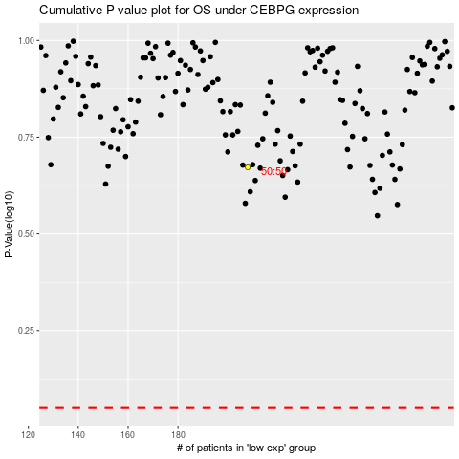

 |  |  |  |  |  | cases_OS | p_OS | rank | exp
 |  |  |  |  |  |  | cases_RFS | p_RFS | rank | exp

