CECR1 _multivariate
Reported by Tex Li-Hsing Chi. tex@gate.sinica.edu.tw 2019-08-21

Table 2. The clinicopathological features of HNSCC cohort and CECR1 expression. (Chi square test)
Cutoff at -0.349 (49.8%)
 |  | CECR1 expression |  | CECR1 expression |  | (Optimised)
 | Features | Low | (%) | High | (%) | Case no | P-value | Remark | Matthews
Gender | Female | 166 | 40 | 140 | 33.7 | 415 | 0.0041 | 1 | 0
2 | Male | 41 | 9.9 | 68 | 16.4
Age at diagnosis | <=65y | 142 | 34.2 | 132 | 31.8 | 415 | 0.3167 | 0 | 0
4 | >65y | 65 | 15.7 | 76 | 18.3
Clinical T Status | T1+T2 | 77 | 18.6 | 72 | 17.3 | 415 | 0.6556 | 0 | 0
6 | T3+T4 | 130 | 31.3 | 136 | 32.8
Clinical N Status | N0 | 117 | 28.2 | 99 | 23.9 | 415 | 0.0852 | 1 | 0
8 | N1-3 | 90 | 21.7 | 109 | 26.3
Clinical M Status | M0 | 204 | 49.2 | 208 | 50.1 | 415 | 0.1232 | 0 | 0
10 | M1 | 3 | 0.7 | 0 | 0
Clinical Stage | Stage I+II | 57 | 13.7 | 45 | 10.8 | 415 | 0.1998 | 0 | 0
12 | Stage III+IV | 150 | 36.1 | 163 | 39.3
Surgical Margin status | Negative | 158 | 38.1 | 160 | 38.6 | 415 | 0.9081 | 0 | 0
14 | Positive | 49 | 11.8 | 48 | 11.6
Tobacco Exposure | Low | 81 | 19.5 | 80 | 19.3 | 415 | 0.9199 | 0 | 0
16 | High | 126 | 30.4 | 128 | 30.8

Table 3. Univariate/Multivariate Cox's proportional hazards regression analyses on OS time of CECR1 gene expression in HNSCC

 |  | Univariate |  |  |  | Multivariate
 | Features | HR | CI95%(L) | CI95%(H) | P-value | HR | CI95%(L) | CI95%(H) | P-value
1 | Female | 1 |  |  |  | 1
Gender | Male | 1.157 | 0.843 | 1.587 | 0.367 | 1.213 | 0.866 | 1.7 | 0.262
11 | <=65y | 1 |  |  |  | 1
Age at diagnosis | >65y | 1.329 | 0.99 | 1.784 | 0.058 | 1.395 | 1.026 | 1.896 | 0.034
12 | T1+T2 | 1 |  |  |  | 1
Clinical T Status | T3+T4 | 1.409 | 1.028 | 1.931 | 0.033 | 2.197 | 1.162 | 4.154 | 0.015
13 | N0 | 1 |  |  |  | 1
Clinical N Status | N1-3 | 1.185 | 0.89 | 1.577 | 0.246 | 1.246 | 0.873 | 1.779 | 0.226
14 | M0 | 1 |  |  |  | 1
Clinical M Status | M1 | 4.097 | 1.009 | 16.644 | 0.049 | 9.098 | 1.969 | 42.041 | 0.005
15 | Stage I+II | 1 |  |  |  | 1
Clinical Stage | Stage III+IV | 1.245 | 0.882 | 1.759 | 0.213 | 0.507 | 0.236 | 1.088 | 0.081
16 | Negative | 1 |  |  |  | 1
Surgical Margin status | Positive | 1.591 | 1.155 | 2.191 | 0.004 | 1.672 | 1.21 | 2.31 | 0.002
17 | Low | 1 |  |  |  | 1
Tobacco Exposure | High | 1.364 | 1.008 | 1.844 | 0.044 | 1.451 | 1.053 | 1.999 | 0.023
18 | Low | 1 |  |  |  | 1
RNAseq(z-score) | High | 0.96 | 0.72 | 1.28 | 0.78 | 0.94 | 0.701 | 1.262 | 0.681

Table 4. Univariate/Multivariate Cox's proportional hazards regression analyses on RFS time of CECR1 gene expression in HNSCC

 |  | Univariate |  |  |  | Multivariate
 | Features | HR | CI95%(L) | CI95%(H) | P-value | HR | CI95%(L) | CI95%(H) | P-value
1 | Female | 1 |  |  |  | 1
Gender | Male | 1.157 | 0.843 | 1.587 | 0.367 | 1.213 | 0.866 | 1.7 | 0.262
11 | <=65y | 1 |  |  |  | 1
Age at diagnosis | >65y | 1.329 | 0.99 | 1.784 | 0.058 | 1.395 | 1.026 | 1.896 | 0.034
12 | T1+T2 | 1 |  |  |  | 1
Clinical T Status | T3+T4 | 1.409 | 1.028 | 1.931 | 0.033 | 2.197 | 1.162 | 4.154 | 0.015
13 | N0 | 1 |  |  |  | 1
Clinical N Status | N1-3 | 1.185 | 0.89 | 1.577 | 0.246 | 1.246 | 0.873 | 1.779 | 0.226
14 | M0 | 1 |  |  |  | 1
Clinical M Status | M1 | 4.097 | 1.009 | 16.644 | 0.049 | 9.098 | 1.969 | 42.041 | 0.005
15 | Stage I+II | 1 |  |  |  | 1
Clinical Stage | Stage III+IV | 1.245 | 0.882 | 1.759 | 0.213 | 0.507 | 0.236 | 1.088 | 0.081
16 | Negative | 1 |  |  |  | 1
Surgical Margin status | Positive | 1.591 | 1.155 | 2.191 | 0.004 | 1.672 | 1.21 | 2.31 | 0.002
17 | Low | 1 |  |  |  | 1
Tobacco Exposure | High | 1.364 | 1.008 | 1.844 | 0.044 | 1.451 | 1.053 | 1.999 | 0.023
18 | Low | 1 |  |  |  | 1
RNAseq(z-score) | High | 0.96 | 0.72 | 1.28 | 0.78 | 0.94 | 0.701 | 1.262 | 0.681

Kaplan-Meier survival estimate: Cutoff at -0.349 (49.8%)



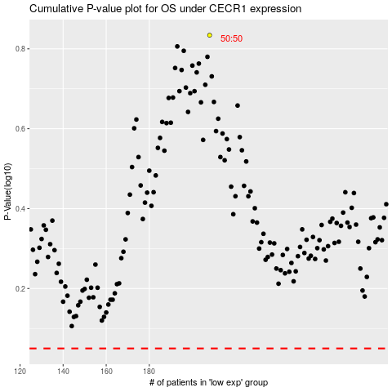

 |  |  |  |  |  | cases_OS | p_OS | rank | exp
 |  |  |  |  |  |  | cases_RFS | p_RFS | rank | exp

