CECR4 _multivariate
Reported by Tex Li-Hsing Chi. tex@gate.sinica.edu.tw 2019-08-21

Table 2. The clinicopathological features of HNSCC cohort and CECR4 expression. (Chi square test)
Cutoff at -0.249 (49.8%)
 |  | CECR4 expression |  | CECR4 expression |  | (Optimised)
 | Features | Low | (%) | High | (%) | Case no | P-value | Remark | Matthews
Gender | Female | 148 | 35.7 | 158 | 38.1 | 415 | 0.3567 | 0 | 0
2 | Male | 59 | 14.2 | 50 | 12
Age at diagnosis | <=65y | 134 | 32.3 | 140 | 33.7 | 415 | 0.6529 | 0 | 0
4 | >65y | 73 | 17.6 | 68 | 16.4
Clinical T Status | T1+T2 | 70 | 16.9 | 79 | 19 | 415 | 0.4343 | 0 | 0
6 | T3+T4 | 137 | 33 | 129 | 31.1
Clinical N Status | N0 | 109 | 26.3 | 107 | 25.8 | 415 | 0.8812 | 0 | 0
8 | N1-3 | 98 | 23.6 | 101 | 24.3
Clinical M Status | M0 | 206 | 49.6 | 206 | 49.6 | 415 | 1 | 0 | 0
10 | M1 | 1 | 0.2 | 2 | 0.5
Clinical Stage | Stage I+II | 52 | 12.5 | 50 | 12 | 415 | 0.8871 | 0 | 0
12 | Stage III+IV | 155 | 37.3 | 158 | 38.1
Surgical Margin status | Negative | 164 | 39.5 | 154 | 37.1 | 415 | 0.2462 | 0 | 0
14 | Positive | 43 | 10.4 | 54 | 13
Tobacco Exposure | Low | 89 | 21.4 | 72 | 17.3 | 415 | 0.0872 | 0 | 0
16 | High | 118 | 28.4 | 136 | 32.8

Table 3. Univariate/Multivariate Cox's proportional hazards regression analyses on OS time of CECR4 gene expression in HNSCC

 |  | Univariate |  |  |  | Multivariate
 | Features | HR | CI95%(L) | CI95%(H) | P-value | HR | CI95%(L) | CI95%(H) | P-value
1 | Female | 1 |  |  |  | 1
Gender | Male | 1.157 | 0.843 | 1.587 | 0.367 | 1.214 | 0.868 | 1.697 | 0.256
11 | <=65y | 1 |  |  |  | 1
Age at diagnosis | >65y | 1.329 | 0.99 | 1.784 | 0.058 | 1.398 | 1.028 | 1.9 | 0.033
12 | T1+T2 | 1 |  |  |  | 1
Clinical T Status | T3+T4 | 1.409 | 1.028 | 1.931 | 0.033 | 2.158 | 1.14 | 4.083 | 0.018
13 | N0 | 1 |  |  |  | 1
Clinical N Status | N1-3 | 1.185 | 0.89 | 1.577 | 0.246 | 1.252 | 0.878 | 1.786 | 0.215
14 | M0 | 1 |  |  |  | 1
Clinical M Status | M1 | 4.097 | 1.009 | 16.644 | 0.049 | 9.686 | 2.112 | 44.427 | 0.003
15 | Stage I+II | 1 |  |  |  | 1
Clinical Stage | Stage III+IV | 1.245 | 0.882 | 1.759 | 0.213 | 0.513 | 0.239 | 1.1 | 0.086
16 | Negative | 1 |  |  |  | 1
Surgical Margin status | Positive | 1.591 | 1.155 | 2.191 | 0.004 | 1.674 | 1.212 | 2.312 | 0.002
17 | Low | 1 |  |  |  | 1
Tobacco Exposure | High | 1.364 | 1.008 | 1.844 | 0.044 | 1.461 | 1.06 | 2.014 | 0.021
18 | Low | 1 |  |  |  | 1
RNAseq(z-score) | High | 0.856 | 0.643 | 1.14 | 0.288 | 0.846 | 0.634 | 1.129 | 0.256

Table 4. Univariate/Multivariate Cox's proportional hazards regression analyses on RFS time of CECR4 gene expression in HNSCC

 |  | Univariate |  |  |  | Multivariate
 | Features | HR | CI95%(L) | CI95%(H) | P-value | HR | CI95%(L) | CI95%(H) | P-value
1 | Female | 1 |  |  |  | 1
Gender | Male | 1.157 | 0.843 | 1.587 | 0.367 | 1.214 | 0.868 | 1.697 | 0.256
11 | <=65y | 1 |  |  |  | 1
Age at diagnosis | >65y | 1.329 | 0.99 | 1.784 | 0.058 | 1.398 | 1.028 | 1.9 | 0.033
12 | T1+T2 | 1 |  |  |  | 1
Clinical T Status | T3+T4 | 1.409 | 1.028 | 1.931 | 0.033 | 2.158 | 1.14 | 4.083 | 0.018
13 | N0 | 1 |  |  |  | 1
Clinical N Status | N1-3 | 1.185 | 0.89 | 1.577 | 0.246 | 1.252 | 0.878 | 1.786 | 0.215
14 | M0 | 1 |  |  |  | 1
Clinical M Status | M1 | 4.097 | 1.009 | 16.644 | 0.049 | 9.686 | 2.112 | 44.427 | 0.003
15 | Stage I+II | 1 |  |  |  | 1
Clinical Stage | Stage III+IV | 1.245 | 0.882 | 1.759 | 0.213 | 0.513 | 0.239 | 1.1 | 0.086
16 | Negative | 1 |  |  |  | 1
Surgical Margin status | Positive | 1.591 | 1.155 | 2.191 | 0.004 | 1.674 | 1.212 | 2.312 | 0.002
17 | Low | 1 |  |  |  | 1
Tobacco Exposure | High | 1.364 | 1.008 | 1.844 | 0.044 | 1.461 | 1.06 | 2.014 | 0.021
18 | Low | 1 |  |  |  | 1
RNAseq(z-score) | High | 0.856 | 0.643 | 1.14 | 0.288 | 0.846 | 0.634 | 1.129 | 0.256

Kaplan-Meier survival estimate: Cutoff at -0.249 (49.8%)



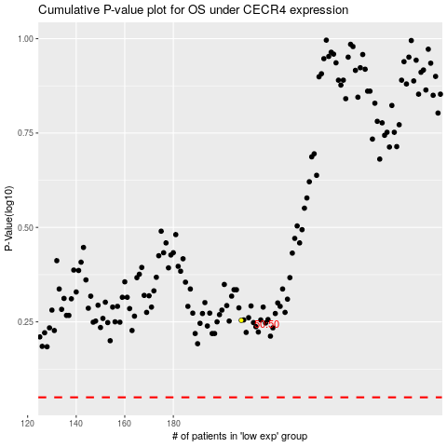

 |  |  |  |  |  | cases_OS | p_OS | rank | exp
 |  |  |  |  |  |  | cases_RFS | p_RFS | rank | exp

