CECR6 _multivariate
Reported by Tex Li-Hsing Chi. tex@gate.sinica.edu.tw 2019-08-21

Table 2. The clinicopathological features of HNSCC cohort and CECR6 expression. (Chi square test)
Cutoff at -0.239 (49.8%)
 |  | CECR6 expression |  | CECR6 expression |  | (Optimised)
 | Features | Low | (%) | High | (%) | Case no | P-value | Remark | Matthews
Gender | Female | 158 | 38.1 | 148 | 35.7 | 415 | 0.2774 | 0 | 0
2 | Male | 49 | 11.8 | 60 | 14.5
Age at diagnosis | <=65y | 147 | 35.4 | 127 | 30.6 | 415 | 0.0416 | 1 | 0
4 | >65y | 60 | 14.5 | 81 | 19.5
Clinical T Status | T1+T2 | 71 | 17.1 | 78 | 18.8 | 415 | 0.5638 | 0 | 0
6 | T3+T4 | 136 | 32.8 | 130 | 31.3
Clinical N Status | N0 | 110 | 26.5 | 106 | 25.5 | 415 | 0.7294 | 0 | 0
8 | N1-3 | 97 | 23.4 | 102 | 24.6
Clinical M Status | M0 | 206 | 49.6 | 206 | 49.6 | 415 | 1 | 0 | 0
10 | M1 | 1 | 0.2 | 2 | 0.5
Clinical Stage | Stage I+II | 47 | 11.3 | 55 | 13.3 | 415 | 0.4413 | 0 | 0
12 | Stage III+IV | 160 | 38.6 | 153 | 36.9
Surgical Margin status | Negative | 156 | 37.6 | 162 | 39 | 415 | 0.5636 | 0 | 0
14 | Positive | 51 | 12.3 | 46 | 11.1
Tobacco Exposure | Low | 74 | 17.8 | 87 | 21 | 415 | 0.227 | 0 | 0
16 | High | 133 | 32 | 121 | 29.2

Table 3. Univariate/Multivariate Cox's proportional hazards regression analyses on OS time of CECR6 gene expression in HNSCC

 |  | Univariate |  |  |  | Multivariate
 | Features | HR | CI95%(L) | CI95%(H) | P-value | HR | CI95%(L) | CI95%(H) | P-value
1 | Female | 1 |  |  |  | 1
Gender | Male | 1.157 | 0.843 | 1.587 | 0.367 | 1.208 | 0.864 | 1.689 | 0.268
11 | <=65y | 1 |  |  |  | 1
Age at diagnosis | >65y | 1.329 | 0.99 | 1.784 | 0.058 | 1.376 | 1.01 | 1.877 | 0.043
12 | T1+T2 | 1 |  |  |  | 1
Clinical T Status | T3+T4 | 1.409 | 1.028 | 1.931 | 0.033 | 2.181 | 1.153 | 4.128 | 0.017
13 | N0 | 1 |  |  |  | 1
Clinical N Status | N1-3 | 1.185 | 0.89 | 1.577 | 0.246 | 1.228 | 0.859 | 1.755 | 0.26
14 | M0 | 1 |  |  |  | 1
Clinical M Status | M1 | 4.097 | 1.009 | 16.644 | 0.049 | 9.139 | 1.987 | 42.034 | 0.004
15 | Stage I+II | 1 |  |  |  | 1
Clinical Stage | Stage III+IV | 1.245 | 0.882 | 1.759 | 0.213 | 0.512 | 0.238 | 1.101 | 0.086
16 | Negative | 1 |  |  |  | 1
Surgical Margin status | Positive | 1.591 | 1.155 | 2.191 | 0.004 | 1.678 | 1.214 | 2.319 | 0.002
17 | Low | 1 |  |  |  | 1
Tobacco Exposure | High | 1.364 | 1.008 | 1.844 | 0.044 | 1.46 | 1.059 | 2.012 | 0.021
18 | Low | 1 |  |  |  | 1
RNAseq(z-score) | High | 1.136 | 0.851 | 1.517 | 0.388 | 1.088 | 0.81 | 1.461 | 0.576

Table 4. Univariate/Multivariate Cox's proportional hazards regression analyses on RFS time of CECR6 gene expression in HNSCC

 |  | Univariate |  |  |  | Multivariate
 | Features | HR | CI95%(L) | CI95%(H) | P-value | HR | CI95%(L) | CI95%(H) | P-value
1 | Female | 1 |  |  |  | 1
Gender | Male | 1.157 | 0.843 | 1.587 | 0.367 | 1.208 | 0.864 | 1.689 | 0.268
11 | <=65y | 1 |  |  |  | 1
Age at diagnosis | >65y | 1.329 | 0.99 | 1.784 | 0.058 | 1.376 | 1.01 | 1.877 | 0.043
12 | T1+T2 | 1 |  |  |  | 1
Clinical T Status | T3+T4 | 1.409 | 1.028 | 1.931 | 0.033 | 2.181 | 1.153 | 4.128 | 0.017
13 | N0 | 1 |  |  |  | 1
Clinical N Status | N1-3 | 1.185 | 0.89 | 1.577 | 0.246 | 1.228 | 0.859 | 1.755 | 0.26
14 | M0 | 1 |  |  |  | 1
Clinical M Status | M1 | 4.097 | 1.009 | 16.644 | 0.049 | 9.139 | 1.987 | 42.034 | 0.004
15 | Stage I+II | 1 |  |  |  | 1
Clinical Stage | Stage III+IV | 1.245 | 0.882 | 1.759 | 0.213 | 0.512 | 0.238 | 1.101 | 0.086
16 | Negative | 1 |  |  |  | 1
Surgical Margin status | Positive | 1.591 | 1.155 | 2.191 | 0.004 | 1.678 | 1.214 | 2.319 | 0.002
17 | Low | 1 |  |  |  | 1
Tobacco Exposure | High | 1.364 | 1.008 | 1.844 | 0.044 | 1.46 | 1.059 | 2.012 | 0.021
18 | Low | 1 |  |  |  | 1
RNAseq(z-score) | High | 1.136 | 0.851 | 1.517 | 0.388 | 1.088 | 0.81 | 1.461 | 0.576

Kaplan-Meier survival estimate: Cutoff at -0.239 (49.8%)



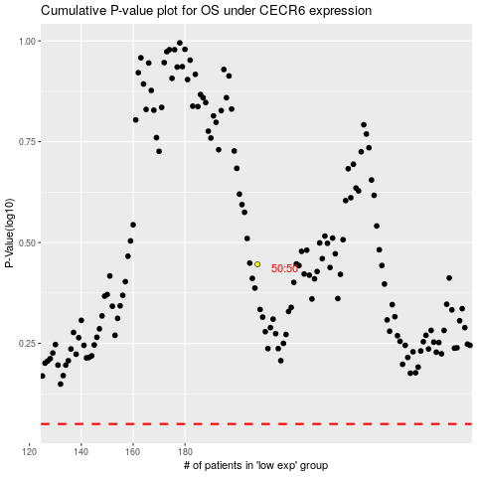

 |  |  |  |  |  | cases_OS | p_OS | rank | exp
 |  |  |  |  |  |  | cases_RFS | p_RFS | rank | exp

