CECR7 _multivariate
Reported by Tex Li-Hsing Chi. tex@gate.sinica.edu.tw 2019-08-21

Table 2. The clinicopathological features of HNSCC cohort and CECR7 expression. (Chi square test)
Cutoff at -0.365 (49.8%)
 |  | CECR7 expression |  | CECR7 expression |  | (Optimised)
 | Features | Low | (%) | High | (%) | Case no | P-value | Remark | Matthews
Gender | Female | 146 | 35.2 | 160 | 38.6 | 415 | 0.1714 | 0 | 0
2 | Male | 61 | 14.7 | 48 | 11.6
Age at diagnosis | <=65y | 135 | 32.5 | 139 | 33.5 | 415 | 0.8084 | 0 | 0
4 | >65y | 72 | 17.3 | 69 | 16.6
Clinical T Status | T1+T2 | 72 | 17.3 | 77 | 18.6 | 415 | 0.7095 | 0 | 0
6 | T3+T4 | 135 | 32.5 | 131 | 31.6
Clinical N Status | N0 | 116 | 28 | 100 | 24.1 | 415 | 0.1273 | 1 | 0
8 | N1-3 | 91 | 21.9 | 108 | 26
Clinical M Status | M0 | 207 | 49.9 | 205 | 49.4 | 415 | 0.2482 | 0 | 0
10 | M1 | 0 | 0 | 3 | 0.7
Clinical Stage | Stage I+II | 58 | 14 | 44 | 10.6 | 415 | 0.131 | 0 | 0
12 | Stage III+IV | 149 | 35.9 | 164 | 39.5
Surgical Margin status | Negative | 162 | 39 | 156 | 37.6 | 415 | 0.4867 | 0 | 0
14 | Positive | 45 | 10.8 | 52 | 12.5
Tobacco Exposure | Low | 83 | 20 | 78 | 18.8 | 415 | 0.6152 | 0 | 0
16 | High | 124 | 29.9 | 130 | 31.3

Table 3. Univariate/Multivariate Cox's proportional hazards regression analyses on OS time of CECR7 gene expression in HNSCC

 |  | Univariate |  |  |  | Multivariate
 | Features | HR | CI95%(L) | CI95%(H) | P-value | HR | CI95%(L) | CI95%(H) | P-value
1 | Female | 1 |  |  |  | 1
Gender | Male | 1.157 | 0.843 | 1.587 | 0.367 | 1.196 | 0.855 | 1.673 | 0.295
11 | <=65y | 1 |  |  |  | 1
Age at diagnosis | >65y | 1.329 | 0.99 | 1.784 | 0.058 | 1.395 | 1.026 | 1.896 | 0.034
12 | T1+T2 | 1 |  |  |  | 1
Clinical T Status | T3+T4 | 1.409 | 1.028 | 1.931 | 0.033 | 2.189 | 1.157 | 4.143 | 0.016
13 | N0 | 1 |  |  |  | 1
Clinical N Status | N1-3 | 1.185 | 0.89 | 1.577 | 0.246 | 1.242 | 0.87 | 1.772 | 0.232
14 | M0 | 1 |  |  |  | 1
Clinical M Status | M1 | 4.097 | 1.009 | 16.644 | 0.049 | 9.569 | 2.08 | 44.019 | 0.004
15 | Stage I+II | 1 |  |  |  | 1
Clinical Stage | Stage III+IV | 1.245 | 0.882 | 1.759 | 0.213 | 0.51 | 0.237 | 1.099 | 0.086
16 | Negative | 1 |  |  |  | 1
Surgical Margin status | Positive | 1.591 | 1.155 | 2.191 | 0.004 | 1.679 | 1.214 | 2.322 | 0.002
17 | Low | 1 |  |  |  | 1
Tobacco Exposure | High | 1.364 | 1.008 | 1.844 | 0.044 | 1.451 | 1.053 | 2 | 0.023
18 | Low | 1 |  |  |  | 1
RNAseq(z-score) | High | 0.983 | 0.737 | 1.311 | 0.908 | 0.952 | 0.709 | 1.279 | 0.745

Table 4. Univariate/Multivariate Cox's proportional hazards regression analyses on RFS time of CECR7 gene expression in HNSCC

 |  | Univariate |  |  |  | Multivariate
 | Features | HR | CI95%(L) | CI95%(H) | P-value | HR | CI95%(L) | CI95%(H) | P-value
1 | Female | 1 |  |  |  | 1
Gender | Male | 1.157 | 0.843 | 1.587 | 0.367 | 1.196 | 0.855 | 1.673 | 0.295
11 | <=65y | 1 |  |  |  | 1
Age at diagnosis | >65y | 1.329 | 0.99 | 1.784 | 0.058 | 1.395 | 1.026 | 1.896 | 0.034
12 | T1+T2 | 1 |  |  |  | 1
Clinical T Status | T3+T4 | 1.409 | 1.028 | 1.931 | 0.033 | 2.189 | 1.157 | 4.143 | 0.016
13 | N0 | 1 |  |  |  | 1
Clinical N Status | N1-3 | 1.185 | 0.89 | 1.577 | 0.246 | 1.242 | 0.87 | 1.772 | 0.232
14 | M0 | 1 |  |  |  | 1
Clinical M Status | M1 | 4.097 | 1.009 | 16.644 | 0.049 | 9.569 | 2.08 | 44.019 | 0.004
15 | Stage I+II | 1 |  |  |  | 1
Clinical Stage | Stage III+IV | 1.245 | 0.882 | 1.759 | 0.213 | 0.51 | 0.237 | 1.099 | 0.086
16 | Negative | 1 |  |  |  | 1
Surgical Margin status | Positive | 1.591 | 1.155 | 2.191 | 0.004 | 1.679 | 1.214 | 2.322 | 0.002
17 | Low | 1 |  |  |  | 1
Tobacco Exposure | High | 1.364 | 1.008 | 1.844 | 0.044 | 1.451 | 1.053 | 2 | 0.023
18 | Low | 1 |  |  |  | 1
RNAseq(z-score) | High | 0.983 | 0.737 | 1.311 | 0.908 | 0.952 | 0.709 | 1.279 | 0.745

Kaplan-Meier survival estimate: Cutoff at -0.365 (49.8%)



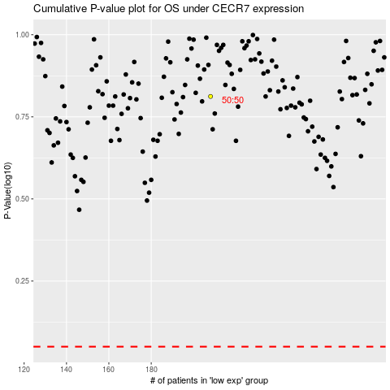

 |  |  |  |  |  | cases_OS | p_OS | rank | exp
 |  |  |  |  |  |  | cases_RFS | p_RFS | rank | exp

