CELF1 _multivariate
Reported by Tex Li-Hsing Chi. tex@gate.sinica.edu.tw 2019-08-21

Table 2. The clinicopathological features of HNSCC cohort and CELF1 expression. (Chi square test)
Cutoff at 0.061 (49.8%)
 |  | CELF1 expression |  | CELF1 expression |  | (Optimised)
 | Features | Low | (%) | High | (%) | Case no | P-value | Remark | Matthews
Gender | Female | 145 | 34.9 | 161 | 38.8 | 415 | 0.1116 | 0 | 0
2 | Male | 62 | 14.9 | 47 | 11.3
Age at diagnosis | <=65y | 144 | 34.7 | 130 | 31.3 | 415 | 0.1568 | 0 | 0
4 | >65y | 63 | 15.2 | 78 | 18.8
Clinical T Status | T1+T2 | 75 | 18.1 | 74 | 17.8 | 415 | 0.9707 | 0 | 0
6 | T3+T4 | 132 | 31.8 | 134 | 32.3
Clinical N Status | N0 | 103 | 24.8 | 113 | 27.2 | 415 | 0.4047 | 0 | 0
8 | N1-3 | 104 | 25.1 | 95 | 22.9
Clinical M Status | M0 | 204 | 49.2 | 208 | 50.1 | 415 | 0.1232 | 0 | 0
10 | M1 | 3 | 0.7 | 0 | 0
Clinical Stage | Stage I+II | 49 | 11.8 | 53 | 12.8 | 415 | 0.7535 | 0 | 0
12 | Stage III+IV | 158 | 38.1 | 155 | 37.3
Surgical Margin status | Negative | 165 | 39.8 | 153 | 36.9 | 415 | 0.1639 | 0 | 0
14 | Positive | 42 | 10.1 | 55 | 13.3
Tobacco Exposure | Low | 81 | 19.5 | 80 | 19.3 | 415 | 0.9199 | 0 | 0
16 | High | 126 | 30.4 | 128 | 30.8

Table 3. Univariate/Multivariate Cox's proportional hazards regression analyses on OS time of CELF1 gene expression in HNSCC

 |  | Univariate |  |  |  | Multivariate
 | Features | HR | CI95%(L) | CI95%(H) | P-value | HR | CI95%(L) | CI95%(H) | P-value
1 | Female | 1 |  |  |  | 1
Gender | Male | 1.157 | 0.843 | 1.587 | 0.367 | 1.223 | 0.873 | 1.713 | 0.242
11 | <=65y | 1 |  |  |  | 1
Age at diagnosis | >65y | 1.329 | 0.99 | 1.784 | 0.058 | 1.371 | 1.007 | 1.868 | 0.045
12 | T1+T2 | 1 |  |  |  | 1
Clinical T Status | T3+T4 | 1.409 | 1.028 | 1.931 | 0.033 | 2.208 | 1.168 | 4.174 | 0.015
13 | N0 | 1 |  |  |  | 1
Clinical N Status | N1-3 | 1.185 | 0.89 | 1.577 | 0.246 | 1.25 | 0.876 | 1.786 | 0.219
14 | M0 | 1 |  |  |  | 1
Clinical M Status | M1 | 4.097 | 1.009 | 16.644 | 0.049 | 10.032 | 2.169 | 46.386 | 0.003
15 | Stage I+II | 1 |  |  |  | 1
Clinical Stage | Stage III+IV | 1.245 | 0.882 | 1.759 | 0.213 | 0.5 | 0.233 | 1.074 | 0.076
16 | Negative | 1 |  |  |  | 1
Surgical Margin status | Positive | 1.591 | 1.155 | 2.191 | 0.004 | 1.658 | 1.199 | 2.292 | 0.002
17 | Low | 1 |  |  |  | 1
Tobacco Exposure | High | 1.364 | 1.008 | 1.844 | 0.044 | 1.462 | 1.061 | 2.015 | 0.02
18 | Low | 1 |  |  |  | 1
RNAseq(z-score) | High | 1.123 | 0.843 | 1.496 | 0.429 | 1.126 | 0.839 | 1.513 | 0.429

Table 4. Univariate/Multivariate Cox's proportional hazards regression analyses on RFS time of CELF1 gene expression in HNSCC

 |  | Univariate |  |  |  | Multivariate
 | Features | HR | CI95%(L) | CI95%(H) | P-value | HR | CI95%(L) | CI95%(H) | P-value
1 | Female | 1 |  |  |  | 1
Gender | Male | 1.157 | 0.843 | 1.587 | 0.367 | 1.223 | 0.873 | 1.713 | 0.242
11 | <=65y | 1 |  |  |  | 1
Age at diagnosis | >65y | 1.329 | 0.99 | 1.784 | 0.058 | 1.371 | 1.007 | 1.868 | 0.045
12 | T1+T2 | 1 |  |  |  | 1
Clinical T Status | T3+T4 | 1.409 | 1.028 | 1.931 | 0.033 | 2.208 | 1.168 | 4.174 | 0.015
13 | N0 | 1 |  |  |  | 1
Clinical N Status | N1-3 | 1.185 | 0.89 | 1.577 | 0.246 | 1.25 | 0.876 | 1.786 | 0.219
14 | M0 | 1 |  |  |  | 1
Clinical M Status | M1 | 4.097 | 1.009 | 16.644 | 0.049 | 10.032 | 2.169 | 46.386 | 0.003
15 | Stage I+II | 1 |  |  |  | 1
Clinical Stage | Stage III+IV | 1.245 | 0.882 | 1.759 | 0.213 | 0.5 | 0.233 | 1.074 | 0.076
16 | Negative | 1 |  |  |  | 1
Surgical Margin status | Positive | 1.591 | 1.155 | 2.191 | 0.004 | 1.658 | 1.199 | 2.292 | 0.002
17 | Low | 1 |  |  |  | 1
Tobacco Exposure | High | 1.364 | 1.008 | 1.844 | 0.044 | 1.462 | 1.061 | 2.015 | 0.02
18 | Low | 1 |  |  |  | 1
RNAseq(z-score) | High | 1.123 | 0.843 | 1.496 | 0.429 | 1.126 | 0.839 | 1.513 | 0.429

Kaplan-Meier survival estimate: Cutoff at 0.061 (49.8%)



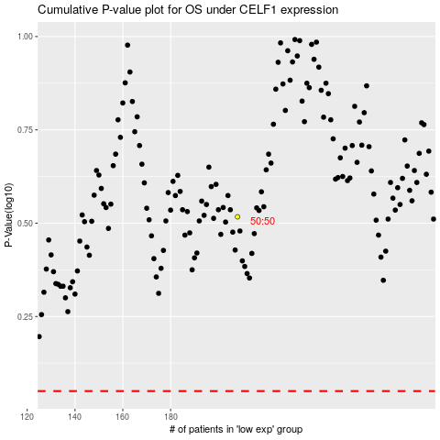

 |  |  |  |  |  | cases_OS | p_OS | rank | exp
 |  |  |  |  |  |  | cases_RFS | p_RFS | rank | exp

